POLR1E _multivariate
Reported by Tex Li-Hsing Chi. tex@gate.sinica.edu.tw 2019-08-16

Table 2. The clinicopathological features of HNSCC cohort and POLR1E expression. (Chi square test)
Cutoff at -0.287 (49.8%)
 |  | POLR1E expression |  | POLR1E expression |  | (Optimised)
 | Features | Low | (%) | High | (%) | Case no | P-value | Remark | Matthews
Gender | Female | 156 | 37.6 | 150 | 36.1 | 415 | 0.5222 | 0 | 0
2 | Male | 51 | 12.3 | 58 | 14
Age at diagnosis | <=65y | 142 | 34.2 | 132 | 31.8 | 415 | 0.3167 | 0 | 0
4 | >65y | 65 | 15.7 | 76 | 18.3
Clinical T Status | T1+T2 | 75 | 18.1 | 74 | 17.8 | 415 | 0.9707 | 0 | 0
6 | T3+T4 | 132 | 31.8 | 134 | 32.3
Clinical N Status | N0 | 113 | 27.2 | 103 | 24.8 | 415 | 0.3495 | 1 | 0
8 | N1-3 | 94 | 22.7 | 105 | 25.3
Clinical M Status | M0 | 207 | 49.9 | 205 | 49.4 | 415 | 0.2482 | 0 | 0
10 | M1 | 0 | 0 | 3 | 0.7
Clinical Stage | Stage I+II | 51 | 12.3 | 51 | 12.3 | 415 | 1 | 0 | 0
12 | Stage III+IV | 156 | 37.6 | 157 | 37.8
Surgical Margin status | Negative | 165 | 39.8 | 153 | 36.9 | 415 | 0.1639 | 0 | 0
14 | Positive | 42 | 10.1 | 55 | 13.3
Tobacco Exposure | Low | 80 | 19.3 | 81 | 19.5 | 415 | 1 | 0 | 0
16 | High | 127 | 30.6 | 127 | 30.6

Table 3. Univariate/Multivariate Cox's proportional hazards regression analyses on OS time of POLR1E gene expression in HNSCC

 |  | Univariate |  |  |  | Multivariate
 | Features | HR | CI95%(L) | CI95%(H) | P-value | HR | CI95%(L) | CI95%(H) | P-value
1 | Female | 1 |  |  |  | 1
Gender | Male | 1.157 | 0.843 | 1.587 | 0.367 | 1.194 | 0.853 | 1.671 | 0.302
11 | <=65y | 1 |  |  |  | 1
Age at diagnosis | >65y | 1.329 | 0.99 | 1.784 | 0.058 | 1.387 | 1.02 | 1.887 | 0.037
12 | T1+T2 | 1 |  |  |  | 1
Clinical T Status | T3+T4 | 1.409 | 1.028 | 1.931 | 0.033 | 2.189 | 1.158 | 4.141 | 0.016
13 | N0 | 1 |  |  |  | 1
Clinical N Status | N1-3 | 1.185 | 0.89 | 1.577 | 0.246 | 1.233 | 0.864 | 1.762 | 0.249
14 | M0 | 1 |  |  |  | 1
Clinical M Status | M1 | 4.097 | 1.009 | 16.644 | 0.049 | 9.056 | 1.958 | 41.894 | 0.005
15 | Stage I+II | 1 |  |  |  | 1
Clinical Stage | Stage III+IV | 1.245 | 0.882 | 1.759 | 0.213 | 0.511 | 0.237 | 1.098 | 0.085
16 | Negative | 1 |  |  |  | 1
Surgical Margin status | Positive | 1.591 | 1.155 | 2.191 | 0.004 | 1.657 | 1.197 | 2.295 | 0.002
17 | Low | 1 |  |  |  | 1
Tobacco Exposure | High | 1.364 | 1.008 | 1.844 | 0.044 | 1.458 | 1.058 | 2.01 | 0.021
18 | Low | 1 |  |  |  | 1
RNAseq(z-score) | High | 1.184 | 0.888 | 1.577 | 0.25 | 1.068 | 0.795 | 1.434 | 0.662

Table 4. Univariate/Multivariate Cox's proportional hazards regression analyses on RFS time of POLR1E gene expression in HNSCC

 |  | Univariate |  |  |  | Multivariate
 | Features | HR | CI95%(L) | CI95%(H) | P-value | HR | CI95%(L) | CI95%(H) | P-value
1 | Female | 1 |  |  |  | 1
Gender | Male | 1.157 | 0.843 | 1.587 | 0.367 | 1.194 | 0.853 | 1.671 | 0.302
11 | <=65y | 1 |  |  |  | 1
Age at diagnosis | >65y | 1.329 | 0.99 | 1.784 | 0.058 | 1.387 | 1.02 | 1.887 | 0.037
12 | T1+T2 | 1 |  |  |  | 1
Clinical T Status | T3+T4 | 1.409 | 1.028 | 1.931 | 0.033 | 2.189 | 1.158 | 4.141 | 0.016
13 | N0 | 1 |  |  |  | 1
Clinical N Status | N1-3 | 1.185 | 0.89 | 1.577 | 0.246 | 1.233 | 0.864 | 1.762 | 0.249
14 | M0 | 1 |  |  |  | 1
Clinical M Status | M1 | 4.097 | 1.009 | 16.644 | 0.049 | 9.056 | 1.958 | 41.894 | 0.005
15 | Stage I+II | 1 |  |  |  | 1
Clinical Stage | Stage III+IV | 1.245 | 0.882 | 1.759 | 0.213 | 0.511 | 0.237 | 1.098 | 0.085
16 | Negative | 1 |  |  |  | 1
Surgical Margin status | Positive | 1.591 | 1.155 | 2.191 | 0.004 | 1.657 | 1.197 | 2.295 | 0.002
17 | Low | 1 |  |  |  | 1
Tobacco Exposure | High | 1.364 | 1.008 | 1.844 | 0.044 | 1.458 | 1.058 | 2.01 | 0.021
18 | Low | 1 |  |  |  | 1
RNAseq(z-score) | High | 1.184 | 0.888 | 1.577 | 0.25 | 1.068 | 0.795 | 1.434 | 0.662

Kaplan-Meier survival estimate: Cutoff at -0.287 (49.8%)



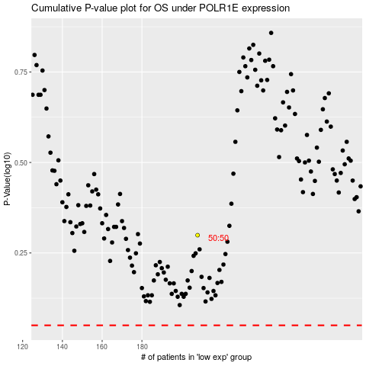

 |  |  |  |  |  | cases_OS | p_OS | rank | exp
 |  |  |  |  |  |  | cases_RFS | p_RFS | rank | exp

