POLR2A _multivariate
Reported by Tex Li-Hsing Chi. tex@gate.sinica.edu.tw 2019-08-16

Table 2. The clinicopathological features of HNSCC cohort and POLR2A expression. (Chi square test)
Cutoff at -0.135 (49.8%)
 |  | POLR2A expression |  | POLR2A expression |  | (Optimised)
 | Features | Low | (%) | High | (%) | Case no | P-value | Remark | Matthews
Gender | Female | 155 | 37.3 | 151 | 36.4 | 415 | 0.6768 | 0 | 0
2 | Male | 52 | 12.5 | 57 | 13.7
Age at diagnosis | <=65y | 143 | 34.5 | 131 | 31.6 | 415 | 0.2269 | 0 | 0
4 | >65y | 64 | 15.4 | 77 | 18.6
Clinical T Status | T1+T2 | 77 | 18.6 | 72 | 17.3 | 415 | 0.6556 | 0 | 0
6 | T3+T4 | 130 | 31.3 | 136 | 32.8
Clinical N Status | N0 | 102 | 24.6 | 114 | 27.5 | 415 | 0.3031 | 0 | 0
8 | N1-3 | 105 | 25.3 | 94 | 22.7
Clinical M Status | M0 | 205 | 49.4 | 207 | 49.9 | 415 | 0.6232 | 0 | 0
10 | M1 | 2 | 0.5 | 1 | 0.2
Clinical Stage | Stage I+II | 53 | 12.8 | 49 | 11.8 | 415 | 0.7113 | 0 | 0
12 | Stage III+IV | 154 | 37.1 | 159 | 38.3
Surgical Margin status | Negative | 149 | 35.9 | 169 | 40.7 | 415 | 0.0278 | 1 | 0
14 | Positive | 58 | 14 | 39 | 9.4
Tobacco Exposure | Low | 69 | 16.6 | 92 | 22.2 | 415 | 0.0266 | 1 | 0
16 | High | 138 | 33.3 | 116 | 28

Table 3. Univariate/Multivariate Cox's proportional hazards regression analyses on OS time of POLR2A gene expression in HNSCC

 |  | Univariate |  |  |  | Multivariate
 | Features | HR | CI95%(L) | CI95%(H) | P-value | HR | CI95%(L) | CI95%(H) | P-value
1 | Female | 1 |  |  |  | 1
Gender | Male | 1.157 | 0.843 | 1.587 | 0.367 | 1.205 | 0.862 | 1.685 | 0.275
11 | <=65y | 1 |  |  |  | 1
Age at diagnosis | >65y | 1.329 | 0.99 | 1.784 | 0.058 | 1.39 | 1.022 | 1.89 | 0.036
12 | T1+T2 | 1 |  |  |  | 1
Clinical T Status | T3+T4 | 1.409 | 1.028 | 1.931 | 0.033 | 2.213 | 1.169 | 4.188 | 0.015
13 | N0 | 1 |  |  |  | 1
Clinical N Status | N1-3 | 1.185 | 0.89 | 1.577 | 0.246 | 1.247 | 0.872 | 1.783 | 0.226
14 | M0 | 1 |  |  |  | 1
Clinical M Status | M1 | 4.097 | 1.009 | 16.644 | 0.049 | 9.489 | 2.067 | 43.561 | 0.004
15 | Stage I+II | 1 |  |  |  | 1
Clinical Stage | Stage III+IV | 1.245 | 0.882 | 1.759 | 0.213 | 0.5 | 0.232 | 1.077 | 0.077
16 | Negative | 1 |  |  |  | 1
Surgical Margin status | Positive | 1.591 | 1.155 | 2.191 | 0.004 | 1.682 | 1.213 | 2.333 | 0.002
17 | Low | 1 |  |  |  | 1
Tobacco Exposure | High | 1.364 | 1.008 | 1.844 | 0.044 | 1.463 | 1.057 | 2.024 | 0.022
18 | Low | 1 |  |  |  | 1
RNAseq(z-score) | High | 0.916 | 0.688 | 1.22 | 0.549 | 1.04 | 0.773 | 1.398 | 0.797

Table 4. Univariate/Multivariate Cox's proportional hazards regression analyses on RFS time of POLR2A gene expression in HNSCC

 |  | Univariate |  |  |  | Multivariate
 | Features | HR | CI95%(L) | CI95%(H) | P-value | HR | CI95%(L) | CI95%(H) | P-value
1 | Female | 1 |  |  |  | 1
Gender | Male | 1.157 | 0.843 | 1.587 | 0.367 | 1.205 | 0.862 | 1.685 | 0.275
11 | <=65y | 1 |  |  |  | 1
Age at diagnosis | >65y | 1.329 | 0.99 | 1.784 | 0.058 | 1.39 | 1.022 | 1.89 | 0.036
12 | T1+T2 | 1 |  |  |  | 1
Clinical T Status | T3+T4 | 1.409 | 1.028 | 1.931 | 0.033 | 2.213 | 1.169 | 4.188 | 0.015
13 | N0 | 1 |  |  |  | 1
Clinical N Status | N1-3 | 1.185 | 0.89 | 1.577 | 0.246 | 1.247 | 0.872 | 1.783 | 0.226
14 | M0 | 1 |  |  |  | 1
Clinical M Status | M1 | 4.097 | 1.009 | 16.644 | 0.049 | 9.489 | 2.067 | 43.561 | 0.004
15 | Stage I+II | 1 |  |  |  | 1
Clinical Stage | Stage III+IV | 1.245 | 0.882 | 1.759 | 0.213 | 0.5 | 0.232 | 1.077 | 0.077
16 | Negative | 1 |  |  |  | 1
Surgical Margin status | Positive | 1.591 | 1.155 | 2.191 | 0.004 | 1.682 | 1.213 | 2.333 | 0.002
17 | Low | 1 |  |  |  | 1
Tobacco Exposure | High | 1.364 | 1.008 | 1.844 | 0.044 | 1.463 | 1.057 | 2.024 | 0.022
18 | Low | 1 |  |  |  | 1
RNAseq(z-score) | High | 0.916 | 0.688 | 1.22 | 0.549 | 1.04 | 0.773 | 1.398 | 0.797

Kaplan-Meier survival estimate: Cutoff at -0.135 (49.8%)



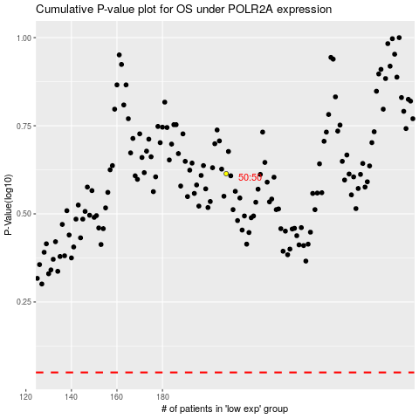

 |  |  |  |  |  | cases_OS | p_OS | rank | exp
 |  |  |  |  |  |  | cases_RFS | p_RFS | rank | exp

