POLR2B _multivariate
Reported by Tex Li-Hsing Chi. tex@gate.sinica.edu.tw 2019-08-16

Table 2. The clinicopathological features of HNSCC cohort and POLR2B expression. (Chi square test)
Cutoff at -0.087 (50.0%)
 |  | POLR2B expression |  | POLR2B expression |  | (Optimised)
 | Features | Low | (%) | High | (%) | Case no | P-value | Remark | Matthews
Gender | Female | 146 | 35.2 | 160 | 38.6 | 415 | 0.1714 | 0 | 0
2 | Male | 61 | 14.7 | 48 | 11.6
Age at diagnosis | <=65y | 132 | 31.8 | 142 | 34.2 | 415 | 0.3874 | 0 | 0
4 | >65y | 75 | 18.1 | 66 | 15.9
Clinical T Status | T1+T2 | 84 | 20.2 | 65 | 15.7 | 415 | 0.0603 | 0 | 0
6 | T3+T4 | 123 | 29.6 | 143 | 34.5
Clinical N Status | N0 | 113 | 27.2 | 103 | 24.8 | 415 | 0.3495 | 1 | 0
8 | N1-3 | 94 | 22.7 | 105 | 25.3
Clinical M Status | M0 | 204 | 49.2 | 208 | 50.1 | 415 | 0.1232 | 0 | 0
10 | M1 | 3 | 0.7 | 0 | 0
Clinical Stage | Stage I+II | 60 | 14.5 | 42 | 10.1 | 415 | 0.0493 | 1 | 0
12 | Stage III+IV | 147 | 35.4 | 166 | 40
Surgical Margin status | Negative | 166 | 40 | 152 | 36.6 | 415 | 0.1042 | 0 | 0
14 | Positive | 41 | 9.9 | 56 | 13.5
Tobacco Exposure | Low | 92 | 22.2 | 69 | 16.6 | 415 | 0.0206 | 1 | 0
16 | High | 115 | 27.7 | 139 | 33.5

Table 3. Univariate/Multivariate Cox's proportional hazards regression analyses on OS time of POLR2B gene expression in HNSCC

 |  | Univariate |  |  |  | Multivariate
 | Features | HR | CI95%(L) | CI95%(H) | P-value | HR | CI95%(L) | CI95%(H) | P-value
1 | Female | 1 |  |  |  | 1
Gender | Male | 1.157 | 0.843 | 1.587 | 0.367 | 1.196 | 0.854 | 1.673 | 0.297
11 | <=65y | 1 |  |  |  | 1
Age at diagnosis | >65y | 1.329 | 0.99 | 1.784 | 0.058 | 1.395 | 1.026 | 1.897 | 0.034
12 | T1+T2 | 1 |  |  |  | 1
Clinical T Status | T3+T4 | 1.409 | 1.028 | 1.931 | 0.033 | 2.198 | 1.162 | 4.157 | 0.015
13 | N0 | 1 |  |  |  | 1
Clinical N Status | N1-3 | 1.185 | 0.89 | 1.577 | 0.246 | 1.236 | 0.865 | 1.765 | 0.244
14 | M0 | 1 |  |  |  | 1
Clinical M Status | M1 | 4.097 | 1.009 | 16.644 | 0.049 | 9.186 | 1.987 | 42.474 | 0.005
15 | Stage I+II | 1 |  |  |  | 1
Clinical Stage | Stage III+IV | 1.245 | 0.882 | 1.759 | 0.213 | 0.509 | 0.237 | 1.095 | 0.084
16 | Negative | 1 |  |  |  | 1
Surgical Margin status | Positive | 1.591 | 1.155 | 2.191 | 0.004 | 1.674 | 1.212 | 2.314 | 0.002
17 | Low | 1 |  |  |  | 1
Tobacco Exposure | High | 1.364 | 1.008 | 1.844 | 0.044 | 1.455 | 1.056 | 2.005 | 0.022
18 | Low | 1 |  |  |  | 1
RNAseq(z-score) | High | 0.98 | 0.734 | 1.307 | 0.889 | 0.958 | 0.713 | 1.288 | 0.777

Table 4. Univariate/Multivariate Cox's proportional hazards regression analyses on RFS time of POLR2B gene expression in HNSCC

 |  | Univariate |  |  |  | Multivariate
 | Features | HR | CI95%(L) | CI95%(H) | P-value | HR | CI95%(L) | CI95%(H) | P-value
1 | Female | 1 |  |  |  | 1
Gender | Male | 1.157 | 0.843 | 1.587 | 0.367 | 1.196 | 0.854 | 1.673 | 0.297
11 | <=65y | 1 |  |  |  | 1
Age at diagnosis | >65y | 1.329 | 0.99 | 1.784 | 0.058 | 1.395 | 1.026 | 1.897 | 0.034
12 | T1+T2 | 1 |  |  |  | 1
Clinical T Status | T3+T4 | 1.409 | 1.028 | 1.931 | 0.033 | 2.198 | 1.162 | 4.157 | 0.015
13 | N0 | 1 |  |  |  | 1
Clinical N Status | N1-3 | 1.185 | 0.89 | 1.577 | 0.246 | 1.236 | 0.865 | 1.765 | 0.244
14 | M0 | 1 |  |  |  | 1
Clinical M Status | M1 | 4.097 | 1.009 | 16.644 | 0.049 | 9.186 | 1.987 | 42.474 | 0.005
15 | Stage I+II | 1 |  |  |  | 1
Clinical Stage | Stage III+IV | 1.245 | 0.882 | 1.759 | 0.213 | 0.509 | 0.237 | 1.095 | 0.084
16 | Negative | 1 |  |  |  | 1
Surgical Margin status | Positive | 1.591 | 1.155 | 2.191 | 0.004 | 1.674 | 1.212 | 2.314 | 0.002
17 | Low | 1 |  |  |  | 1
Tobacco Exposure | High | 1.364 | 1.008 | 1.844 | 0.044 | 1.455 | 1.056 | 2.005 | 0.022
18 | Low | 1 |  |  |  | 1
RNAseq(z-score) | High | 0.98 | 0.734 | 1.307 | 0.889 | 0.958 | 0.713 | 1.288 | 0.777

Kaplan-Meier survival estimate: Cutoff at -0.087 (50.0%)



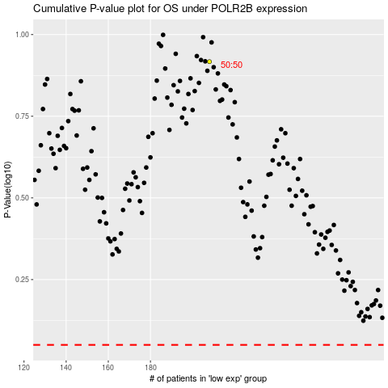

 |  |  |  |  |  | cases_OS | p_OS | rank | exp
 |  |  |  |  |  |  | cases_RFS | p_RFS | rank | exp

