POLR2E _multivariate
Reported by Tex Li-Hsing Chi. tex@gate.sinica.edu.tw 2019-08-16

Table 2. The clinicopathological features of HNSCC cohort and POLR2E expression. (Chi square test)
Cutoff at -0.189 (49.8%)
 |  | POLR2E expression |  | POLR2E expression |  | (Optimised)
 | Features | Low | (%) | High | (%) | Case no | P-value | Remark | Matthews
Gender | Female | 152 | 36.6 | 154 | 37.1 | 415 | 0.9766 | 0 | 0
2 | Male | 55 | 13.3 | 54 | 13
Age at diagnosis | <=65y | 142 | 34.2 | 132 | 31.8 | 415 | 0.3167 | 0 | 0
4 | >65y | 65 | 15.7 | 76 | 18.3
Clinical T Status | T1+T2 | 67 | 16.1 | 82 | 19.8 | 415 | 0.1628 | 0 | 0
6 | T3+T4 | 140 | 33.7 | 126 | 30.4
Clinical N Status | N0 | 104 | 25.1 | 112 | 27 | 415 | 0.5243 | 0 | 0
8 | N1-3 | 103 | 24.8 | 96 | 23.1
Clinical M Status | M0 | 206 | 49.6 | 206 | 49.6 | 415 | 1 | 0 | 0
10 | M1 | 1 | 0.2 | 2 | 0.5
Clinical Stage | Stage I+II | 44 | 10.6 | 58 | 14 | 415 | 0.1459 | 0 | 0
12 | Stage III+IV | 163 | 39.3 | 150 | 36.1
Surgical Margin status | Negative | 152 | 36.6 | 166 | 40 | 415 | 0.1329 | 0 | 0
14 | Positive | 55 | 13.3 | 42 | 10.1
Tobacco Exposure | Low | 79 | 19 | 82 | 19.8 | 415 | 0.8405 | 0 | 0
16 | High | 128 | 30.8 | 126 | 30.4

Table 3. Univariate/Multivariate Cox's proportional hazards regression analyses on OS time of POLR2E gene expression in HNSCC

 |  | Univariate |  |  |  | Multivariate
 | Features | HR | CI95%(L) | CI95%(H) | P-value | HR | CI95%(L) | CI95%(H) | P-value
1 | Female | 1 |  |  |  | 1
Gender | Male | 1.157 | 0.843 | 1.587 | 0.367 | 1.2 | 0.859 | 1.676 | 0.285
11 | <=65y | 1 |  |  |  | 1
Age at diagnosis | >65y | 1.329 | 0.99 | 1.784 | 0.058 | 1.399 | 1.028 | 1.903 | 0.032
12 | T1+T2 | 1 |  |  |  | 1
Clinical T Status | T3+T4 | 1.409 | 1.028 | 1.931 | 0.033 | 2.198 | 1.162 | 4.157 | 0.015
13 | N0 | 1 |  |  |  | 1
Clinical N Status | N1-3 | 1.185 | 0.89 | 1.577 | 0.246 | 1.248 | 0.874 | 1.783 | 0.223
14 | M0 | 1 |  |  |  | 1
Clinical M Status | M1 | 4.097 | 1.009 | 16.644 | 0.049 | 9.467 | 2.065 | 43.407 | 0.004
15 | Stage I+II | 1 |  |  |  | 1
Clinical Stage | Stage III+IV | 1.245 | 0.882 | 1.759 | 0.213 | 0.501 | 0.233 | 1.076 | 0.076
16 | Negative | 1 |  |  |  | 1
Surgical Margin status | Positive | 1.591 | 1.155 | 2.191 | 0.004 | 1.664 | 1.204 | 2.301 | 0.002
17 | Low | 1 |  |  |  | 1
Tobacco Exposure | High | 1.364 | 1.008 | 1.844 | 0.044 | 1.452 | 1.054 | 2 | 0.023
18 | Low | 1 |  |  |  | 1
RNAseq(z-score) | High | 0.921 | 0.691 | 1.226 | 0.572 | 0.929 | 0.696 | 1.241 | 0.619

Table 4. Univariate/Multivariate Cox's proportional hazards regression analyses on RFS time of POLR2E gene expression in HNSCC

 |  | Univariate |  |  |  | Multivariate
 | Features | HR | CI95%(L) | CI95%(H) | P-value | HR | CI95%(L) | CI95%(H) | P-value
1 | Female | 1 |  |  |  | 1
Gender | Male | 1.157 | 0.843 | 1.587 | 0.367 | 1.2 | 0.859 | 1.676 | 0.285
11 | <=65y | 1 |  |  |  | 1
Age at diagnosis | >65y | 1.329 | 0.99 | 1.784 | 0.058 | 1.399 | 1.028 | 1.903 | 0.032
12 | T1+T2 | 1 |  |  |  | 1
Clinical T Status | T3+T4 | 1.409 | 1.028 | 1.931 | 0.033 | 2.198 | 1.162 | 4.157 | 0.015
13 | N0 | 1 |  |  |  | 1
Clinical N Status | N1-3 | 1.185 | 0.89 | 1.577 | 0.246 | 1.248 | 0.874 | 1.783 | 0.223
14 | M0 | 1 |  |  |  | 1
Clinical M Status | M1 | 4.097 | 1.009 | 16.644 | 0.049 | 9.467 | 2.065 | 43.407 | 0.004
15 | Stage I+II | 1 |  |  |  | 1
Clinical Stage | Stage III+IV | 1.245 | 0.882 | 1.759 | 0.213 | 0.501 | 0.233 | 1.076 | 0.076
16 | Negative | 1 |  |  |  | 1
Surgical Margin status | Positive | 1.591 | 1.155 | 2.191 | 0.004 | 1.664 | 1.204 | 2.301 | 0.002
17 | Low | 1 |  |  |  | 1
Tobacco Exposure | High | 1.364 | 1.008 | 1.844 | 0.044 | 1.452 | 1.054 | 2 | 0.023
18 | Low | 1 |  |  |  | 1
RNAseq(z-score) | High | 0.921 | 0.691 | 1.226 | 0.572 | 0.929 | 0.696 | 1.241 | 0.619

Kaplan-Meier survival estimate: Cutoff at -0.189 (49.8%)



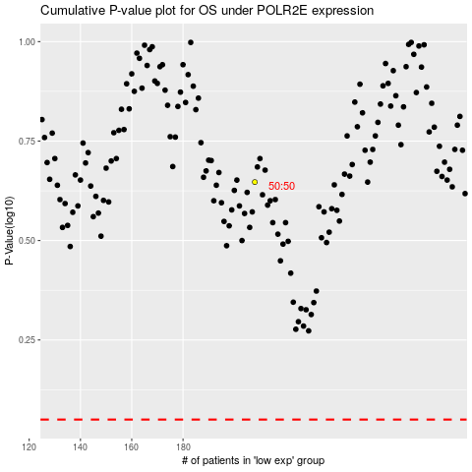

 |  |  |  |  |  | cases_OS | p_OS | rank | exp
 |  |  |  |  |  |  | cases_RFS | p_RFS | rank | exp

