POLR2F _multivariate
Reported by Tex Li-Hsing Chi. tex@gate.sinica.edu.tw 2019-08-16

Table 2. The clinicopathological features of HNSCC cohort and POLR2F expression. (Chi square test)
Cutoff at -0.232 (50.0%)
 |  | POLR2F expression |  | POLR2F expression |  | (Optimised)
 | Features | Low | (%) | High | (%) | Case no | P-value | Remark | Matthews
Gender | Female | 151 | 36.4 | 155 | 37.3 | 415 | 0.8007 | 0 | 0
2 | Male | 56 | 13.5 | 53 | 12.8
Age at diagnosis | <=65y | 135 | 32.5 | 139 | 33.5 | 415 | 0.8084 | 0 | 0
4 | >65y | 72 | 17.3 | 69 | 16.6
Clinical T Status | T1+T2 | 78 | 18.8 | 71 | 17.1 | 415 | 0.5152 | 0 | 0
6 | T3+T4 | 129 | 31.1 | 137 | 33
Clinical N Status | N0 | 116 | 28 | 100 | 24.1 | 415 | 0.1273 | 1 | 0
8 | N1-3 | 91 | 21.9 | 108 | 26
Clinical M Status | M0 | 207 | 49.9 | 205 | 49.4 | 415 | 0.2482 | 0 | 0
10 | M1 | 0 | 0 | 3 | 0.7
Clinical Stage | Stage I+II | 58 | 14 | 44 | 10.6 | 415 | 0.131 | 0 | 0
12 | Stage III+IV | 149 | 35.9 | 164 | 39.5
Surgical Margin status | Negative | 165 | 39.8 | 153 | 36.9 | 415 | 0.1639 | 0 | 0
14 | Positive | 42 | 10.1 | 55 | 13.3
Tobacco Exposure | Low | 88 | 21.2 | 73 | 17.6 | 415 | 0.1314 | 0 | 0
16 | High | 119 | 28.7 | 135 | 32.5

Table 3. Univariate/Multivariate Cox's proportional hazards regression analyses on OS time of POLR2F gene expression in HNSCC

 |  | Univariate |  |  |  | Multivariate
 | Features | HR | CI95%(L) | CI95%(H) | P-value | HR | CI95%(L) | CI95%(H) | P-value
1 | Female | 1 |  |  |  | 1
Gender | Male | 1.157 | 0.843 | 1.587 | 0.367 | 1.194 | 0.853 | 1.67 | 0.301
11 | <=65y | 1 |  |  |  | 1
Age at diagnosis | >65y | 1.329 | 0.99 | 1.784 | 0.058 | 1.39 | 1.023 | 1.888 | 0.036
12 | T1+T2 | 1 |  |  |  | 1
Clinical T Status | T3+T4 | 1.409 | 1.028 | 1.931 | 0.033 | 2.203 | 1.166 | 4.165 | 0.015
13 | N0 | 1 |  |  |  | 1
Clinical N Status | N1-3 | 1.185 | 0.89 | 1.577 | 0.246 | 1.24 | 0.869 | 1.768 | 0.236
14 | M0 | 1 |  |  |  | 1
Clinical M Status | M1 | 4.097 | 1.009 | 16.644 | 0.049 | 9.042 | 1.959 | 41.735 | 0.005
15 | Stage I+II | 1 |  |  |  | 1
Clinical Stage | Stage III+IV | 1.245 | 0.882 | 1.759 | 0.213 | 0.503 | 0.234 | 1.079 | 0.077
16 | Negative | 1 |  |  |  | 1
Surgical Margin status | Positive | 1.591 | 1.155 | 2.191 | 0.004 | 1.655 | 1.195 | 2.291 | 0.002
17 | Low | 1 |  |  |  | 1
Tobacco Exposure | High | 1.364 | 1.008 | 1.844 | 0.044 | 1.441 | 1.045 | 1.989 | 0.026
18 | Low | 1 |  |  |  | 1
RNAseq(z-score) | High | 1.211 | 0.909 | 1.614 | 0.191 | 1.081 | 0.807 | 1.448 | 0.601

Table 4. Univariate/Multivariate Cox's proportional hazards regression analyses on RFS time of POLR2F gene expression in HNSCC

 |  | Univariate |  |  |  | Multivariate
 | Features | HR | CI95%(L) | CI95%(H) | P-value | HR | CI95%(L) | CI95%(H) | P-value
1 | Female | 1 |  |  |  | 1
Gender | Male | 1.157 | 0.843 | 1.587 | 0.367 | 1.194 | 0.853 | 1.67 | 0.301
11 | <=65y | 1 |  |  |  | 1
Age at diagnosis | >65y | 1.329 | 0.99 | 1.784 | 0.058 | 1.39 | 1.023 | 1.888 | 0.036
12 | T1+T2 | 1 |  |  |  | 1
Clinical T Status | T3+T4 | 1.409 | 1.028 | 1.931 | 0.033 | 2.203 | 1.166 | 4.165 | 0.015
13 | N0 | 1 |  |  |  | 1
Clinical N Status | N1-3 | 1.185 | 0.89 | 1.577 | 0.246 | 1.24 | 0.869 | 1.768 | 0.236
14 | M0 | 1 |  |  |  | 1
Clinical M Status | M1 | 4.097 | 1.009 | 16.644 | 0.049 | 9.042 | 1.959 | 41.735 | 0.005
15 | Stage I+II | 1 |  |  |  | 1
Clinical Stage | Stage III+IV | 1.245 | 0.882 | 1.759 | 0.213 | 0.503 | 0.234 | 1.079 | 0.077
16 | Negative | 1 |  |  |  | 1
Surgical Margin status | Positive | 1.591 | 1.155 | 2.191 | 0.004 | 1.655 | 1.195 | 2.291 | 0.002
17 | Low | 1 |  |  |  | 1
Tobacco Exposure | High | 1.364 | 1.008 | 1.844 | 0.044 | 1.441 | 1.045 | 1.989 | 0.026
18 | Low | 1 |  |  |  | 1
RNAseq(z-score) | High | 1.211 | 0.909 | 1.614 | 0.191 | 1.081 | 0.807 | 1.448 | 0.601

Kaplan-Meier survival estimate: Cutoff at -0.232 (50.0%)



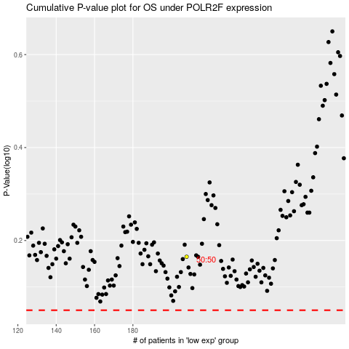

 |  |  |  |  |  | cases_OS | p_OS | rank | exp
 |  |  |  |  |  |  | cases_RFS | p_RFS | rank | exp

