POLR2H _multivariate
Reported by Tex Li-Hsing Chi. tex@gate.sinica.edu.tw 2019-08-16

Table 2. The clinicopathological features of HNSCC cohort and POLR2H expression. (Chi square test)
Cutoff at -0.248 (49.8%)
 |  | POLR2H expression |  | POLR2H expression |  | (Optimised)
 | Features | Low | (%) | High | (%) | Case no | P-value | Remark | Matthews
Gender | Female | 140 | 33.7 | 166 | 40 | 415 | 0.0068 | 1 | 0
2 | Male | 67 | 16.1 | 42 | 10.1
Age at diagnosis | <=65y | 132 | 31.8 | 142 | 34.2 | 415 | 0.3874 | 0 | 0
4 | >65y | 75 | 18.1 | 66 | 15.9
Clinical T Status | T1+T2 | 81 | 19.5 | 68 | 16.4 | 415 | 0.206 | 0 | 0
6 | T3+T4 | 126 | 30.4 | 140 | 33.7
Clinical N Status | N0 | 113 | 27.2 | 103 | 24.8 | 415 | 0.3495 | 1 | 0
8 | N1-3 | 94 | 22.7 | 105 | 25.3
Clinical M Status | M0 | 207 | 49.9 | 205 | 49.4 | 415 | 0.2482 | 0 | 0
10 | M1 | 0 | 0 | 3 | 0.7
Clinical Stage | Stage I+II | 63 | 15.2 | 39 | 9.4 | 415 | 0.008 | 1 | 0
12 | Stage III+IV | 144 | 34.7 | 169 | 40.7
Surgical Margin status | Negative | 172 | 41.4 | 146 | 35.2 | 415 | 0.0025 | 1 | 0
14 | Positive | 35 | 8.4 | 62 | 14.9
Tobacco Exposure | Low | 94 | 22.7 | 67 | 16.1 | 415 | 0.0065 | 1 | 0
16 | High | 113 | 27.2 | 141 | 34

Table 3. Univariate/Multivariate Cox's proportional hazards regression analyses on OS time of POLR2H gene expression in HNSCC

 |  | Univariate |  |  |  | Multivariate
 | Features | HR | CI95%(L) | CI95%(H) | P-value | HR | CI95%(L) | CI95%(H) | P-value
1 | Female | 1 |  |  |  | 1
Gender | Male | 1.157 | 0.843 | 1.587 | 0.367 | 1.214 | 0.867 | 1.698 | 0.259
11 | <=65y | 1 |  |  |  | 1
Age at diagnosis | >65y | 1.329 | 0.99 | 1.784 | 0.058 | 1.38 | 1.015 | 1.876 | 0.04
12 | T1+T2 | 1 |  |  |  | 1
Clinical T Status | T3+T4 | 1.409 | 1.028 | 1.931 | 0.033 | 2.252 | 1.189 | 4.267 | 0.013
13 | N0 | 1 |  |  |  | 1
Clinical N Status | N1-3 | 1.185 | 0.89 | 1.577 | 0.246 | 1.256 | 0.879 | 1.795 | 0.21
14 | M0 | 1 |  |  |  | 1
Clinical M Status | M1 | 4.097 | 1.009 | 16.644 | 0.049 | 9.008 | 1.959 | 41.422 | 0.005
15 | Stage I+II | 1 |  |  |  | 1
Clinical Stage | Stage III+IV | 1.245 | 0.882 | 1.759 | 0.213 | 0.482 | 0.223 | 1.042 | 0.063
16 | Negative | 1 |  |  |  | 1
Surgical Margin status | Positive | 1.591 | 1.155 | 2.191 | 0.004 | 1.652 | 1.194 | 2.286 | 0.002
17 | Low | 1 |  |  |  | 1
Tobacco Exposure | High | 1.364 | 1.008 | 1.844 | 0.044 | 1.43 | 1.035 | 1.974 | 0.03
18 | Low | 1 |  |  |  | 1
RNAseq(z-score) | High | 1.217 | 0.913 | 1.623 | 0.181 | 1.141 | 0.847 | 1.536 | 0.386

Table 4. Univariate/Multivariate Cox's proportional hazards regression analyses on RFS time of POLR2H gene expression in HNSCC

 |  | Univariate |  |  |  | Multivariate
 | Features | HR | CI95%(L) | CI95%(H) | P-value | HR | CI95%(L) | CI95%(H) | P-value
1 | Female | 1 |  |  |  | 1
Gender | Male | 1.157 | 0.843 | 1.587 | 0.367 | 1.214 | 0.867 | 1.698 | 0.259
11 | <=65y | 1 |  |  |  | 1
Age at diagnosis | >65y | 1.329 | 0.99 | 1.784 | 0.058 | 1.38 | 1.015 | 1.876 | 0.04
12 | T1+T2 | 1 |  |  |  | 1
Clinical T Status | T3+T4 | 1.409 | 1.028 | 1.931 | 0.033 | 2.252 | 1.189 | 4.267 | 0.013
13 | N0 | 1 |  |  |  | 1
Clinical N Status | N1-3 | 1.185 | 0.89 | 1.577 | 0.246 | 1.256 | 0.879 | 1.795 | 0.21
14 | M0 | 1 |  |  |  | 1
Clinical M Status | M1 | 4.097 | 1.009 | 16.644 | 0.049 | 9.008 | 1.959 | 41.422 | 0.005
15 | Stage I+II | 1 |  |  |  | 1
Clinical Stage | Stage III+IV | 1.245 | 0.882 | 1.759 | 0.213 | 0.482 | 0.223 | 1.042 | 0.063
16 | Negative | 1 |  |  |  | 1
Surgical Margin status | Positive | 1.591 | 1.155 | 2.191 | 0.004 | 1.652 | 1.194 | 2.286 | 0.002
17 | Low | 1 |  |  |  | 1
Tobacco Exposure | High | 1.364 | 1.008 | 1.844 | 0.044 | 1.43 | 1.035 | 1.974 | 0.03
18 | Low | 1 |  |  |  | 1
RNAseq(z-score) | High | 1.217 | 0.913 | 1.623 | 0.181 | 1.141 | 0.847 | 1.536 | 0.386

Kaplan-Meier survival estimate: Cutoff at -0.248 (49.8%)



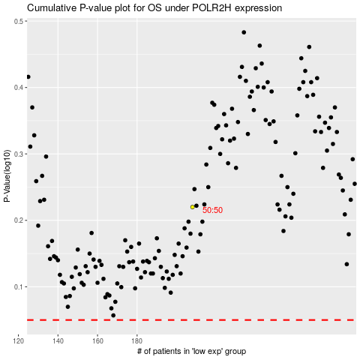

 |  |  |  |  |  | cases_OS | p_OS | rank | exp
 |  |  |  |  |  |  | cases_RFS | p_RFS | rank | exp

