POLR2J3 _multivariate
Reported by Tex Li-Hsing Chi. tex@gate.sinica.edu.tw 2019-08-16

Table 2. The clinicopathological features of HNSCC cohort and POLR2J3 expression. (Chi square test)
Cutoff at -0.374 (50.0%)
 |  | POLR2J3 expression |  | POLR2J3 expression |  | (Optimised)
 | Features | Low | (%) | High | (%) | Case no | P-value | Remark | Matthews
Gender | Female | 151 | 36.4 | 155 | 37.3 | 415 | 0.8007 | 0 | 0
2 | Male | 56 | 13.5 | 53 | 12.8
Age at diagnosis | <=65y | 132 | 31.8 | 142 | 34.2 | 415 | 0.3874 | 0 | 0
4 | >65y | 75 | 18.1 | 66 | 15.9
Clinical T Status | T1+T2 | 82 | 19.8 | 67 | 16.1 | 415 | 0.1417 | 0 | 0
6 | T3+T4 | 125 | 30.1 | 141 | 34
Clinical N Status | N0 | 108 | 26 | 108 | 26 | 415 | 1 | 0 | 0
8 | N1-3 | 99 | 23.9 | 100 | 24.1
Clinical M Status | M0 | 206 | 49.6 | 206 | 49.6 | 415 | 1 | 0 | 0
10 | M1 | 1 | 0.2 | 2 | 0.5
Clinical Stage | Stage I+II | 59 | 14.2 | 43 | 10.4 | 415 | 0.0822 | 0 | 0
12 | Stage III+IV | 148 | 35.7 | 165 | 39.8
Surgical Margin status | Negative | 158 | 38.1 | 160 | 38.6 | 415 | 0.9081 | 0 | 0
14 | Positive | 49 | 11.8 | 48 | 11.6
Tobacco Exposure | Low | 84 | 20.2 | 77 | 18.6 | 415 | 0.4816 | 0 | 0
16 | High | 123 | 29.6 | 131 | 31.6

Table 3. Univariate/Multivariate Cox's proportional hazards regression analyses on OS time of POLR2J3 gene expression in HNSCC

 |  | Univariate |  |  |  | Multivariate
 | Features | HR | CI95%(L) | CI95%(H) | P-value | HR | CI95%(L) | CI95%(H) | P-value
1 | Female | 1 |  |  |  | 1
Gender | Male | 1.157 | 0.843 | 1.587 | 0.367 | 1.198 | 0.857 | 1.674 | 0.291
11 | <=65y | 1 |  |  |  | 1
Age at diagnosis | >65y | 1.329 | 0.99 | 1.784 | 0.058 | 1.405 | 1.034 | 1.911 | 0.03
12 | T1+T2 | 1 |  |  |  | 1
Clinical T Status | T3+T4 | 1.409 | 1.028 | 1.931 | 0.033 | 2.21 | 1.169 | 4.181 | 0.015
13 | N0 | 1 |  |  |  | 1
Clinical N Status | N1-3 | 1.185 | 0.89 | 1.577 | 0.246 | 1.254 | 0.878 | 1.791 | 0.213
14 | M0 | 1 |  |  |  | 1
Clinical M Status | M1 | 4.097 | 1.009 | 16.644 | 0.049 | 9.316 | 2.032 | 42.711 | 0.004
15 | Stage I+II | 1 |  |  |  | 1
Clinical Stage | Stage III+IV | 1.245 | 0.882 | 1.759 | 0.213 | 0.493 | 0.229 | 1.06 | 0.07
16 | Negative | 1 |  |  |  | 1
Surgical Margin status | Positive | 1.591 | 1.155 | 2.191 | 0.004 | 1.676 | 1.213 | 2.317 | 0.002
17 | Low | 1 |  |  |  | 1
Tobacco Exposure | High | 1.364 | 1.008 | 1.844 | 0.044 | 1.435 | 1.041 | 1.979 | 0.028
18 | Low | 1 |  |  |  | 1
RNAseq(z-score) | High | 1.148 | 0.861 | 1.531 | 0.346 | 1.145 | 0.856 | 1.531 | 0.362

Table 4. Univariate/Multivariate Cox's proportional hazards regression analyses on RFS time of POLR2J3 gene expression in HNSCC

 |  | Univariate |  |  |  | Multivariate
 | Features | HR | CI95%(L) | CI95%(H) | P-value | HR | CI95%(L) | CI95%(H) | P-value
1 | Female | 1 |  |  |  | 1
Gender | Male | 1.157 | 0.843 | 1.587 | 0.367 | 1.198 | 0.857 | 1.674 | 0.291
11 | <=65y | 1 |  |  |  | 1
Age at diagnosis | >65y | 1.329 | 0.99 | 1.784 | 0.058 | 1.405 | 1.034 | 1.911 | 0.03
12 | T1+T2 | 1 |  |  |  | 1
Clinical T Status | T3+T4 | 1.409 | 1.028 | 1.931 | 0.033 | 2.21 | 1.169 | 4.181 | 0.015
13 | N0 | 1 |  |  |  | 1
Clinical N Status | N1-3 | 1.185 | 0.89 | 1.577 | 0.246 | 1.254 | 0.878 | 1.791 | 0.213
14 | M0 | 1 |  |  |  | 1
Clinical M Status | M1 | 4.097 | 1.009 | 16.644 | 0.049 | 9.316 | 2.032 | 42.711 | 0.004
15 | Stage I+II | 1 |  |  |  | 1
Clinical Stage | Stage III+IV | 1.245 | 0.882 | 1.759 | 0.213 | 0.493 | 0.229 | 1.06 | 0.07
16 | Negative | 1 |  |  |  | 1
Surgical Margin status | Positive | 1.591 | 1.155 | 2.191 | 0.004 | 1.676 | 1.213 | 2.317 | 0.002
17 | Low | 1 |  |  |  | 1
Tobacco Exposure | High | 1.364 | 1.008 | 1.844 | 0.044 | 1.435 | 1.041 | 1.979 | 0.028
18 | Low | 1 |  |  |  | 1
RNAseq(z-score) | High | 1.148 | 0.861 | 1.531 | 0.346 | 1.145 | 0.856 | 1.531 | 0.362

Kaplan-Meier survival estimate: Cutoff at -0.374 (50.0%)

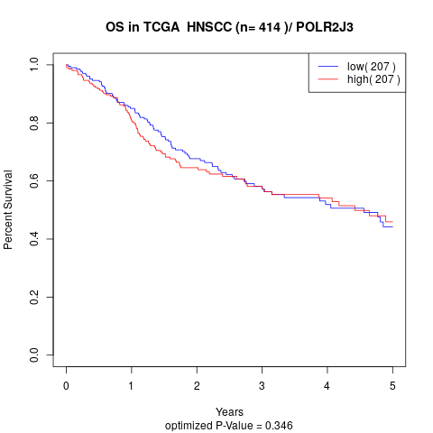

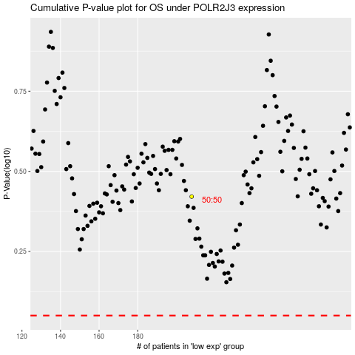

 |  |  |  |  |  | cases_OS | p_OS | rank | exp
 |  |  |  |  |  |  | cases_RFS | p_RFS | rank | exp

