POLR2K _multivariate
Reported by Tex Li-Hsing Chi. tex@gate.sinica.edu.tw 2019-08-16

Table 2. The clinicopathological features of HNSCC cohort and POLR2K expression. (Chi square test)
Cutoff at -0.112 (50.0%)
 |  | POLR2K expression |  | POLR2K expression |  | (Optimised)
 | Features | Low | (%) | High | (%) | Case no | P-value | Remark | Matthews
Gender | Female | 151 | 36.4 | 155 | 37.3 | 415 | 0.8007 | 0 | 0
2 | Male | 56 | 13.5 | 53 | 12.8
Age at diagnosis | <=65y | 132 | 31.8 | 142 | 34.2 | 415 | 0.3874 | 0 | 0
4 | >65y | 75 | 18.1 | 66 | 15.9
Clinical T Status | T1+T2 | 68 | 16.4 | 81 | 19.5 | 415 | 0.2336 | 0 | 0
6 | T3+T4 | 139 | 33.5 | 127 | 30.6
Clinical N Status | N0 | 114 | 27.5 | 102 | 24.6 | 415 | 0.2576 | 1 | 0
8 | N1-3 | 93 | 22.4 | 106 | 25.5
Clinical M Status | M0 | 207 | 49.9 | 205 | 49.4 | 415 | 0.2482 | 0 | 0
10 | M1 | 0 | 0 | 3 | 0.7
Clinical Stage | Stage I+II | 49 | 11.8 | 53 | 12.8 | 415 | 0.7535 | 0 | 0
12 | Stage III+IV | 158 | 38.1 | 155 | 37.3
Surgical Margin status | Negative | 167 | 40.2 | 151 | 36.4 | 415 | 0.0632 | 0 | 0
14 | Positive | 40 | 9.6 | 57 | 13.7
Tobacco Exposure | Low | 79 | 19 | 82 | 19.8 | 415 | 0.8405 | 0 | 0
16 | High | 128 | 30.8 | 126 | 30.4

Table 3. Univariate/Multivariate Cox's proportional hazards regression analyses on OS time of POLR2K gene expression in HNSCC

 |  | Univariate |  |  |  | Multivariate
 | Features | HR | CI95%(L) | CI95%(H) | P-value | HR | CI95%(L) | CI95%(H) | P-value
1 | Female | 1 |  |  |  | 1
Gender | Male | 1.157 | 0.843 | 1.587 | 0.367 | 1.2 | 0.859 | 1.677 | 0.284
11 | <=65y | 1 |  |  |  | 1
Age at diagnosis | >65y | 1.329 | 0.99 | 1.784 | 0.058 | 1.399 | 1.029 | 1.903 | 0.032
12 | T1+T2 | 1 |  |  |  | 1
Clinical T Status | T3+T4 | 1.409 | 1.028 | 1.931 | 0.033 | 2.208 | 1.168 | 4.174 | 0.015
13 | N0 | 1 |  |  |  | 1
Clinical N Status | N1-3 | 1.185 | 0.89 | 1.577 | 0.246 | 1.234 | 0.864 | 1.762 | 0.248
14 | M0 | 1 |  |  |  | 1
Clinical M Status | M1 | 4.097 | 1.009 | 16.644 | 0.049 | 9.108 | 1.976 | 41.991 | 0.005
15 | Stage I+II | 1 |  |  |  | 1
Clinical Stage | Stage III+IV | 1.245 | 0.882 | 1.759 | 0.213 | 0.508 | 0.236 | 1.09 | 0.082
16 | Negative | 1 |  |  |  | 1
Surgical Margin status | Positive | 1.591 | 1.155 | 2.191 | 0.004 | 1.651 | 1.19 | 2.291 | 0.003
17 | Low | 1 |  |  |  | 1
Tobacco Exposure | High | 1.364 | 1.008 | 1.844 | 0.044 | 1.453 | 1.055 | 2.001 | 0.022
18 | Low | 1 |  |  |  | 1
RNAseq(z-score) | High | 1.112 | 0.835 | 1.481 | 0.467 | 1.073 | 0.799 | 1.44 | 0.64

Table 4. Univariate/Multivariate Cox's proportional hazards regression analyses on RFS time of POLR2K gene expression in HNSCC

 |  | Univariate |  |  |  | Multivariate
 | Features | HR | CI95%(L) | CI95%(H) | P-value | HR | CI95%(L) | CI95%(H) | P-value
1 | Female | 1 |  |  |  | 1
Gender | Male | 1.157 | 0.843 | 1.587 | 0.367 | 1.2 | 0.859 | 1.677 | 0.284
11 | <=65y | 1 |  |  |  | 1
Age at diagnosis | >65y | 1.329 | 0.99 | 1.784 | 0.058 | 1.399 | 1.029 | 1.903 | 0.032
12 | T1+T2 | 1 |  |  |  | 1
Clinical T Status | T3+T4 | 1.409 | 1.028 | 1.931 | 0.033 | 2.208 | 1.168 | 4.174 | 0.015
13 | N0 | 1 |  |  |  | 1
Clinical N Status | N1-3 | 1.185 | 0.89 | 1.577 | 0.246 | 1.234 | 0.864 | 1.762 | 0.248
14 | M0 | 1 |  |  |  | 1
Clinical M Status | M1 | 4.097 | 1.009 | 16.644 | 0.049 | 9.108 | 1.976 | 41.991 | 0.005
15 | Stage I+II | 1 |  |  |  | 1
Clinical Stage | Stage III+IV | 1.245 | 0.882 | 1.759 | 0.213 | 0.508 | 0.236 | 1.09 | 0.082
16 | Negative | 1 |  |  |  | 1
Surgical Margin status | Positive | 1.591 | 1.155 | 2.191 | 0.004 | 1.651 | 1.19 | 2.291 | 0.003
17 | Low | 1 |  |  |  | 1
Tobacco Exposure | High | 1.364 | 1.008 | 1.844 | 0.044 | 1.453 | 1.055 | 2.001 | 0.022
18 | Low | 1 |  |  |  | 1
RNAseq(z-score) | High | 1.112 | 0.835 | 1.481 | 0.467 | 1.073 | 0.799 | 1.44 | 0.64

Kaplan-Meier survival estimate: Cutoff at -0.112 (50.0%)



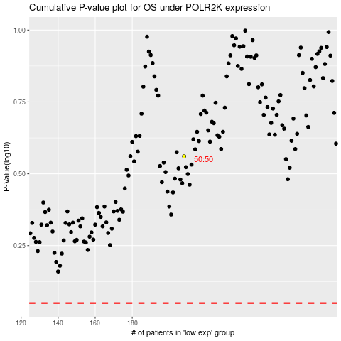

 |  |  |  |  |  | cases_OS | p_OS | rank | exp
 |  |  |  |  |  |  | cases_RFS | p_RFS | rank | exp

