POLR2L _multivariate
Reported by Tex Li-Hsing Chi. tex@gate.sinica.edu.tw 2019-08-16

Table 2. The clinicopathological features of HNSCC cohort and POLR2L expression. (Chi square test)
Cutoff at -0.233 (50.0%)
 |  | POLR2L expression |  | POLR2L expression |  | (Optimised)
 | Features | Low | (%) | High | (%) | Case no | P-value | Remark | Matthews
Gender | Female | 158 | 38.1 | 148 | 35.7 | 415 | 0.2774 | 0 | 0
2 | Male | 49 | 11.8 | 60 | 14.5
Age at diagnosis | <=65y | 136 | 32.8 | 138 | 33.3 | 415 | 0.9719 | 0 | 0
4 | >65y | 71 | 17.1 | 70 | 16.9
Clinical T Status | T1+T2 | 74 | 17.8 | 75 | 18.1 | 415 | 1 | 0 | 0
6 | T3+T4 | 133 | 32 | 133 | 32
Clinical N Status | N0 | 107 | 25.8 | 109 | 26.3 | 415 | 0.9624 | 0 | 0
8 | N1-3 | 100 | 24.1 | 99 | 23.9
Clinical M Status | M0 | 206 | 49.6 | 206 | 49.6 | 415 | 1 | 0 | 0
10 | M1 | 1 | 0.2 | 2 | 0.5
Clinical Stage | Stage I+II | 50 | 12 | 52 | 12.5 | 415 | 0.9315 | 0 | 0
12 | Stage III+IV | 157 | 37.8 | 156 | 37.6
Surgical Margin status | Negative | 164 | 39.5 | 154 | 37.1 | 415 | 0.2462 | 0 | 0
14 | Positive | 43 | 10.4 | 54 | 13
Tobacco Exposure | Low | 65 | 15.7 | 96 | 23.1 | 415 | 0.0025 | 1 | 0
16 | High | 142 | 34.2 | 112 | 27

Table 3. Univariate/Multivariate Cox's proportional hazards regression analyses on OS time of POLR2L gene expression in HNSCC

 |  | Univariate |  |  |  | Multivariate
 | Features | HR | CI95%(L) | CI95%(H) | P-value | HR | CI95%(L) | CI95%(H) | P-value
1 | Female | 1 |  |  |  | 1
Gender | Male | 1.157 | 0.843 | 1.587 | 0.367 | 1.187 | 0.848 | 1.661 | 0.317
11 | <=65y | 1 |  |  |  | 1
Age at diagnosis | >65y | 1.329 | 0.99 | 1.784 | 0.058 | 1.397 | 1.027 | 1.899 | 0.033
12 | T1+T2 | 1 |  |  |  | 1
Clinical T Status | T3+T4 | 1.409 | 1.028 | 1.931 | 0.033 | 2.188 | 1.157 | 4.136 | 0.016
13 | N0 | 1 |  |  |  | 1
Clinical N Status | N1-3 | 1.185 | 0.89 | 1.577 | 0.246 | 1.248 | 0.874 | 1.78 | 0.222
14 | M0 | 1 |  |  |  | 1
Clinical M Status | M1 | 4.097 | 1.009 | 16.644 | 0.049 | 8.941 | 1.942 | 41.157 | 0.005
15 | Stage I+II | 1 |  |  |  | 1
Clinical Stage | Stage III+IV | 1.245 | 0.882 | 1.759 | 0.213 | 0.505 | 0.235 | 1.083 | 0.079
16 | Negative | 1 |  |  |  | 1
Surgical Margin status | Positive | 1.591 | 1.155 | 2.191 | 0.004 | 1.635 | 1.179 | 2.267 | 0.003
17 | Low | 1 |  |  |  | 1
Tobacco Exposure | High | 1.364 | 1.008 | 1.844 | 0.044 | 1.478 | 1.07 | 2.043 | 0.018
18 | Low | 1 |  |  |  | 1
RNAseq(z-score) | High | 1.185 | 0.888 | 1.58 | 0.248 | 1.139 | 0.847 | 1.531 | 0.388

Table 4. Univariate/Multivariate Cox's proportional hazards regression analyses on RFS time of POLR2L gene expression in HNSCC

 |  | Univariate |  |  |  | Multivariate
 | Features | HR | CI95%(L) | CI95%(H) | P-value | HR | CI95%(L) | CI95%(H) | P-value
1 | Female | 1 |  |  |  | 1
Gender | Male | 1.157 | 0.843 | 1.587 | 0.367 | 1.187 | 0.848 | 1.661 | 0.317
11 | <=65y | 1 |  |  |  | 1
Age at diagnosis | >65y | 1.329 | 0.99 | 1.784 | 0.058 | 1.397 | 1.027 | 1.899 | 0.033
12 | T1+T2 | 1 |  |  |  | 1
Clinical T Status | T3+T4 | 1.409 | 1.028 | 1.931 | 0.033 | 2.188 | 1.157 | 4.136 | 0.016
13 | N0 | 1 |  |  |  | 1
Clinical N Status | N1-3 | 1.185 | 0.89 | 1.577 | 0.246 | 1.248 | 0.874 | 1.78 | 0.222
14 | M0 | 1 |  |  |  | 1
Clinical M Status | M1 | 4.097 | 1.009 | 16.644 | 0.049 | 8.941 | 1.942 | 41.157 | 0.005
15 | Stage I+II | 1 |  |  |  | 1
Clinical Stage | Stage III+IV | 1.245 | 0.882 | 1.759 | 0.213 | 0.505 | 0.235 | 1.083 | 0.079
16 | Negative | 1 |  |  |  | 1
Surgical Margin status | Positive | 1.591 | 1.155 | 2.191 | 0.004 | 1.635 | 1.179 | 2.267 | 0.003
17 | Low | 1 |  |  |  | 1
Tobacco Exposure | High | 1.364 | 1.008 | 1.844 | 0.044 | 1.478 | 1.07 | 2.043 | 0.018
18 | Low | 1 |  |  |  | 1
RNAseq(z-score) | High | 1.185 | 0.888 | 1.58 | 0.248 | 1.139 | 0.847 | 1.531 | 0.388

Kaplan-Meier survival estimate: Cutoff at -0.233 (50.0%)



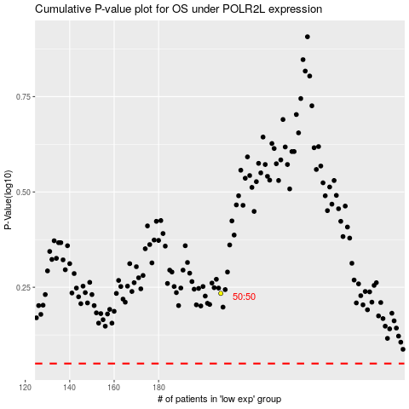

 |  |  |  |  |  | cases_OS | p_OS | rank | exp
 |  |  |  |  |  |  | cases_RFS | p_RFS | rank | exp

