POLR3B _multivariate
Reported by Tex Li-Hsing Chi. tex@gate.sinica.edu.tw 2019-08-16

Table 2. The clinicopathological features of HNSCC cohort and POLR3B expression. (Chi square test)
Cutoff at -0.233 (49.8%)
 |  | POLR3B expression |  | POLR3B expression |  | (Optimised)
 | Features | Low | (%) | High | (%) | Case no | P-value | Remark | Matthews
Gender | Female | 156 | 37.6 | 150 | 36.1 | 415 | 0.5222 | 0 | 0
2 | Male | 51 | 12.3 | 58 | 14
Age at diagnosis | <=65y | 139 | 33.5 | 135 | 32.5 | 415 | 0.7044 | 0 | 0
4 | >65y | 68 | 16.4 | 73 | 17.6
Clinical T Status | T1+T2 | 69 | 16.6 | 80 | 19.3 | 415 | 0.3239 | 0 | 0
6 | T3+T4 | 138 | 33.3 | 128 | 30.8
Clinical N Status | N0 | 99 | 23.9 | 117 | 28.2 | 415 | 0.1054 | 0 | 0
8 | N1-3 | 108 | 26 | 91 | 21.9
Clinical M Status | M0 | 206 | 49.6 | 206 | 49.6 | 415 | 1 | 0 | 0
10 | M1 | 1 | 0.2 | 2 | 0.5
Clinical Stage | Stage I+II | 49 | 11.8 | 53 | 12.8 | 415 | 0.7535 | 0 | 0
12 | Stage III+IV | 158 | 38.1 | 155 | 37.3
Surgical Margin status | Negative | 152 | 36.6 | 166 | 40 | 415 | 0.1329 | 0 | 0
14 | Positive | 55 | 13.3 | 42 | 10.1
Tobacco Exposure | Low | 76 | 18.3 | 85 | 20.5 | 415 | 0.4207 | 0 | 0
16 | High | 131 | 31.6 | 123 | 29.6

Table 3. Univariate/Multivariate Cox's proportional hazards regression analyses on OS time of POLR3B gene expression in HNSCC

 |  | Univariate |  |  |  | Multivariate
 | Features | HR | CI95%(L) | CI95%(H) | P-value | HR | CI95%(L) | CI95%(H) | P-value
1 | Female | 1 |  |  |  | 1
Gender | Male | 1.157 | 0.843 | 1.587 | 0.367 | 1.193 | 0.853 | 1.669 | 0.301
11 | <=65y | 1 |  |  |  | 1
Age at diagnosis | >65y | 1.329 | 0.99 | 1.784 | 0.058 | 1.373 | 1.01 | 1.868 | 0.043
12 | T1+T2 | 1 |  |  |  | 1
Clinical T Status | T3+T4 | 1.409 | 1.028 | 1.931 | 0.033 | 2.26 | 1.195 | 4.276 | 0.012
13 | N0 | 1 |  |  |  | 1
Clinical N Status | N1-3 | 1.185 | 0.89 | 1.577 | 0.246 | 1.279 | 0.894 | 1.83 | 0.178
14 | M0 | 1 |  |  |  | 1
Clinical M Status | M1 | 4.097 | 1.009 | 16.644 | 0.049 | 9.312 | 2.032 | 42.675 | 0.004
15 | Stage I+II | 1 |  |  |  | 1
Clinical Stage | Stage III+IV | 1.245 | 0.882 | 1.759 | 0.213 | 0.483 | 0.224 | 1.04 | 0.063
16 | Negative | 1 |  |  |  | 1
Surgical Margin status | Positive | 1.591 | 1.155 | 2.191 | 0.004 | 1.702 | 1.23 | 2.353 | 0.001
17 | Low | 1 |  |  |  | 1
Tobacco Exposure | High | 1.364 | 1.008 | 1.844 | 0.044 | 1.459 | 1.058 | 2.012 | 0.021
18 | Low | 1 |  |  |  | 1
RNAseq(z-score) | High | 1.155 | 0.868 | 1.539 | 0.323 | 1.214 | 0.907 | 1.624 | 0.193

Table 4. Univariate/Multivariate Cox's proportional hazards regression analyses on RFS time of POLR3B gene expression in HNSCC

 |  | Univariate |  |  |  | Multivariate
 | Features | HR | CI95%(L) | CI95%(H) | P-value | HR | CI95%(L) | CI95%(H) | P-value
1 | Female | 1 |  |  |  | 1
Gender | Male | 1.157 | 0.843 | 1.587 | 0.367 | 1.193 | 0.853 | 1.669 | 0.301
11 | <=65y | 1 |  |  |  | 1
Age at diagnosis | >65y | 1.329 | 0.99 | 1.784 | 0.058 | 1.373 | 1.01 | 1.868 | 0.043
12 | T1+T2 | 1 |  |  |  | 1
Clinical T Status | T3+T4 | 1.409 | 1.028 | 1.931 | 0.033 | 2.26 | 1.195 | 4.276 | 0.012
13 | N0 | 1 |  |  |  | 1
Clinical N Status | N1-3 | 1.185 | 0.89 | 1.577 | 0.246 | 1.279 | 0.894 | 1.83 | 0.178
14 | M0 | 1 |  |  |  | 1
Clinical M Status | M1 | 4.097 | 1.009 | 16.644 | 0.049 | 9.312 | 2.032 | 42.675 | 0.004
15 | Stage I+II | 1 |  |  |  | 1
Clinical Stage | Stage III+IV | 1.245 | 0.882 | 1.759 | 0.213 | 0.483 | 0.224 | 1.04 | 0.063
16 | Negative | 1 |  |  |  | 1
Surgical Margin status | Positive | 1.591 | 1.155 | 2.191 | 0.004 | 1.702 | 1.23 | 2.353 | 0.001
17 | Low | 1 |  |  |  | 1
Tobacco Exposure | High | 1.364 | 1.008 | 1.844 | 0.044 | 1.459 | 1.058 | 2.012 | 0.021
18 | Low | 1 |  |  |  | 1
RNAseq(z-score) | High | 1.155 | 0.868 | 1.539 | 0.323 | 1.214 | 0.907 | 1.624 | 0.193

Kaplan-Meier survival estimate: Cutoff at -0.233 (49.8%)



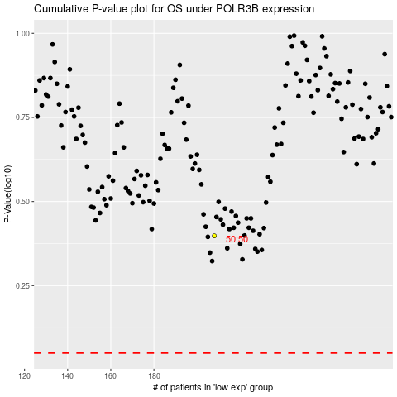

 |  |  |  |  |  | cases_OS | p_OS | rank | exp
 |  |  |  |  |  |  | cases_RFS | p_RFS | rank | exp

