POLR3C _multivariate
Reported by Tex Li-Hsing Chi. tex@gate.sinica.edu.tw 2019-08-16

Table 2. The clinicopathological features of HNSCC cohort and POLR3C expression. (Chi square test)
Cutoff at -0.199 (50.0%)
 |  | POLR3C expression |  | POLR3C expression |  | (Optimised)
 | Features | Low | (%) | High | (%) | Case no | P-value | Remark | Matthews
Gender | Female | 157 | 37.8 | 149 | 35.9 | 415 | 0.3881 | 0 | 0
2 | Male | 50 | 12 | 59 | 14.2
Age at diagnosis | <=65y | 145 | 34.9 | 129 | 31.1 | 415 | 0.1046 | 0 | 0
4 | >65y | 62 | 14.9 | 79 | 19
Clinical T Status | T1+T2 | 71 | 17.1 | 78 | 18.8 | 415 | 0.5638 | 0 | 0
6 | T3+T4 | 136 | 32.8 | 130 | 31.3
Clinical N Status | N0 | 112 | 27 | 104 | 25.1 | 415 | 0.4599 | 0 | 0
8 | N1-3 | 95 | 22.9 | 104 | 25.1
Clinical M Status | M0 | 206 | 49.6 | 206 | 49.6 | 415 | 1 | 0 | 0
10 | M1 | 1 | 0.2 | 2 | 0.5
Clinical Stage | Stage I+II | 50 | 12 | 52 | 12.5 | 415 | 0.9315 | 0 | 0
12 | Stage III+IV | 157 | 37.8 | 156 | 37.6
Surgical Margin status | Negative | 158 | 38.1 | 160 | 38.6 | 415 | 0.9081 | 0 | 0
14 | Positive | 49 | 11.8 | 48 | 11.6
Tobacco Exposure | Low | 79 | 19 | 82 | 19.8 | 415 | 0.8405 | 0 | 0
16 | High | 128 | 30.8 | 126 | 30.4

Table 3. Univariate/Multivariate Cox's proportional hazards regression analyses on OS time of POLR3C gene expression in HNSCC

 |  | Univariate |  |  |  | Multivariate
 | Features | HR | CI95%(L) | CI95%(H) | P-value | HR | CI95%(L) | CI95%(H) | P-value
1 | Female | 1 |  |  |  | 1
Gender | Male | 1.157 | 0.843 | 1.587 | 0.367 | 1.209 | 0.865 | 1.69 | 0.267
11 | <=65y | 1 |  |  |  | 1
Age at diagnosis | >65y | 1.329 | 0.99 | 1.784 | 0.058 | 1.401 | 1.03 | 1.905 | 0.031
12 | T1+T2 | 1 |  |  |  | 1
Clinical T Status | T3+T4 | 1.409 | 1.028 | 1.931 | 0.033 | 2.203 | 1.165 | 4.164 | 0.015
13 | N0 | 1 |  |  |  | 1
Clinical N Status | N1-3 | 1.185 | 0.89 | 1.577 | 0.246 | 1.264 | 0.884 | 1.807 | 0.199
14 | M0 | 1 |  |  |  | 1
Clinical M Status | M1 | 4.097 | 1.009 | 16.644 | 0.049 | 9.518 | 2.076 | 43.634 | 0.004
15 | Stage I+II | 1 |  |  |  | 1
Clinical Stage | Stage III+IV | 1.245 | 0.882 | 1.759 | 0.213 | 0.497 | 0.232 | 1.068 | 0.073
16 | Negative | 1 |  |  |  | 1
Surgical Margin status | Positive | 1.591 | 1.155 | 2.191 | 0.004 | 1.673 | 1.211 | 2.312 | 0.002
17 | Low | 1 |  |  |  | 1
Tobacco Exposure | High | 1.364 | 1.008 | 1.844 | 0.044 | 1.451 | 1.053 | 2.001 | 0.023
18 | Low | 1 |  |  |  | 1
RNAseq(z-score) | High | 0.92 | 0.687 | 1.232 | 0.575 | 0.883 | 0.657 | 1.187 | 0.409

Table 4. Univariate/Multivariate Cox's proportional hazards regression analyses on RFS time of POLR3C gene expression in HNSCC

 |  | Univariate |  |  |  | Multivariate
 | Features | HR | CI95%(L) | CI95%(H) | P-value | HR | CI95%(L) | CI95%(H) | P-value
1 | Female | 1 |  |  |  | 1
Gender | Male | 1.157 | 0.843 | 1.587 | 0.367 | 1.209 | 0.865 | 1.69 | 0.267
11 | <=65y | 1 |  |  |  | 1
Age at diagnosis | >65y | 1.329 | 0.99 | 1.784 | 0.058 | 1.401 | 1.03 | 1.905 | 0.031
12 | T1+T2 | 1 |  |  |  | 1
Clinical T Status | T3+T4 | 1.409 | 1.028 | 1.931 | 0.033 | 2.203 | 1.165 | 4.164 | 0.015
13 | N0 | 1 |  |  |  | 1
Clinical N Status | N1-3 | 1.185 | 0.89 | 1.577 | 0.246 | 1.264 | 0.884 | 1.807 | 0.199
14 | M0 | 1 |  |  |  | 1
Clinical M Status | M1 | 4.097 | 1.009 | 16.644 | 0.049 | 9.518 | 2.076 | 43.634 | 0.004
15 | Stage I+II | 1 |  |  |  | 1
Clinical Stage | Stage III+IV | 1.245 | 0.882 | 1.759 | 0.213 | 0.497 | 0.232 | 1.068 | 0.073
16 | Negative | 1 |  |  |  | 1
Surgical Margin status | Positive | 1.591 | 1.155 | 2.191 | 0.004 | 1.673 | 1.211 | 2.312 | 0.002
17 | Low | 1 |  |  |  | 1
Tobacco Exposure | High | 1.364 | 1.008 | 1.844 | 0.044 | 1.451 | 1.053 | 2.001 | 0.023
18 | Low | 1 |  |  |  | 1
RNAseq(z-score) | High | 0.92 | 0.687 | 1.232 | 0.575 | 0.883 | 0.657 | 1.187 | 0.409

Kaplan-Meier survival estimate: Cutoff at -0.199 (50.0%)



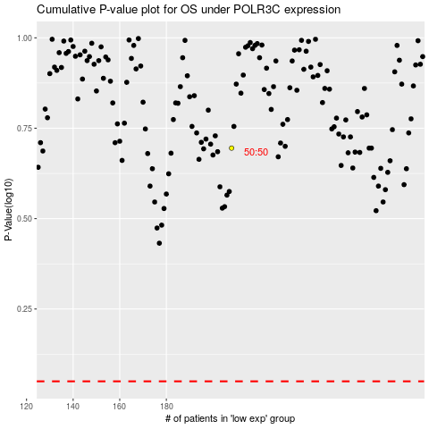

 |  |  |  |  |  | cases_OS | p_OS | rank | exp
 |  |  |  |  |  |  | cases_RFS | p_RFS | rank | exp

