POLR3D _multivariate
Reported by Tex Li-Hsing Chi. tex@gate.sinica.edu.tw 2019-08-16

Table 2. The clinicopathological features of HNSCC cohort and POLR3D expression. (Chi square test)
Cutoff at -0.169 (49.8%)
 |  | POLR3D expression |  | POLR3D expression |  | (Optimised)
 | Features | Low | (%) | High | (%) | Case no | P-value | Remark | Matthews
Gender | Female | 142 | 34.2 | 164 | 39.5 | 415 | 0.0238 | 1 | 0
2 | Male | 65 | 15.7 | 44 | 10.6
Age at diagnosis | <=65y | 137 | 33 | 137 | 33 | 415 | 1 | 0 | 0
4 | >65y | 70 | 16.9 | 71 | 17.1
Clinical T Status | T1+T2 | 79 | 19 | 70 | 16.9 | 415 | 0.3924 | 0 | 0
6 | T3+T4 | 128 | 30.8 | 138 | 33.3
Clinical N Status | N0 | 113 | 27.2 | 103 | 24.8 | 415 | 0.3495 | 1 | 0
8 | N1-3 | 94 | 22.7 | 105 | 25.3
Clinical M Status | M0 | 205 | 49.4 | 207 | 49.9 | 415 | 0.6232 | 0 | 0
10 | M1 | 2 | 0.5 | 1 | 0.2
Clinical Stage | Stage I+II | 57 | 13.7 | 45 | 10.8 | 415 | 0.1998 | 0 | 0
12 | Stage III+IV | 150 | 36.1 | 163 | 39.3
Surgical Margin status | Negative | 155 | 37.3 | 163 | 39.3 | 415 | 0.4187 | 0 | 0
14 | Positive | 52 | 12.5 | 45 | 10.8
Tobacco Exposure | Low | 97 | 23.4 | 64 | 15.4 | 415 | 9e-04 | 1 | 0
16 | High | 110 | 26.5 | 144 | 34.7

Table 3. Univariate/Multivariate Cox's proportional hazards regression analyses on OS time of POLR3D gene expression in HNSCC

 |  | Univariate |  |  |  | Multivariate
 | Features | HR | CI95%(L) | CI95%(H) | P-value | HR | CI95%(L) | CI95%(H) | P-value
1 | Female | 1 |  |  |  | 1
Gender | Male | 1.157 | 0.843 | 1.587 | 0.367 | 1.191 | 0.853 | 1.663 | 0.304
11 | <=65y | 1 |  |  |  | 1
Age at diagnosis | >65y | 1.329 | 0.99 | 1.784 | 0.058 | 1.408 | 1.035 | 1.913 | 0.029
12 | T1+T2 | 1 |  |  |  | 1
Clinical T Status | T3+T4 | 1.409 | 1.028 | 1.931 | 0.033 | 2.183 | 1.155 | 4.129 | 0.016
13 | N0 | 1 |  |  |  | 1
Clinical N Status | N1-3 | 1.185 | 0.89 | 1.577 | 0.246 | 1.242 | 0.871 | 1.773 | 0.232
14 | M0 | 1 |  |  |  | 1
Clinical M Status | M1 | 4.097 | 1.009 | 16.644 | 0.049 | 9.103 | 1.983 | 41.781 | 0.005
15 | Stage I+II | 1 |  |  |  | 1
Clinical Stage | Stage III+IV | 1.245 | 0.882 | 1.759 | 0.213 | 0.517 | 0.24 | 1.11 | 0.091
16 | Negative | 1 |  |  |  | 1
Surgical Margin status | Positive | 1.591 | 1.155 | 2.191 | 0.004 | 1.669 | 1.208 | 2.307 | 0.002
17 | Low | 1 |  |  |  | 1
Tobacco Exposure | High | 1.364 | 1.008 | 1.844 | 0.044 | 1.474 | 1.069 | 2.032 | 0.018
18 | Low | 1 |  |  |  | 1
RNAseq(z-score) | High | 0.899 | 0.675 | 1.198 | 0.467 | 0.852 | 0.638 | 1.139 | 0.28

Table 4. Univariate/Multivariate Cox's proportional hazards regression analyses on RFS time of POLR3D gene expression in HNSCC

 |  | Univariate |  |  |  | Multivariate
 | Features | HR | CI95%(L) | CI95%(H) | P-value | HR | CI95%(L) | CI95%(H) | P-value
1 | Female | 1 |  |  |  | 1
Gender | Male | 1.157 | 0.843 | 1.587 | 0.367 | 1.191 | 0.853 | 1.663 | 0.304
11 | <=65y | 1 |  |  |  | 1
Age at diagnosis | >65y | 1.329 | 0.99 | 1.784 | 0.058 | 1.408 | 1.035 | 1.913 | 0.029
12 | T1+T2 | 1 |  |  |  | 1
Clinical T Status | T3+T4 | 1.409 | 1.028 | 1.931 | 0.033 | 2.183 | 1.155 | 4.129 | 0.016
13 | N0 | 1 |  |  |  | 1
Clinical N Status | N1-3 | 1.185 | 0.89 | 1.577 | 0.246 | 1.242 | 0.871 | 1.773 | 0.232
14 | M0 | 1 |  |  |  | 1
Clinical M Status | M1 | 4.097 | 1.009 | 16.644 | 0.049 | 9.103 | 1.983 | 41.781 | 0.005
15 | Stage I+II | 1 |  |  |  | 1
Clinical Stage | Stage III+IV | 1.245 | 0.882 | 1.759 | 0.213 | 0.517 | 0.24 | 1.11 | 0.091
16 | Negative | 1 |  |  |  | 1
Surgical Margin status | Positive | 1.591 | 1.155 | 2.191 | 0.004 | 1.669 | 1.208 | 2.307 | 0.002
17 | Low | 1 |  |  |  | 1
Tobacco Exposure | High | 1.364 | 1.008 | 1.844 | 0.044 | 1.474 | 1.069 | 2.032 | 0.018
18 | Low | 1 |  |  |  | 1
RNAseq(z-score) | High | 0.899 | 0.675 | 1.198 | 0.467 | 0.852 | 0.638 | 1.139 | 0.28

Kaplan-Meier survival estimate: Cutoff at -0.169 (49.8%)



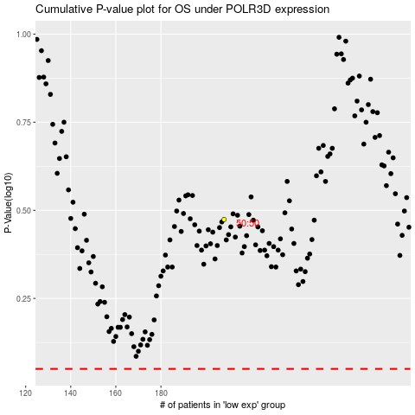

 |  |  |  |  |  | cases_OS | p_OS | rank | exp
 |  |  |  |  |  |  | cases_RFS | p_RFS | rank | exp

