POLR3E _multivariate
Reported by Tex Li-Hsing Chi. tex@gate.sinica.edu.tw 2019-08-16

Table 2. The clinicopathological features of HNSCC cohort and POLR3E expression. (Chi square test)
Cutoff at -0.058 (49.8%)
 |  | POLR3E expression |  | POLR3E expression |  | (Optimised)
 | Features | Low | (%) | High | (%) | Case no | P-value | Remark | Matthews
Gender | Female | 135 | 32.5 | 171 | 41.2 | 415 | 1e-04 | 1 | 0
2 | Male | 72 | 17.3 | 37 | 8.9
Age at diagnosis | <=65y | 127 | 30.6 | 147 | 35.4 | 415 | 0.0573 | 0 | 0
4 | >65y | 80 | 19.3 | 61 | 14.7
Clinical T Status | T1+T2 | 87 | 21 | 62 | 14.9 | 415 | 0.0127 | 1 | 0
6 | T3+T4 | 120 | 28.9 | 146 | 35.2
Clinical N Status | N0 | 106 | 25.5 | 110 | 26.5 | 415 | 0.8075 | 0 | 0
8 | N1-3 | 101 | 24.3 | 98 | 23.6
Clinical M Status | M0 | 206 | 49.6 | 206 | 49.6 | 415 | 1 | 0 | 0
10 | M1 | 1 | 0.2 | 2 | 0.5
Clinical Stage | Stage I+II | 61 | 14.7 | 41 | 9.9 | 415 | 0.0282 | 1 | 0
12 | Stage III+IV | 146 | 35.2 | 167 | 40.2
Surgical Margin status | Negative | 162 | 39 | 156 | 37.6 | 415 | 0.4867 | 0 | 0
14 | Positive | 45 | 10.8 | 52 | 12.5
Tobacco Exposure | Low | 95 | 22.9 | 66 | 15.9 | 415 | 0.0035 | 1 | 0
16 | High | 112 | 27 | 142 | 34.2

Table 3. Univariate/Multivariate Cox's proportional hazards regression analyses on OS time of POLR3E gene expression in HNSCC

 |  | Univariate |  |  |  | Multivariate
 | Features | HR | CI95%(L) | CI95%(H) | P-value | HR | CI95%(L) | CI95%(H) | P-value
1 | Female | 1 |  |  |  | 1
Gender | Male | 1.157 | 0.843 | 1.587 | 0.367 | 1.201 | 0.857 | 1.684 | 0.288
11 | <=65y | 1 |  |  |  | 1
Age at diagnosis | >65y | 1.329 | 0.99 | 1.784 | 0.058 | 1.391 | 1.022 | 1.893 | 0.036
12 | T1+T2 | 1 |  |  |  | 1
Clinical T Status | T3+T4 | 1.409 | 1.028 | 1.931 | 0.033 | 2.203 | 1.164 | 4.17 | 0.015
13 | N0 | 1 |  |  |  | 1
Clinical N Status | N1-3 | 1.185 | 0.89 | 1.577 | 0.246 | 1.24 | 0.868 | 1.772 | 0.236
14 | M0 | 1 |  |  |  | 1
Clinical M Status | M1 | 4.097 | 1.009 | 16.644 | 0.049 | 9.411 | 2.052 | 43.165 | 0.004
15 | Stage I+II | 1 |  |  |  | 1
Clinical Stage | Stage III+IV | 1.245 | 0.882 | 1.759 | 0.213 | 0.505 | 0.235 | 1.084 | 0.08
16 | Negative | 1 |  |  |  | 1
Surgical Margin status | Positive | 1.591 | 1.155 | 2.191 | 0.004 | 1.672 | 1.207 | 2.317 | 0.002
17 | Low | 1 |  |  |  | 1
Tobacco Exposure | High | 1.364 | 1.008 | 1.844 | 0.044 | 1.453 | 1.054 | 2.004 | 0.023
18 | Low | 1 |  |  |  | 1
RNAseq(z-score) | High | 1.066 | 0.799 | 1.422 | 0.665 | 0.996 | 0.736 | 1.349 | 0.982

Table 4. Univariate/Multivariate Cox's proportional hazards regression analyses on RFS time of POLR3E gene expression in HNSCC

 |  | Univariate |  |  |  | Multivariate
 | Features | HR | CI95%(L) | CI95%(H) | P-value | HR | CI95%(L) | CI95%(H) | P-value
1 | Female | 1 |  |  |  | 1
Gender | Male | 1.157 | 0.843 | 1.587 | 0.367 | 1.201 | 0.857 | 1.684 | 0.288
11 | <=65y | 1 |  |  |  | 1
Age at diagnosis | >65y | 1.329 | 0.99 | 1.784 | 0.058 | 1.391 | 1.022 | 1.893 | 0.036
12 | T1+T2 | 1 |  |  |  | 1
Clinical T Status | T3+T4 | 1.409 | 1.028 | 1.931 | 0.033 | 2.203 | 1.164 | 4.17 | 0.015
13 | N0 | 1 |  |  |  | 1
Clinical N Status | N1-3 | 1.185 | 0.89 | 1.577 | 0.246 | 1.24 | 0.868 | 1.772 | 0.236
14 | M0 | 1 |  |  |  | 1
Clinical M Status | M1 | 4.097 | 1.009 | 16.644 | 0.049 | 9.411 | 2.052 | 43.165 | 0.004
15 | Stage I+II | 1 |  |  |  | 1
Clinical Stage | Stage III+IV | 1.245 | 0.882 | 1.759 | 0.213 | 0.505 | 0.235 | 1.084 | 0.08
16 | Negative | 1 |  |  |  | 1
Surgical Margin status | Positive | 1.591 | 1.155 | 2.191 | 0.004 | 1.672 | 1.207 | 2.317 | 0.002
17 | Low | 1 |  |  |  | 1
Tobacco Exposure | High | 1.364 | 1.008 | 1.844 | 0.044 | 1.453 | 1.054 | 2.004 | 0.023
18 | Low | 1 |  |  |  | 1
RNAseq(z-score) | High | 1.066 | 0.799 | 1.422 | 0.665 | 0.996 | 0.736 | 1.349 | 0.982

Kaplan-Meier survival estimate: Cutoff at -0.058 (49.8%)



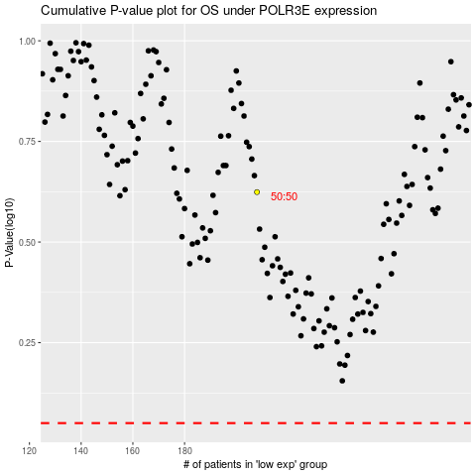

 |  |  |  |  |  | cases_OS | p_OS | rank | exp
 |  |  |  |  |  |  | cases_RFS | p_RFS | rank | exp

