POLR3F _multivariate
Reported by Tex Li-Hsing Chi. tex@gate.sinica.edu.tw 2019-08-16

Table 2. The clinicopathological features of HNSCC cohort and POLR3F expression. (Chi square test)
Cutoff at -0.242 (50.0%)
 |  | POLR3F expression |  | POLR3F expression |  | (Optimised)
 | Features | Low | (%) | High | (%) | Case no | P-value | Remark | Matthews
Gender | Female | 149 | 35.9 | 157 | 37.8 | 415 | 0.4848 | 0 | 0
2 | Male | 58 | 14 | 51 | 12.3
Age at diagnosis | <=65y | 123 | 29.6 | 151 | 36.4 | 415 | 0.0063 | 1 | 0
4 | >65y | 84 | 20.2 | 57 | 13.7
Clinical T Status | T1+T2 | 71 | 17.1 | 78 | 18.8 | 415 | 0.5638 | 0 | 0
6 | T3+T4 | 136 | 32.8 | 130 | 31.3
Clinical N Status | N0 | 117 | 28.2 | 99 | 23.9 | 415 | 0.0852 | 1 | 0
8 | N1-3 | 90 | 21.7 | 109 | 26.3
Clinical M Status | M0 | 206 | 49.6 | 206 | 49.6 | 415 | 1 | 0 | 0
10 | M1 | 1 | 0.2 | 2 | 0.5
Clinical Stage | Stage I+II | 49 | 11.8 | 53 | 12.8 | 415 | 0.7535 | 0 | 0
12 | Stage III+IV | 158 | 38.1 | 155 | 37.3
Surgical Margin status | Negative | 165 | 39.8 | 153 | 36.9 | 415 | 0.1639 | 0 | 0
14 | Positive | 42 | 10.1 | 55 | 13.3
Tobacco Exposure | Low | 78 | 18.8 | 83 | 20 | 415 | 0.6873 | 0 | 0
16 | High | 129 | 31.1 | 125 | 30.1

Table 3. Univariate/Multivariate Cox's proportional hazards regression analyses on OS time of POLR3F gene expression in HNSCC

 |  | Univariate |  |  |  | Multivariate
 | Features | HR | CI95%(L) | CI95%(H) | P-value | HR | CI95%(L) | CI95%(H) | P-value
1 | Female | 1 |  |  |  | 1
Gender | Male | 1.157 | 0.843 | 1.587 | 0.367 | 1.202 | 0.86 | 1.679 | 0.281
11 | <=65y | 1 |  |  |  | 1
Age at diagnosis | >65y | 1.329 | 0.99 | 1.784 | 0.058 | 1.386 | 1.019 | 1.886 | 0.038
12 | T1+T2 | 1 |  |  |  | 1
Clinical T Status | T3+T4 | 1.409 | 1.028 | 1.931 | 0.033 | 2.203 | 1.165 | 4.165 | 0.015
13 | N0 | 1 |  |  |  | 1
Clinical N Status | N1-3 | 1.185 | 0.89 | 1.577 | 0.246 | 1.25 | 0.875 | 1.787 | 0.221
14 | M0 | 1 |  |  |  | 1
Clinical M Status | M1 | 4.097 | 1.009 | 16.644 | 0.049 | 9.45 | 2.061 | 43.321 | 0.004
15 | Stage I+II | 1 |  |  |  | 1
Clinical Stage | Stage III+IV | 1.245 | 0.882 | 1.759 | 0.213 | 0.502 | 0.234 | 1.078 | 0.077
16 | Negative | 1 |  |  |  | 1
Surgical Margin status | Positive | 1.591 | 1.155 | 2.191 | 0.004 | 1.677 | 1.213 | 2.318 | 0.002
17 | Low | 1 |  |  |  | 1
Tobacco Exposure | High | 1.364 | 1.008 | 1.844 | 0.044 | 1.452 | 1.053 | 2.001 | 0.023
18 | Low | 1 |  |  |  | 1
RNAseq(z-score) | High | 0.964 | 0.723 | 1.284 | 0.8 | 0.944 | 0.706 | 1.262 | 0.697

Table 4. Univariate/Multivariate Cox's proportional hazards regression analyses on RFS time of POLR3F gene expression in HNSCC

 |  | Univariate |  |  |  | Multivariate
 | Features | HR | CI95%(L) | CI95%(H) | P-value | HR | CI95%(L) | CI95%(H) | P-value
1 | Female | 1 |  |  |  | 1
Gender | Male | 1.157 | 0.843 | 1.587 | 0.367 | 1.202 | 0.86 | 1.679 | 0.281
11 | <=65y | 1 |  |  |  | 1
Age at diagnosis | >65y | 1.329 | 0.99 | 1.784 | 0.058 | 1.386 | 1.019 | 1.886 | 0.038
12 | T1+T2 | 1 |  |  |  | 1
Clinical T Status | T3+T4 | 1.409 | 1.028 | 1.931 | 0.033 | 2.203 | 1.165 | 4.165 | 0.015
13 | N0 | 1 |  |  |  | 1
Clinical N Status | N1-3 | 1.185 | 0.89 | 1.577 | 0.246 | 1.25 | 0.875 | 1.787 | 0.221
14 | M0 | 1 |  |  |  | 1
Clinical M Status | M1 | 4.097 | 1.009 | 16.644 | 0.049 | 9.45 | 2.061 | 43.321 | 0.004
15 | Stage I+II | 1 |  |  |  | 1
Clinical Stage | Stage III+IV | 1.245 | 0.882 | 1.759 | 0.213 | 0.502 | 0.234 | 1.078 | 0.077
16 | Negative | 1 |  |  |  | 1
Surgical Margin status | Positive | 1.591 | 1.155 | 2.191 | 0.004 | 1.677 | 1.213 | 2.318 | 0.002
17 | Low | 1 |  |  |  | 1
Tobacco Exposure | High | 1.364 | 1.008 | 1.844 | 0.044 | 1.452 | 1.053 | 2.001 | 0.023
18 | Low | 1 |  |  |  | 1
RNAseq(z-score) | High | 0.964 | 0.723 | 1.284 | 0.8 | 0.944 | 0.706 | 1.262 | 0.697

Kaplan-Meier survival estimate: Cutoff at -0.242 (50.0%)



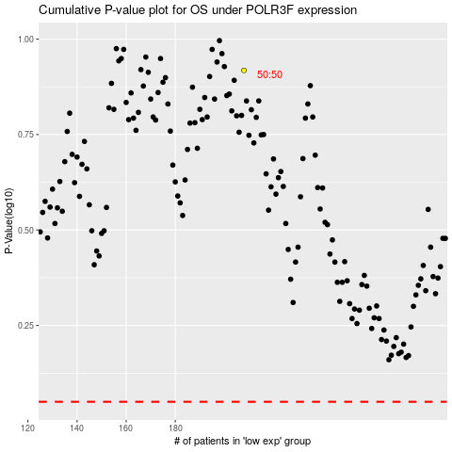

 |  |  |  |  |  | cases_OS | p_OS | rank | exp
 |  |  |  |  |  |  | cases_RFS | p_RFS | rank | exp

