POLR3K _multivariate
Reported by Tex Li-Hsing Chi. tex@gate.sinica.edu.tw 2019-08-16

Table 2. The clinicopathological features of HNSCC cohort and POLR3K expression. (Chi square test)
Cutoff at -0.224 (49.8%)
 |  | POLR3K expression |  | POLR3K expression |  | (Optimised)
 | Features | Low | (%) | High | (%) | Case no | P-value | Remark | Matthews
Gender | Female | 141 | 34 | 165 | 39.8 | 415 | 0.013 | 1 | 0
2 | Male | 66 | 15.9 | 43 | 10.4
Age at diagnosis | <=65y | 127 | 30.6 | 147 | 35.4 | 415 | 0.0573 | 0 | 0
4 | >65y | 80 | 19.3 | 61 | 14.7
Clinical T Status | T1+T2 | 73 | 17.6 | 76 | 18.3 | 415 | 0.8666 | 0 | 0
6 | T3+T4 | 134 | 32.3 | 132 | 31.8
Clinical N Status | N0 | 111 | 26.7 | 105 | 25.3 | 415 | 0.5875 | 0 | 0
8 | N1-3 | 96 | 23.1 | 103 | 24.8
Clinical M Status | M0 | 207 | 49.9 | 205 | 49.4 | 415 | 0.2482 | 0 | 0
10 | M1 | 0 | 0 | 3 | 0.7
Clinical Stage | Stage I+II | 55 | 13.3 | 47 | 11.3 | 415 | 0.4087 | 0 | 0
12 | Stage III+IV | 152 | 36.6 | 161 | 38.8
Surgical Margin status | Negative | 168 | 40.5 | 150 | 36.1 | 415 | 0.0366 | 1 | 0
14 | Positive | 39 | 9.4 | 58 | 14
Tobacco Exposure | Low | 92 | 22.2 | 69 | 16.6 | 415 | 0.0206 | 1 | 0
16 | High | 115 | 27.7 | 139 | 33.5

Table 3. Univariate/Multivariate Cox's proportional hazards regression analyses on OS time of POLR3K gene expression in HNSCC

 |  | Univariate |  |  |  | Multivariate
 | Features | HR | CI95%(L) | CI95%(H) | P-value | HR | CI95%(L) | CI95%(H) | P-value
1 | Female | 1 |  |  |  | 1
Gender | Male | 1.157 | 0.843 | 1.587 | 0.367 | 1.201 | 0.858 | 1.681 | 0.286
11 | <=65y | 1 |  |  |  | 1
Age at diagnosis | >65y | 1.329 | 0.99 | 1.784 | 0.058 | 1.391 | 1.022 | 1.893 | 0.036
12 | T1+T2 | 1 |  |  |  | 1
Clinical T Status | T3+T4 | 1.409 | 1.028 | 1.931 | 0.033 | 2.202 | 1.164 | 4.164 | 0.015
13 | N0 | 1 |  |  |  | 1
Clinical N Status | N1-3 | 1.185 | 0.89 | 1.577 | 0.246 | 1.24 | 0.868 | 1.771 | 0.236
14 | M0 | 1 |  |  |  | 1
Clinical M Status | M1 | 4.097 | 1.009 | 16.644 | 0.049 | 9.433 | 2.045 | 43.524 | 0.004
15 | Stage I+II | 1 |  |  |  | 1
Clinical Stage | Stage III+IV | 1.245 | 0.882 | 1.759 | 0.213 | 0.505 | 0.235 | 1.083 | 0.079
16 | Negative | 1 |  |  |  | 1
Surgical Margin status | Positive | 1.591 | 1.155 | 2.191 | 0.004 | 1.673 | 1.206 | 2.322 | 0.002
17 | Low | 1 |  |  |  | 1
Tobacco Exposure | High | 1.364 | 1.008 | 1.844 | 0.044 | 1.454 | 1.054 | 2.004 | 0.022
18 | Low | 1 |  |  |  | 1
RNAseq(z-score) | High | 1.024 | 0.769 | 1.363 | 0.871 | 0.994 | 0.738 | 1.339 | 0.969

Table 4. Univariate/Multivariate Cox's proportional hazards regression analyses on RFS time of POLR3K gene expression in HNSCC

 |  | Univariate |  |  |  | Multivariate
 | Features | HR | CI95%(L) | CI95%(H) | P-value | HR | CI95%(L) | CI95%(H) | P-value
1 | Female | 1 |  |  |  | 1
Gender | Male | 1.157 | 0.843 | 1.587 | 0.367 | 1.201 | 0.858 | 1.681 | 0.286
11 | <=65y | 1 |  |  |  | 1
Age at diagnosis | >65y | 1.329 | 0.99 | 1.784 | 0.058 | 1.391 | 1.022 | 1.893 | 0.036
12 | T1+T2 | 1 |  |  |  | 1
Clinical T Status | T3+T4 | 1.409 | 1.028 | 1.931 | 0.033 | 2.202 | 1.164 | 4.164 | 0.015
13 | N0 | 1 |  |  |  | 1
Clinical N Status | N1-3 | 1.185 | 0.89 | 1.577 | 0.246 | 1.24 | 0.868 | 1.771 | 0.236
14 | M0 | 1 |  |  |  | 1
Clinical M Status | M1 | 4.097 | 1.009 | 16.644 | 0.049 | 9.433 | 2.045 | 43.524 | 0.004
15 | Stage I+II | 1 |  |  |  | 1
Clinical Stage | Stage III+IV | 1.245 | 0.882 | 1.759 | 0.213 | 0.505 | 0.235 | 1.083 | 0.079
16 | Negative | 1 |  |  |  | 1
Surgical Margin status | Positive | 1.591 | 1.155 | 2.191 | 0.004 | 1.673 | 1.206 | 2.322 | 0.002
17 | Low | 1 |  |  |  | 1
Tobacco Exposure | High | 1.364 | 1.008 | 1.844 | 0.044 | 1.454 | 1.054 | 2.004 | 0.022
18 | Low | 1 |  |  |  | 1
RNAseq(z-score) | High | 1.024 | 0.769 | 1.363 | 0.871 | 0.994 | 0.738 | 1.339 | 0.969

Kaplan-Meier survival estimate: Cutoff at -0.224 (49.8%)



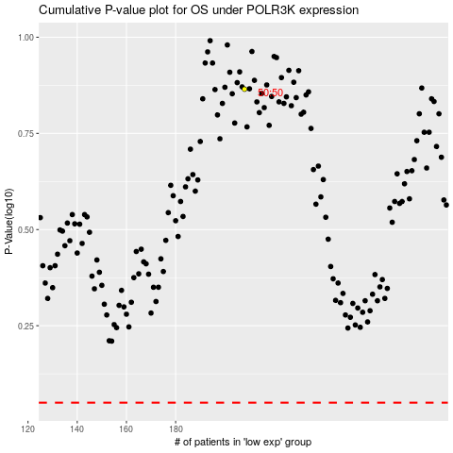

 |  |  |  |  |  | cases_OS | p_OS | rank | exp
 |  |  |  |  |  |  | cases_RFS | p_RFS | rank | exp

