POM121 _multivariate
Reported by Tex Li-Hsing Chi. tex@gate.sinica.edu.tw 2019-08-16

Table 2. The clinicopathological features of HNSCC cohort and POM121 expression. (Chi square test)
Cutoff at 0.188 (64.5%)
 |  | POM121 expression |  | POM121 expression |  | (Optimised)
 | Features | Low | (%) | High | (%) | Case no | P-value | Remark | Matthews
Gender | Female | 193 | 46.5 | 113 | 27.2 | 415 | 0.3378 | 0 | 0
2 | Male | 75 | 18.1 | 34 | 8.2
Age at diagnosis | <=65y | 178 | 42.9 | 96 | 23.1 | 415 | 0.9042 | 0 | 0
4 | >65y | 90 | 21.7 | 51 | 12.3
Clinical T Status | T1+T2 | 106 | 25.5 | 43 | 10.4 | 415 | 0.0471 | 1 | 0
6 | T3+T4 | 162 | 39 | 104 | 25.1
Clinical N Status | N0 | 140 | 33.7 | 76 | 18.3 | 415 | 0.9982 | 0 | 0
8 | N1-3 | 128 | 30.8 | 71 | 17.1
Clinical M Status | M0 | 266 | 64.1 | 146 | 35.2 | 415 | 1 | 0 | 0
10 | M1 | 2 | 0.5 | 1 | 0.2
Clinical Stage | Stage I+II | 71 | 17.1 | 31 | 7.5 | 415 | 0.2697 | 0 | 0
12 | Stage III+IV | 197 | 47.5 | 116 | 28
Surgical Margin status | Negative | 200 | 48.2 | 118 | 28.4 | 415 | 0.2255 | 0 | 0
14 | Positive | 68 | 16.4 | 29 | 7
Tobacco Exposure | Low | 119 | 28.7 | 42 | 10.1 | 415 | 0.0016 | 1 | 0
16 | High | 149 | 35.9 | 105 | 25.3

Table 3. Univariate/Multivariate Cox's proportional hazards regression analyses on OS time of POM121 gene expression in HNSCC

 |  | Univariate |  |  |  | Multivariate
 | Features | HR | CI95%(L) | CI95%(H) | P-value | HR | CI95%(L) | CI95%(H) | P-value
1 | Female | 1 |  |  |  | 1
Gender | Male | 1.157 | 0.843 | 1.587 | 0.367 | 1.214 | 0.87 | 1.695 | 0.253
11 | <=65y | 1 |  |  |  | 1
Age at diagnosis | >65y | 1.329 | 0.99 | 1.784 | 0.058 | 1.395 | 1.027 | 1.896 | 0.033
12 | T1+T2 | 1 |  |  |  | 1
Clinical T Status | T3+T4 | 1.409 | 1.028 | 1.931 | 0.033 | 2.116 | 1.117 | 4.008 | 0.021
13 | N0 | 1 |  |  |  | 1
Clinical N Status | N1-3 | 1.185 | 0.89 | 1.577 | 0.246 | 1.232 | 0.862 | 1.76 | 0.252
14 | M0 | 1 |  |  |  | 1
Clinical M Status | M1 | 4.097 | 1.009 | 16.644 | 0.049 | 9.608 | 2.095 | 44.055 | 0.004
15 | Stage I+II | 1 |  |  |  | 1
Clinical Stage | Stage III+IV | 1.245 | 0.882 | 1.759 | 0.213 | 0.513 | 0.239 | 1.103 | 0.087
16 | Negative | 1 |  |  |  | 1
Surgical Margin status | Positive | 1.591 | 1.155 | 2.191 | 0.004 | 1.716 | 1.24 | 2.374 | 0.001
17 | Low | 1 |  |  |  | 1
Tobacco Exposure | High | 1.364 | 1.008 | 1.844 | 0.044 | 1.414 | 1.026 | 1.948 | 0.034
18 | Low | 1 |  |  |  | 1
RNAseq(z-score) | High | 1.346 | 1.006 | 1.8 | 0.046 | 1.334 | 0.991 | 1.794 | 0.057

Table 4. Univariate/Multivariate Cox's proportional hazards regression analyses on RFS time of POM121 gene expression in HNSCC

 |  | Univariate |  |  |  | Multivariate
 | Features | HR | CI95%(L) | CI95%(H) | P-value | HR | CI95%(L) | CI95%(H) | P-value
1 | Female | 1 |  |  |  | 1
Gender | Male | 1.157 | 0.843 | 1.587 | 0.367 | 1.214 | 0.87 | 1.695 | 0.253
11 | <=65y | 1 |  |  |  | 1
Age at diagnosis | >65y | 1.329 | 0.99 | 1.784 | 0.058 | 1.395 | 1.027 | 1.896 | 0.033
12 | T1+T2 | 1 |  |  |  | 1
Clinical T Status | T3+T4 | 1.409 | 1.028 | 1.931 | 0.033 | 2.116 | 1.117 | 4.008 | 0.021
13 | N0 | 1 |  |  |  | 1
Clinical N Status | N1-3 | 1.185 | 0.89 | 1.577 | 0.246 | 1.232 | 0.862 | 1.76 | 0.252
14 | M0 | 1 |  |  |  | 1
Clinical M Status | M1 | 4.097 | 1.009 | 16.644 | 0.049 | 9.608 | 2.095 | 44.055 | 0.004
15 | Stage I+II | 1 |  |  |  | 1
Clinical Stage | Stage III+IV | 1.245 | 0.882 | 1.759 | 0.213 | 0.513 | 0.239 | 1.103 | 0.087
16 | Negative | 1 |  |  |  | 1
Surgical Margin status | Positive | 1.591 | 1.155 | 2.191 | 0.004 | 1.716 | 1.24 | 2.374 | 0.001
17 | Low | 1 |  |  |  | 1
Tobacco Exposure | High | 1.364 | 1.008 | 1.844 | 0.044 | 1.414 | 1.026 | 1.948 | 0.034
18 | Low | 1 |  |  |  | 1
RNAseq(z-score) | High | 1.346 | 1.006 | 1.8 | 0.046 | 1.334 | 0.991 | 1.794 | 0.057

Kaplan-Meier survival estimate: Cutoff at 0.188 (64.5%)



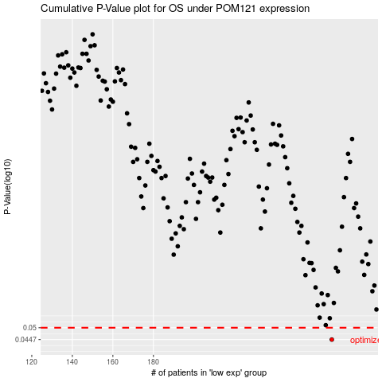

 |  |  |  |  |  | cases_OS | p_OS | rank | exp
 |  |  |  |  |  | 268 | 0.0447 | 216 | 0.18816326152
 |  |  |  |  |  |  | cases_RFS | p_RFS | rank | exp
 |  |  |  |  |  |  | 267 | 0.0447 | 119 | 0.18635800831

