POM121C _multivariate
Reported by Tex Li-Hsing Chi. tex@gate.sinica.edu.tw 2019-08-16

Table 2. The clinicopathological features of HNSCC cohort and POM121C expression. (Chi square test)
Cutoff at -0.18 (46.9%)
 |  | POM121C expression |  | POM121C expression |  | (Optimised)
 | Features | Low | (%) | High | (%) | Case no | P-value | Remark | Matthews
Gender | Female | 142 | 34.2 | 164 | 39.5 | 415 | 0.7743 | 0 | 0
2 | Male | 53 | 12.8 | 56 | 13.5
Age at diagnosis | <=65y | 133 | 32 | 141 | 34 | 415 | 0.4358 | 0 | 0
4 | >65y | 62 | 14.9 | 79 | 19
Clinical T Status | T1+T2 | 83 | 20 | 66 | 15.9 | 415 | 0.0105 | 1 | 0
6 | T3+T4 | 112 | 27 | 154 | 37.1
Clinical N Status | N0 | 105 | 25.3 | 111 | 26.7 | 415 | 0.554 | 0 | 0
8 | N1-3 | 90 | 21.7 | 109 | 26.3
Clinical M Status | M0 | 193 | 46.5 | 219 | 52.8 | 415 | 0.6028 | 0 | 0
10 | M1 | 2 | 0.5 | 1 | 0.2
Clinical Stage | Stage I+II | 55 | 13.3 | 47 | 11.3 | 415 | 0.1333 | 0 | 0
12 | Stage III+IV | 140 | 33.7 | 173 | 41.7
Surgical Margin status | Negative | 142 | 34.2 | 176 | 42.4 | 415 | 0.1035 | 0 | 0
14 | Positive | 53 | 12.8 | 44 | 10.6
Tobacco Exposure | Low | 84 | 20.2 | 77 | 18.6 | 415 | 0.1064 | 0 | 0
16 | High | 111 | 26.7 | 143 | 34.5

Table 3. Univariate/Multivariate Cox's proportional hazards regression analyses on OS time of POM121C gene expression in HNSCC

 |  | Univariate |  |  |  | Multivariate
 | Features | HR | CI95%(L) | CI95%(H) | P-value | HR | CI95%(L) | CI95%(H) | P-value
1 | Female | 1 |  |  |  | 1
Gender | Male | 1.157 | 0.843 | 1.587 | 0.367 | 1.222 | 0.876 | 1.705 | 0.238
11 | <=65y | 1 |  |  |  | 1
Age at diagnosis | >65y | 1.329 | 0.99 | 1.784 | 0.058 | 1.379 | 1.015 | 1.875 | 0.04
12 | T1+T2 | 1 |  |  |  | 1
Clinical T Status | T3+T4 | 1.409 | 1.028 | 1.931 | 0.033 | 2.095 | 1.106 | 3.969 | 0.023
13 | N0 | 1 |  |  |  | 1
Clinical N Status | N1-3 | 1.185 | 0.89 | 1.577 | 0.246 | 1.229 | 0.861 | 1.755 | 0.255
14 | M0 | 1 |  |  |  | 1
Clinical M Status | M1 | 4.097 | 1.009 | 16.644 | 0.049 | 10.081 | 2.196 | 46.276 | 0.003
15 | Stage I+II | 1 |  |  |  | 1
Clinical Stage | Stage III+IV | 1.245 | 0.882 | 1.759 | 0.213 | 0.52 | 0.242 | 1.118 | 0.094
16 | Negative | 1 |  |  |  | 1
Surgical Margin status | Positive | 1.591 | 1.155 | 2.191 | 0.004 | 1.715 | 1.24 | 2.372 | 0.001
17 | Low | 1 |  |  |  | 1
Tobacco Exposure | High | 1.364 | 1.008 | 1.844 | 0.044 | 1.439 | 1.045 | 1.981 | 0.026
18 | Low | 1 |  |  |  | 1
RNAseq(z-score) | High | 1.355 | 1.012 | 1.814 | 0.041 | 1.355 | 1.007 | 1.823 | 0.045

Table 4. Univariate/Multivariate Cox's proportional hazards regression analyses on RFS time of POM121C gene expression in HNSCC

 |  | Univariate |  |  |  | Multivariate
 | Features | HR | CI95%(L) | CI95%(H) | P-value | HR | CI95%(L) | CI95%(H) | P-value
1 | Female | 1 |  |  |  | 1
Gender | Male | 1.157 | 0.843 | 1.587 | 0.367 | 1.222 | 0.876 | 1.705 | 0.238
11 | <=65y | 1 |  |  |  | 1
Age at diagnosis | >65y | 1.329 | 0.99 | 1.784 | 0.058 | 1.379 | 1.015 | 1.875 | 0.04
12 | T1+T2 | 1 |  |  |  | 1
Clinical T Status | T3+T4 | 1.409 | 1.028 | 1.931 | 0.033 | 2.095 | 1.106 | 3.969 | 0.023
13 | N0 | 1 |  |  |  | 1
Clinical N Status | N1-3 | 1.185 | 0.89 | 1.577 | 0.246 | 1.229 | 0.861 | 1.755 | 0.255
14 | M0 | 1 |  |  |  | 1
Clinical M Status | M1 | 4.097 | 1.009 | 16.644 | 0.049 | 10.081 | 2.196 | 46.276 | 0.003
15 | Stage I+II | 1 |  |  |  | 1
Clinical Stage | Stage III+IV | 1.245 | 0.882 | 1.759 | 0.213 | 0.52 | 0.242 | 1.118 | 0.094
16 | Negative | 1 |  |  |  | 1
Surgical Margin status | Positive | 1.591 | 1.155 | 2.191 | 0.004 | 1.715 | 1.24 | 2.372 | 0.001
17 | Low | 1 |  |  |  | 1
Tobacco Exposure | High | 1.364 | 1.008 | 1.844 | 0.044 | 1.439 | 1.045 | 1.981 | 0.026
18 | Low | 1 |  |  |  | 1
RNAseq(z-score) | High | 1.355 | 1.012 | 1.814 | 0.041 | 1.355 | 1.007 | 1.823 | 0.045

Kaplan-Meier survival estimate: Cutoff at -0.18 (46.9%)

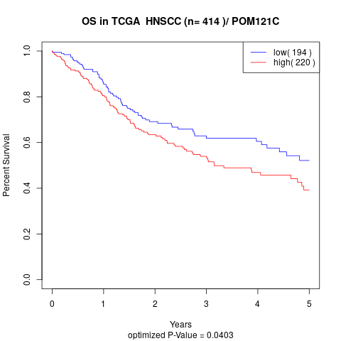

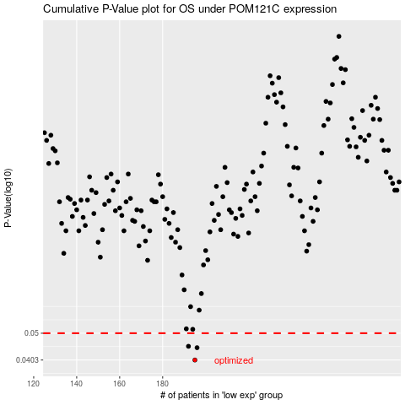

 |  |  |  |  |  | cases_OS | p_OS | rank | exp
 |  |  |  |  |  | 195 | 0.0403 | 256 | -0.18045554836
 |  |  |  |  |  | 196 | 0.0445 | 214 | -0.17914354939
 |  |  |  |  |  | 192 | 0.045 | 201 | -0.18826761236
 |  |  |  |  |  |  | cases_RFS | p_RFS | rank | exp
 |  |  |  |  |  |  | 194 | 0.0403 | 41 | -0.18410377863
 |  |  |  |  |  |  | 195 | 0.0445 | 256 | -0.18045554836
 |  |  |  |  |  |  | 191 | 0.045 | 341 | -0.19474236219

