POMT2 _multivariate
Reported by Tex Li-Hsing Chi. tex@gate.sinica.edu.tw 2019-08-16

Table 2. The clinicopathological features of HNSCC cohort and POMT2 expression. (Chi square test)
Cutoff at -0.013 (53.1%)
 |  | POMT2 expression |  | POMT2 expression |  | (Optimised)
 | Features | Low | (%) | High | (%) | Case no | P-value | Remark | Matthews
Gender | Female | 162 | 39 | 144 | 34.7 | 415 | 0.9191 | 0 | 0
2 | Male | 59 | 14.2 | 50 | 12
Age at diagnosis | <=65y | 137 | 33 | 137 | 33 | 415 | 0.0805 | 0 | 0
4 | >65y | 84 | 20.2 | 57 | 13.7
Clinical T Status | T1+T2 | 77 | 18.6 | 72 | 17.3 | 415 | 0.7048 | 0 | 0
6 | T3+T4 | 144 | 34.7 | 122 | 29.4
Clinical N Status | N0 | 116 | 28 | 100 | 24.1 | 415 | 0.9257 | 0 | 0
8 | N1-3 | 105 | 25.3 | 94 | 22.7
Clinical M Status | M0 | 220 | 53 | 192 | 46.3 | 415 | 0.6012 | 0 | 0
10 | M1 | 1 | 0.2 | 2 | 0.5
Clinical Stage | Stage I+II | 50 | 12 | 52 | 12.5 | 415 | 0.383 | 0 | 0
12 | Stage III+IV | 171 | 41.2 | 142 | 34.2
Surgical Margin status | Negative | 173 | 41.7 | 145 | 34.9 | 415 | 0.4173 | 0 | 0
14 | Positive | 48 | 11.6 | 49 | 11.8
Tobacco Exposure | Low | 86 | 20.7 | 75 | 18.1 | 415 | 1 | 0 | 0
16 | High | 135 | 32.5 | 119 | 28.7

Table 3. Univariate/Multivariate Cox's proportional hazards regression analyses on OS time of POMT2 gene expression in HNSCC

 |  | Univariate |  |  |  | Multivariate
 | Features | HR | CI95%(L) | CI95%(H) | P-value | HR | CI95%(L) | CI95%(H) | P-value
1 | Female | 1 |  |  |  | 1
Gender | Male | 1.157 | 0.843 | 1.587 | 0.367 | 1.201 | 0.858 | 1.68 | 0.286
11 | <=65y | 1 |  |  |  | 1
Age at diagnosis | >65y | 1.329 | 0.99 | 1.784 | 0.058 | 1.391 | 1.024 | 1.89 | 0.035
12 | T1+T2 | 1 |  |  |  | 1
Clinical T Status | T3+T4 | 1.409 | 1.028 | 1.931 | 0.033 | 2.169 | 1.147 | 4.102 | 0.017
13 | N0 | 1 |  |  |  | 1
Clinical N Status | N1-3 | 1.185 | 0.89 | 1.577 | 0.246 | 1.226 | 0.859 | 1.751 | 0.262
14 | M0 | 1 |  |  |  | 1
Clinical M Status | M1 | 4.097 | 1.009 | 16.644 | 0.049 | 9.016 | 1.965 | 41.376 | 0.005
15 | Stage I+II | 1 |  |  |  | 1
Clinical Stage | Stage III+IV | 1.245 | 0.882 | 1.759 | 0.213 | 0.518 | 0.241 | 1.112 | 0.092
16 | Negative | 1 |  |  |  | 1
Surgical Margin status | Positive | 1.591 | 1.155 | 2.191 | 0.004 | 1.661 | 1.202 | 2.296 | 0.002
17 | Low | 1 |  |  |  | 1
Tobacco Exposure | High | 1.364 | 1.008 | 1.844 | 0.044 | 1.434 | 1.04 | 1.977 | 0.028
18 | Low | 1 |  |  |  | 1
RNAseq(z-score) | High | 1.34 | 1.006 | 1.786 | 0.046 | 1.297 | 0.973 | 1.73 | 0.077

Table 4. Univariate/Multivariate Cox's proportional hazards regression analyses on RFS time of POMT2 gene expression in HNSCC

 |  | Univariate |  |  |  | Multivariate
 | Features | HR | CI95%(L) | CI95%(H) | P-value | HR | CI95%(L) | CI95%(H) | P-value
1 | Female | 1 |  |  |  | 1
Gender | Male | 1.157 | 0.843 | 1.587 | 0.367 | 1.201 | 0.858 | 1.68 | 0.286
11 | <=65y | 1 |  |  |  | 1
Age at diagnosis | >65y | 1.329 | 0.99 | 1.784 | 0.058 | 1.391 | 1.024 | 1.89 | 0.035
12 | T1+T2 | 1 |  |  |  | 1
Clinical T Status | T3+T4 | 1.409 | 1.028 | 1.931 | 0.033 | 2.169 | 1.147 | 4.102 | 0.017
13 | N0 | 1 |  |  |  | 1
Clinical N Status | N1-3 | 1.185 | 0.89 | 1.577 | 0.246 | 1.226 | 0.859 | 1.751 | 0.262
14 | M0 | 1 |  |  |  | 1
Clinical M Status | M1 | 4.097 | 1.009 | 16.644 | 0.049 | 9.016 | 1.965 | 41.376 | 0.005
15 | Stage I+II | 1 |  |  |  | 1
Clinical Stage | Stage III+IV | 1.245 | 0.882 | 1.759 | 0.213 | 0.518 | 0.241 | 1.112 | 0.092
16 | Negative | 1 |  |  |  | 1
Surgical Margin status | Positive | 1.591 | 1.155 | 2.191 | 0.004 | 1.661 | 1.202 | 2.296 | 0.002
17 | Low | 1 |  |  |  | 1
Tobacco Exposure | High | 1.364 | 1.008 | 1.844 | 0.044 | 1.434 | 1.04 | 1.977 | 0.028
18 | Low | 1 |  |  |  | 1
RNAseq(z-score) | High | 1.34 | 1.006 | 1.786 | 0.046 | 1.297 | 0.973 | 1.73 | 0.077

Kaplan-Meier survival estimate: Cutoff at -0.013 (53.1%)



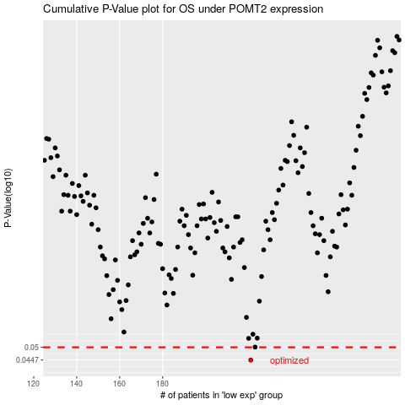

 |  |  |  |  |  | cases_OS | p_OS | rank | exp
 |  |  |  |  |  | 221 | 0.0447 | 325 | -0.012707344378
 |  |  |  |  |  |  | cases_RFS | p_RFS | rank | exp
 |  |  |  |  |  |  | 220 | 0.0447 | 89 | -0.021582947314

