POMZP3 _multivariate
Reported by Tex Li-Hsing Chi. tex@gate.sinica.edu.tw 2019-08-16

Table 2. The clinicopathological features of HNSCC cohort and POMZP3 expression. (Chi square test)
Cutoff at -0.182 (49.8%)
 |  | POMZP3 expression |  | POMZP3 expression |  | (Optimised)
 | Features | Low | (%) | High | (%) | Case no | P-value | Remark | Matthews
Gender | Female | 148 | 35.7 | 158 | 38.1 | 415 | 0.3567 | 0 | 0
2 | Male | 59 | 14.2 | 50 | 12
Age at diagnosis | <=65y | 136 | 32.8 | 138 | 33.3 | 415 | 0.9719 | 0 | 0
4 | >65y | 71 | 17.1 | 70 | 16.9
Clinical T Status | T1+T2 | 79 | 19 | 70 | 16.9 | 415 | 0.3924 | 0 | 0
6 | T3+T4 | 128 | 30.8 | 138 | 33.3
Clinical N Status | N0 | 99 | 23.9 | 117 | 28.2 | 415 | 0.1054 | 0 | 0
8 | N1-3 | 108 | 26 | 91 | 21.9
Clinical M Status | M0 | 205 | 49.4 | 207 | 49.9 | 415 | 0.6232 | 0 | 0
10 | M1 | 2 | 0.5 | 1 | 0.2
Clinical Stage | Stage I+II | 50 | 12 | 52 | 12.5 | 415 | 0.9315 | 0 | 0
12 | Stage III+IV | 157 | 37.8 | 156 | 37.6
Surgical Margin status | Negative | 157 | 37.8 | 161 | 38.8 | 415 | 0.729 | 0 | 0
14 | Positive | 50 | 12 | 47 | 11.3
Tobacco Exposure | Low | 87 | 21 | 74 | 17.8 | 415 | 0.1911 | 0 | 0
16 | High | 120 | 28.9 | 134 | 32.3

Table 3. Univariate/Multivariate Cox's proportional hazards regression analyses on OS time of POMZP3 gene expression in HNSCC

 |  | Univariate |  |  |  | Multivariate
 | Features | HR | CI95%(L) | CI95%(H) | P-value | HR | CI95%(L) | CI95%(H) | P-value
1 | Female | 1 |  |  |  | 1
Gender | Male | 1.157 | 0.843 | 1.587 | 0.367 | 1.189 | 0.85 | 1.662 | 0.311
11 | <=65y | 1 |  |  |  | 1
Age at diagnosis | >65y | 1.329 | 0.99 | 1.784 | 0.058 | 1.393 | 1.023 | 1.896 | 0.035
12 | T1+T2 | 1 |  |  |  | 1
Clinical T Status | T3+T4 | 1.409 | 1.028 | 1.931 | 0.033 | 2.26 | 1.194 | 4.278 | 0.012
13 | N0 | 1 |  |  |  | 1
Clinical N Status | N1-3 | 1.185 | 0.89 | 1.577 | 0.246 | 1.219 | 0.854 | 1.74 | 0.275
14 | M0 | 1 |  |  |  | 1
Clinical M Status | M1 | 4.097 | 1.009 | 16.644 | 0.049 | 9.449 | 2.061 | 43.323 | 0.004
15 | Stage I+II | 1 |  |  |  | 1
Clinical Stage | Stage III+IV | 1.245 | 0.882 | 1.759 | 0.213 | 0.503 | 0.234 | 1.081 | 0.078
16 | Negative | 1 |  |  |  | 1
Surgical Margin status | Positive | 1.591 | 1.155 | 2.191 | 0.004 | 1.704 | 1.232 | 2.358 | 0.001
17 | Low | 1 |  |  |  | 1
Tobacco Exposure | High | 1.364 | 1.008 | 1.844 | 0.044 | 1.477 | 1.071 | 2.036 | 0.017
18 | Low | 1 |  |  |  | 1
RNAseq(z-score) | High | 0.837 | 0.627 | 1.118 | 0.228 | 0.778 | 0.58 | 1.042 | 0.092

Table 4. Univariate/Multivariate Cox's proportional hazards regression analyses on RFS time of POMZP3 gene expression in HNSCC

 |  | Univariate |  |  |  | Multivariate
 | Features | HR | CI95%(L) | CI95%(H) | P-value | HR | CI95%(L) | CI95%(H) | P-value
1 | Female | 1 |  |  |  | 1
Gender | Male | 1.157 | 0.843 | 1.587 | 0.367 | 1.189 | 0.85 | 1.662 | 0.311
11 | <=65y | 1 |  |  |  | 1
Age at diagnosis | >65y | 1.329 | 0.99 | 1.784 | 0.058 | 1.393 | 1.023 | 1.896 | 0.035
12 | T1+T2 | 1 |  |  |  | 1
Clinical T Status | T3+T4 | 1.409 | 1.028 | 1.931 | 0.033 | 2.26 | 1.194 | 4.278 | 0.012
13 | N0 | 1 |  |  |  | 1
Clinical N Status | N1-3 | 1.185 | 0.89 | 1.577 | 0.246 | 1.219 | 0.854 | 1.74 | 0.275
14 | M0 | 1 |  |  |  | 1
Clinical M Status | M1 | 4.097 | 1.009 | 16.644 | 0.049 | 9.449 | 2.061 | 43.323 | 0.004
15 | Stage I+II | 1 |  |  |  | 1
Clinical Stage | Stage III+IV | 1.245 | 0.882 | 1.759 | 0.213 | 0.503 | 0.234 | 1.081 | 0.078
16 | Negative | 1 |  |  |  | 1
Surgical Margin status | Positive | 1.591 | 1.155 | 2.191 | 0.004 | 1.704 | 1.232 | 2.358 | 0.001
17 | Low | 1 |  |  |  | 1
Tobacco Exposure | High | 1.364 | 1.008 | 1.844 | 0.044 | 1.477 | 1.071 | 2.036 | 0.017
18 | Low | 1 |  |  |  | 1
RNAseq(z-score) | High | 0.837 | 0.627 | 1.118 | 0.228 | 0.778 | 0.58 | 1.042 | 0.092

Kaplan-Meier survival estimate: Cutoff at -0.182 (49.8%)



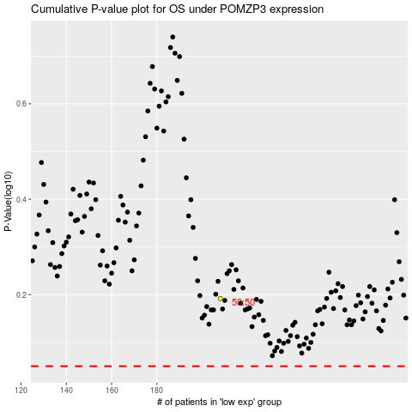

 |  |  |  |  |  | cases_OS | p_OS | rank | exp
 |  |  |  |  |  |  | cases_RFS | p_RFS | rank | exp

