PON3 _multivariate
Reported by Tex Li-Hsing Chi. tex@gate.sinica.edu.tw 2019-08-16

Table 2. The clinicopathological features of HNSCC cohort and PON3 expression. (Chi square test)
Cutoff at -0.315 (50.0%)
 |  | PON3 expression |  | PON3 expression |  | (Optimised)
 | Features | Low | (%) | High | (%) | Case no | P-value | Remark | Matthews
Gender | Female | 146 | 35.2 | 160 | 38.6 | 415 | 0.1714 | 0 | 0
2 | Male | 61 | 14.7 | 48 | 11.6
Age at diagnosis | <=65y | 131 | 31.6 | 143 | 34.5 | 415 | 0.2839 | 0 | 0
4 | >65y | 76 | 18.3 | 65 | 15.7
Clinical T Status | T1+T2 | 81 | 19.5 | 68 | 16.4 | 415 | 0.206 | 0 | 0
6 | T3+T4 | 126 | 30.4 | 140 | 33.7
Clinical N Status | N0 | 113 | 27.2 | 103 | 24.8 | 415 | 0.3495 | 1 | 0
8 | N1-3 | 94 | 22.7 | 105 | 25.3
Clinical M Status | M0 | 205 | 49.4 | 207 | 49.9 | 415 | 0.6232 | 0 | 0
10 | M1 | 2 | 0.5 | 1 | 0.2
Clinical Stage | Stage I+II | 58 | 14 | 44 | 10.6 | 415 | 0.131 | 0 | 0
12 | Stage III+IV | 149 | 35.9 | 164 | 39.5
Surgical Margin status | Negative | 156 | 37.6 | 162 | 39 | 415 | 0.5636 | 0 | 0
14 | Positive | 51 | 12.3 | 46 | 11.1
Tobacco Exposure | Low | 92 | 22.2 | 69 | 16.6 | 415 | 0.0206 | 1 | 0
16 | High | 115 | 27.7 | 139 | 33.5

Table 3. Univariate/Multivariate Cox's proportional hazards regression analyses on OS time of PON3 gene expression in HNSCC

 |  | Univariate |  |  |  | Multivariate
 | Features | HR | CI95%(L) | CI95%(H) | P-value | HR | CI95%(L) | CI95%(H) | P-value
1 | Female | 1 |  |  |  | 1
Gender | Male | 1.157 | 0.843 | 1.587 | 0.367 | 1.201 | 0.859 | 1.678 | 0.284
11 | <=65y | 1 |  |  |  | 1
Age at diagnosis | >65y | 1.329 | 0.99 | 1.784 | 0.058 | 1.389 | 1.022 | 1.89 | 0.036
12 | T1+T2 | 1 |  |  |  | 1
Clinical T Status | T3+T4 | 1.409 | 1.028 | 1.931 | 0.033 | 2.199 | 1.163 | 4.159 | 0.015
13 | N0 | 1 |  |  |  | 1
Clinical N Status | N1-3 | 1.185 | 0.89 | 1.577 | 0.246 | 1.24 | 0.869 | 1.77 | 0.235
14 | M0 | 1 |  |  |  | 1
Clinical M Status | M1 | 4.097 | 1.009 | 16.644 | 0.049 | 9.314 | 2.024 | 42.865 | 0.004
15 | Stage I+II | 1 |  |  |  | 1
Clinical Stage | Stage III+IV | 1.245 | 0.882 | 1.759 | 0.213 | 0.507 | 0.236 | 1.09 | 0.082
16 | Negative | 1 |  |  |  | 1
Surgical Margin status | Positive | 1.591 | 1.155 | 2.191 | 0.004 | 1.669 | 1.207 | 2.307 | 0.002
17 | Low | 1 |  |  |  | 1
Tobacco Exposure | High | 1.364 | 1.008 | 1.844 | 0.044 | 1.457 | 1.056 | 2.011 | 0.022
18 | Low | 1 |  |  |  | 1
RNAseq(z-score) | High | 0.965 | 0.724 | 1.287 | 0.809 | 0.974 | 0.726 | 1.306 | 0.861

Table 4. Univariate/Multivariate Cox's proportional hazards regression analyses on RFS time of PON3 gene expression in HNSCC

 |  | Univariate |  |  |  | Multivariate
 | Features | HR | CI95%(L) | CI95%(H) | P-value | HR | CI95%(L) | CI95%(H) | P-value
1 | Female | 1 |  |  |  | 1
Gender | Male | 1.157 | 0.843 | 1.587 | 0.367 | 1.201 | 0.859 | 1.678 | 0.284
11 | <=65y | 1 |  |  |  | 1
Age at diagnosis | >65y | 1.329 | 0.99 | 1.784 | 0.058 | 1.389 | 1.022 | 1.89 | 0.036
12 | T1+T2 | 1 |  |  |  | 1
Clinical T Status | T3+T4 | 1.409 | 1.028 | 1.931 | 0.033 | 2.199 | 1.163 | 4.159 | 0.015
13 | N0 | 1 |  |  |  | 1
Clinical N Status | N1-3 | 1.185 | 0.89 | 1.577 | 0.246 | 1.24 | 0.869 | 1.77 | 0.235
14 | M0 | 1 |  |  |  | 1
Clinical M Status | M1 | 4.097 | 1.009 | 16.644 | 0.049 | 9.314 | 2.024 | 42.865 | 0.004
15 | Stage I+II | 1 |  |  |  | 1
Clinical Stage | Stage III+IV | 1.245 | 0.882 | 1.759 | 0.213 | 0.507 | 0.236 | 1.09 | 0.082
16 | Negative | 1 |  |  |  | 1
Surgical Margin status | Positive | 1.591 | 1.155 | 2.191 | 0.004 | 1.669 | 1.207 | 2.307 | 0.002
17 | Low | 1 |  |  |  | 1
Tobacco Exposure | High | 1.364 | 1.008 | 1.844 | 0.044 | 1.457 | 1.056 | 2.011 | 0.022
18 | Low | 1 |  |  |  | 1
RNAseq(z-score) | High | 0.965 | 0.724 | 1.287 | 0.809 | 0.974 | 0.726 | 1.306 | 0.861

Kaplan-Meier survival estimate: Cutoff at -0.315 (50.0%)



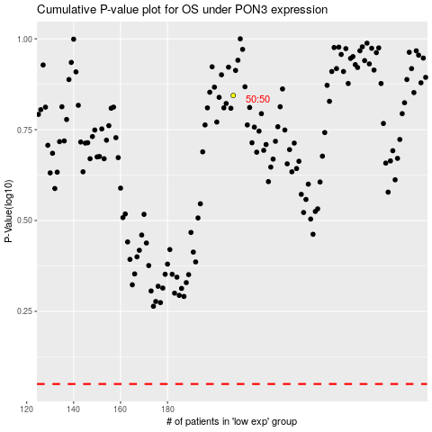

 |  |  |  |  |  | cases_OS | p_OS | rank | exp
 |  |  |  |  |  |  | cases_RFS | p_RFS | rank | exp

