POPDC2 _multivariate
Reported by Tex Li-Hsing Chi. tex@gate.sinica.edu.tw 2019-08-16

Table 2. The clinicopathological features of HNSCC cohort and POPDC2 expression. (Chi square test)
Cutoff at -0.209 (50.0%)
 |  | POPDC2 expression |  | POPDC2 expression |  | (Optimised)
 | Features | Low | (%) | High | (%) | Case no | P-value | Remark | Matthews
Gender | Female | 152 | 36.6 | 154 | 37.1 | 415 | 0.9766 | 0 | 0
2 | Male | 55 | 13.3 | 54 | 13
Age at diagnosis | <=65y | 129 | 31.1 | 145 | 34.9 | 415 | 0.1372 | 0 | 0
4 | >65y | 78 | 18.8 | 63 | 15.2
Clinical T Status | T1+T2 | 61 | 14.7 | 88 | 21.2 | 415 | 0.0087 | 1 | 0
6 | T3+T4 | 146 | 35.2 | 120 | 28.9
Clinical N Status | N0 | 112 | 27 | 104 | 25.1 | 415 | 0.4599 | 0 | 0
8 | N1-3 | 95 | 22.9 | 104 | 25.1
Clinical M Status | M0 | 204 | 49.2 | 208 | 50.1 | 415 | 0.1232 | 0 | 0
10 | M1 | 3 | 0.7 | 0 | 0
Clinical Stage | Stage I+II | 46 | 11.1 | 56 | 13.5 | 415 | 0.3182 | 0 | 0
12 | Stage III+IV | 161 | 38.8 | 152 | 36.6
Surgical Margin status | Negative | 159 | 38.3 | 159 | 38.3 | 415 | 1 | 0 | 0
14 | Positive | 48 | 11.6 | 49 | 11.8
Tobacco Exposure | Low | 74 | 17.8 | 87 | 21 | 415 | 0.227 | 0 | 0
16 | High | 133 | 32 | 121 | 29.2

Table 3. Univariate/Multivariate Cox's proportional hazards regression analyses on OS time of POPDC2 gene expression in HNSCC

 |  | Univariate |  |  |  | Multivariate
 | Features | HR | CI95%(L) | CI95%(H) | P-value | HR | CI95%(L) | CI95%(H) | P-value
1 | Female | 1 |  |  |  | 1
Gender | Male | 1.157 | 0.843 | 1.587 | 0.367 | 1.201 | 0.859 | 1.677 | 0.284
11 | <=65y | 1 |  |  |  | 1
Age at diagnosis | >65y | 1.329 | 0.99 | 1.784 | 0.058 | 1.385 | 1.016 | 1.886 | 0.039
12 | T1+T2 | 1 |  |  |  | 1
Clinical T Status | T3+T4 | 1.409 | 1.028 | 1.931 | 0.033 | 2.182 | 1.15 | 4.141 | 0.017
13 | N0 | 1 |  |  |  | 1
Clinical N Status | N1-3 | 1.185 | 0.89 | 1.577 | 0.246 | 1.24 | 0.869 | 1.77 | 0.235
14 | M0 | 1 |  |  |  | 1
Clinical M Status | M1 | 4.097 | 1.009 | 16.644 | 0.049 | 9.15 | 1.969 | 42.517 | 0.005
15 | Stage I+II | 1 |  |  |  | 1
Clinical Stage | Stage III+IV | 1.245 | 0.882 | 1.759 | 0.213 | 0.507 | 0.236 | 1.091 | 0.082
16 | Negative | 1 |  |  |  | 1
Surgical Margin status | Positive | 1.591 | 1.155 | 2.191 | 0.004 | 1.67 | 1.209 | 2.308 | 0.002
17 | Low | 1 |  |  |  | 1
Tobacco Exposure | High | 1.364 | 1.008 | 1.844 | 0.044 | 1.452 | 1.054 | 2.001 | 0.023
18 | Low | 1 |  |  |  | 1
RNAseq(z-score) | High | 0.851 | 0.638 | 1.134 | 0.27 | 0.961 | 0.715 | 1.291 | 0.791

Table 4. Univariate/Multivariate Cox's proportional hazards regression analyses on RFS time of POPDC2 gene expression in HNSCC

 |  | Univariate |  |  |  | Multivariate
 | Features | HR | CI95%(L) | CI95%(H) | P-value | HR | CI95%(L) | CI95%(H) | P-value
1 | Female | 1 |  |  |  | 1
Gender | Male | 1.157 | 0.843 | 1.587 | 0.367 | 1.201 | 0.859 | 1.677 | 0.284
11 | <=65y | 1 |  |  |  | 1
Age at diagnosis | >65y | 1.329 | 0.99 | 1.784 | 0.058 | 1.385 | 1.016 | 1.886 | 0.039
12 | T1+T2 | 1 |  |  |  | 1
Clinical T Status | T3+T4 | 1.409 | 1.028 | 1.931 | 0.033 | 2.182 | 1.15 | 4.141 | 0.017
13 | N0 | 1 |  |  |  | 1
Clinical N Status | N1-3 | 1.185 | 0.89 | 1.577 | 0.246 | 1.24 | 0.869 | 1.77 | 0.235
14 | M0 | 1 |  |  |  | 1
Clinical M Status | M1 | 4.097 | 1.009 | 16.644 | 0.049 | 9.15 | 1.969 | 42.517 | 0.005
15 | Stage I+II | 1 |  |  |  | 1
Clinical Stage | Stage III+IV | 1.245 | 0.882 | 1.759 | 0.213 | 0.507 | 0.236 | 1.091 | 0.082
16 | Negative | 1 |  |  |  | 1
Surgical Margin status | Positive | 1.591 | 1.155 | 2.191 | 0.004 | 1.67 | 1.209 | 2.308 | 0.002
17 | Low | 1 |  |  |  | 1
Tobacco Exposure | High | 1.364 | 1.008 | 1.844 | 0.044 | 1.452 | 1.054 | 2.001 | 0.023
18 | Low | 1 |  |  |  | 1
RNAseq(z-score) | High | 0.851 | 0.638 | 1.134 | 0.27 | 0.961 | 0.715 | 1.291 | 0.791

Kaplan-Meier survival estimate: Cutoff at -0.209 (50.0%)



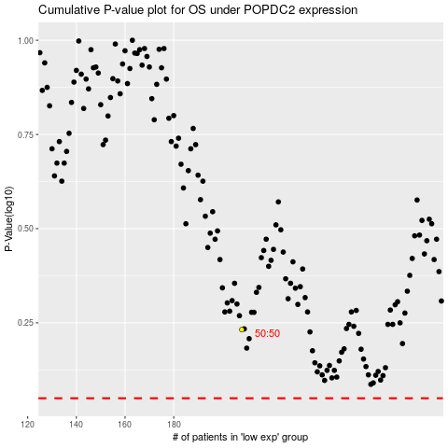

 |  |  |  |  |  | cases_OS | p_OS | rank | exp
 |  |  |  |  |  |  | cases_RFS | p_RFS | rank | exp

