POR _multivariate
Reported by Tex Li-Hsing Chi. tex@gate.sinica.edu.tw 2019-08-16

Table 2. The clinicopathological features of HNSCC cohort and POR expression. (Chi square test)
Cutoff at -0.302 (50.0%)
 |  | POR expression |  | POR expression |  | (Optimised)
 | Features | Low | (%) | High | (%) | Case no | P-value | Remark | Matthews
Gender | Female | 153 | 36.9 | 153 | 36.9 | 415 | 1 | 0 | 0
2 | Male | 54 | 13 | 55 | 13.3
Age at diagnosis | <=65y | 136 | 32.8 | 138 | 33.3 | 415 | 0.9719 | 0 | 0
4 | >65y | 71 | 17.1 | 70 | 16.9
Clinical T Status | T1+T2 | 84 | 20.2 | 65 | 15.7 | 415 | 0.0603 | 0 | 0
6 | T3+T4 | 123 | 29.6 | 143 | 34.5
Clinical N Status | N0 | 110 | 26.5 | 106 | 25.5 | 415 | 0.7294 | 0 | 0
8 | N1-3 | 97 | 23.4 | 102 | 24.6
Clinical M Status | M0 | 207 | 49.9 | 205 | 49.4 | 415 | 0.2482 | 0 | 0
10 | M1 | 0 | 0 | 3 | 0.7
Clinical Stage | Stage I+II | 61 | 14.7 | 41 | 9.9 | 415 | 0.0282 | 1 | 0
12 | Stage III+IV | 146 | 35.2 | 167 | 40.2
Surgical Margin status | Negative | 155 | 37.3 | 163 | 39.3 | 415 | 0.4187 | 0 | 0
14 | Positive | 52 | 12.5 | 45 | 10.8
Tobacco Exposure | Low | 96 | 23.1 | 65 | 15.7 | 415 | 0.0018 | 1 | 0
16 | High | 111 | 26.7 | 143 | 34.5

Table 3. Univariate/Multivariate Cox's proportional hazards regression analyses on OS time of POR gene expression in HNSCC

 |  | Univariate |  |  |  | Multivariate
 | Features | HR | CI95%(L) | CI95%(H) | P-value | HR | CI95%(L) | CI95%(H) | P-value
1 | Female | 1 |  |  |  | 1
Gender | Male | 1.157 | 0.843 | 1.587 | 0.367 | 1.204 | 0.862 | 1.682 | 0.276
11 | <=65y | 1 |  |  |  | 1
Age at diagnosis | >65y | 1.329 | 0.99 | 1.784 | 0.058 | 1.392 | 1.024 | 1.893 | 0.035
12 | T1+T2 | 1 |  |  |  | 1
Clinical T Status | T3+T4 | 1.409 | 1.028 | 1.931 | 0.033 | 2.21 | 1.168 | 4.18 | 0.015
13 | N0 | 1 |  |  |  | 1
Clinical N Status | N1-3 | 1.185 | 0.89 | 1.577 | 0.246 | 1.236 | 0.865 | 1.764 | 0.244
14 | M0 | 1 |  |  |  | 1
Clinical M Status | M1 | 4.097 | 1.009 | 16.644 | 0.049 | 9.712 | 2.097 | 44.972 | 0.004
15 | Stage I+II | 1 |  |  |  | 1
Clinical Stage | Stage III+IV | 1.245 | 0.882 | 1.759 | 0.213 | 0.507 | 0.236 | 1.088 | 0.081
16 | Negative | 1 |  |  |  | 1
Surgical Margin status | Positive | 1.591 | 1.155 | 2.191 | 0.004 | 1.667 | 1.206 | 2.304 | 0.002
17 | Low | 1 |  |  |  | 1
Tobacco Exposure | High | 1.364 | 1.008 | 1.844 | 0.044 | 1.467 | 1.06 | 2.029 | 0.021
18 | Low | 1 |  |  |  | 1
RNAseq(z-score) | High | 1.015 | 0.763 | 1.352 | 0.916 | 0.947 | 0.706 | 1.271 | 0.718

Table 4. Univariate/Multivariate Cox's proportional hazards regression analyses on RFS time of POR gene expression in HNSCC

 |  | Univariate |  |  |  | Multivariate
 | Features | HR | CI95%(L) | CI95%(H) | P-value | HR | CI95%(L) | CI95%(H) | P-value
1 | Female | 1 |  |  |  | 1
Gender | Male | 1.157 | 0.843 | 1.587 | 0.367 | 1.204 | 0.862 | 1.682 | 0.276
11 | <=65y | 1 |  |  |  | 1
Age at diagnosis | >65y | 1.329 | 0.99 | 1.784 | 0.058 | 1.392 | 1.024 | 1.893 | 0.035
12 | T1+T2 | 1 |  |  |  | 1
Clinical T Status | T3+T4 | 1.409 | 1.028 | 1.931 | 0.033 | 2.21 | 1.168 | 4.18 | 0.015
13 | N0 | 1 |  |  |  | 1
Clinical N Status | N1-3 | 1.185 | 0.89 | 1.577 | 0.246 | 1.236 | 0.865 | 1.764 | 0.244
14 | M0 | 1 |  |  |  | 1
Clinical M Status | M1 | 4.097 | 1.009 | 16.644 | 0.049 | 9.712 | 2.097 | 44.972 | 0.004
15 | Stage I+II | 1 |  |  |  | 1
Clinical Stage | Stage III+IV | 1.245 | 0.882 | 1.759 | 0.213 | 0.507 | 0.236 | 1.088 | 0.081
16 | Negative | 1 |  |  |  | 1
Surgical Margin status | Positive | 1.591 | 1.155 | 2.191 | 0.004 | 1.667 | 1.206 | 2.304 | 0.002
17 | Low | 1 |  |  |  | 1
Tobacco Exposure | High | 1.364 | 1.008 | 1.844 | 0.044 | 1.467 | 1.06 | 2.029 | 0.021
18 | Low | 1 |  |  |  | 1
RNAseq(z-score) | High | 1.015 | 0.763 | 1.352 | 0.916 | 0.947 | 0.706 | 1.271 | 0.718

Kaplan-Meier survival estimate: Cutoff at -0.302 (50.0%)

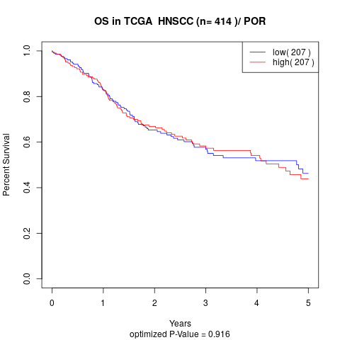

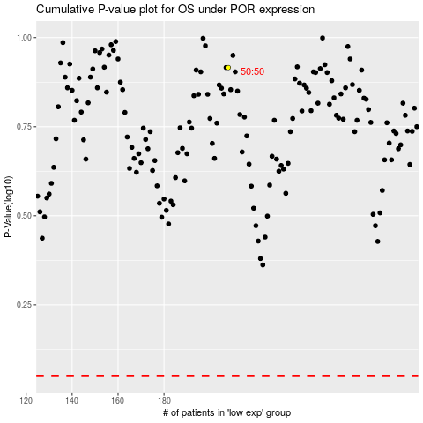

 |  |  |  |  |  | cases_OS | p_OS | rank | exp
 |  |  |  |  |  |  | cases_RFS | p_RFS | rank | exp

