POU4F3 _multivariate
Reported by Tex Li-Hsing Chi. tex@gate.sinica.edu.tw 2019-08-16

Table 2. The clinicopathological features of HNSCC cohort and POU4F3 expression. (Chi square test)
Cutoff at -0.129 (54.8%)
 |  | POU4F3 expression |  | POU4F3 expression |  | (Optimised)
 | Features | Low | (%) | High | (%) | Case no | P-value | Remark | Matthews
Gender | Female | 155 | 37.3 | 151 | 36.4 | 415 | 0.0047 | 1 | 0
2 | Male | 73 | 17.6 | 36 | 8.7
Age at diagnosis | <=65y | 149 | 35.9 | 125 | 30.1 | 415 | 0.8293 | 0 | 0
4 | >65y | 79 | 19 | 62 | 14.9
Clinical T Status | T1+T2 | 79 | 19 | 70 | 16.9 | 415 | 0.6274 | 0 | 0
6 | T3+T4 | 149 | 35.9 | 117 | 28.2
Clinical N Status | N0 | 122 | 29.4 | 94 | 22.7 | 415 | 0.5762 | 0 | 0
8 | N1-3 | 106 | 25.5 | 93 | 22.4
Clinical M Status | M0 | 226 | 54.5 | 186 | 44.8 | 415 | 1 | 0 | 0
10 | M1 | 2 | 0.5 | 1 | 0.2
Clinical Stage | Stage I+II | 56 | 13.5 | 46 | 11.1 | 415 | 1 | 0 | 0
12 | Stage III+IV | 172 | 41.4 | 141 | 34
Surgical Margin status | Negative | 170 | 41 | 148 | 35.7 | 415 | 0.2954 | 0 | 0
14 | Positive | 58 | 14 | 39 | 9.4
Tobacco Exposure | Low | 85 | 20.5 | 76 | 18.3 | 415 | 0.5437 | 0 | 0
16 | High | 143 | 34.5 | 111 | 26.7

Table 3. Univariate/Multivariate Cox's proportional hazards regression analyses on OS time of POU4F3 gene expression in HNSCC

 |  | Univariate |  |  |  | Multivariate
 | Features | HR | CI95%(L) | CI95%(H) | P-value | HR | CI95%(L) | CI95%(H) | P-value
1 | Female | 1 |  |  |  | 1
Gender | Male | 1.157 | 0.843 | 1.587 | 0.367 | 1.343 | 0.953 | 1.893 | 0.092
11 | <=65y | 1 |  |  |  | 1
Age at diagnosis | >65y | 1.329 | 0.99 | 1.784 | 0.058 | 1.407 | 1.035 | 1.913 | 0.029
12 | T1+T2 | 1 |  |  |  | 1
Clinical T Status | T3+T4 | 1.409 | 1.028 | 1.931 | 0.033 | 2.353 | 1.243 | 4.454 | 0.009
13 | N0 | 1 |  |  |  | 1
Clinical N Status | N1-3 | 1.185 | 0.89 | 1.577 | 0.246 | 1.266 | 0.888 | 1.807 | 0.193
14 | M0 | 1 |  |  |  | 1
Clinical M Status | M1 | 4.097 | 1.009 | 16.644 | 0.049 | 10.472 | 2.275 | 48.196 | 0.003
15 | Stage I+II | 1 |  |  |  | 1
Clinical Stage | Stage III+IV | 1.245 | 0.882 | 1.759 | 0.213 | 0.462 | 0.215 | 0.995 | 0.048
16 | Negative | 1 |  |  |  | 1
Surgical Margin status | Positive | 1.591 | 1.155 | 2.191 | 0.004 | 1.712 | 1.239 | 2.367 | 0.001
17 | Low | 1 |  |  |  | 1
Tobacco Exposure | High | 1.364 | 1.008 | 1.844 | 0.044 | 1.534 | 1.109 | 2.12 | 0.01
18 | Low | 1 |  |  |  | 1
RNAseq(z-score) | High | 1.334 | 1 | 1.78 | 0.05 | 1.526 | 1.13 | 2.06 | 0.006

Table 4. Univariate/Multivariate Cox's proportional hazards regression analyses on RFS time of POU4F3 gene expression in HNSCC

 |  | Univariate |  |  |  | Multivariate
 | Features | HR | CI95%(L) | CI95%(H) | P-value | HR | CI95%(L) | CI95%(H) | P-value
1 | Female | 1 |  |  |  | 1
Gender | Male | 1.157 | 0.843 | 1.587 | 0.367 | 1.343 | 0.953 | 1.893 | 0.092
11 | <=65y | 1 |  |  |  | 1
Age at diagnosis | >65y | 1.329 | 0.99 | 1.784 | 0.058 | 1.407 | 1.035 | 1.913 | 0.029
12 | T1+T2 | 1 |  |  |  | 1
Clinical T Status | T3+T4 | 1.409 | 1.028 | 1.931 | 0.033 | 2.353 | 1.243 | 4.454 | 0.009
13 | N0 | 1 |  |  |  | 1
Clinical N Status | N1-3 | 1.185 | 0.89 | 1.577 | 0.246 | 1.266 | 0.888 | 1.807 | 0.193
14 | M0 | 1 |  |  |  | 1
Clinical M Status | M1 | 4.097 | 1.009 | 16.644 | 0.049 | 10.472 | 2.275 | 48.196 | 0.003
15 | Stage I+II | 1 |  |  |  | 1
Clinical Stage | Stage III+IV | 1.245 | 0.882 | 1.759 | 0.213 | 0.462 | 0.215 | 0.995 | 0.048
16 | Negative | 1 |  |  |  | 1
Surgical Margin status | Positive | 1.591 | 1.155 | 2.191 | 0.004 | 1.712 | 1.239 | 2.367 | 0.001
17 | Low | 1 |  |  |  | 1
Tobacco Exposure | High | 1.364 | 1.008 | 1.844 | 0.044 | 1.534 | 1.109 | 2.12 | 0.01
18 | Low | 1 |  |  |  | 1
RNAseq(z-score) | High | 1.334 | 1 | 1.78 | 0.05 | 1.526 | 1.13 | 2.06 | 0.006

Kaplan-Meier survival estimate: Cutoff at -0.129 (54.8%)



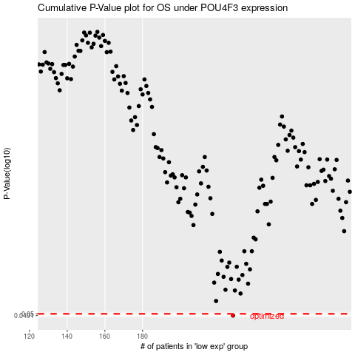

 |  |  |  |  |  | cases_OS | p_OS | rank | exp
 |  |  |  |  |  | 228 | 0.0491 | 372 | -0.12873830774
 |  |  |  |  |  |  | cases_RFS | p_RFS | rank | exp
 |  |  |  |  |  |  | 227 | 0.0491 | 232 | -0.13084826824

