POU5F1 _multivariate
Reported by Tex Li-Hsing Chi. tex@gate.sinica.edu.tw 2019-08-16

Table 2. The clinicopathological features of HNSCC cohort and POU5F1 expression. (Chi square test)
Cutoff at -0.257 (49.8%)
 |  | POU5F1 expression |  | POU5F1 expression |  | (Optimised)
 | Features | Low | (%) | High | (%) | Case no | P-value | Remark | Matthews
Gender | Female | 149 | 35.9 | 157 | 37.8 | 415 | 0.4848 | 0 | 0
2 | Male | 58 | 14 | 51 | 12.3
Age at diagnosis | <=65y | 131 | 31.6 | 143 | 34.5 | 415 | 0.2839 | 0 | 0
4 | >65y | 76 | 18.3 | 65 | 15.7
Clinical T Status | T1+T2 | 71 | 17.1 | 78 | 18.8 | 415 | 0.5638 | 0 | 0
6 | T3+T4 | 136 | 32.8 | 130 | 31.3
Clinical N Status | N0 | 109 | 26.3 | 107 | 25.8 | 415 | 0.8812 | 0 | 0
8 | N1-3 | 98 | 23.6 | 101 | 24.3
Clinical M Status | M0 | 207 | 49.9 | 205 | 49.4 | 415 | 0.2482 | 0 | 0
10 | M1 | 0 | 0 | 3 | 0.7
Clinical Stage | Stage I+II | 54 | 13 | 48 | 11.6 | 415 | 0.5498 | 0 | 0
12 | Stage III+IV | 153 | 36.9 | 160 | 38.6
Surgical Margin status | Negative | 162 | 39 | 156 | 37.6 | 415 | 0.4867 | 0 | 0
14 | Positive | 45 | 10.8 | 52 | 12.5
Tobacco Exposure | Low | 92 | 22.2 | 69 | 16.6 | 415 | 0.0206 | 1 | 0
16 | High | 115 | 27.7 | 139 | 33.5

Table 3. Univariate/Multivariate Cox's proportional hazards regression analyses on OS time of POU5F1 gene expression in HNSCC

 |  | Univariate |  |  |  | Multivariate
 | Features | HR | CI95%(L) | CI95%(H) | P-value | HR | CI95%(L) | CI95%(H) | P-value
1 | Female | 1 |  |  |  | 1
Gender | Male | 1.157 | 0.843 | 1.587 | 0.367 | 1.203 | 0.861 | 1.68 | 0.279
11 | <=65y | 1 |  |  |  | 1
Age at diagnosis | >65y | 1.329 | 0.99 | 1.784 | 0.058 | 1.391 | 1.023 | 1.892 | 0.035
12 | T1+T2 | 1 |  |  |  | 1
Clinical T Status | T3+T4 | 1.409 | 1.028 | 1.931 | 0.033 | 2.13 | 1.122 | 4.042 | 0.021
13 | N0 | 1 |  |  |  | 1
Clinical N Status | N1-3 | 1.185 | 0.89 | 1.577 | 0.246 | 1.227 | 0.86 | 1.751 | 0.26
14 | M0 | 1 |  |  |  | 1
Clinical M Status | M1 | 4.097 | 1.009 | 16.644 | 0.049 | 9.875 | 2.148 | 45.405 | 0.003
15 | Stage I+II | 1 |  |  |  | 1
Clinical Stage | Stage III+IV | 1.245 | 0.882 | 1.759 | 0.213 | 0.532 | 0.246 | 1.15 | 0.108
16 | Negative | 1 |  |  |  | 1
Surgical Margin status | Positive | 1.591 | 1.155 | 2.191 | 0.004 | 1.67 | 1.209 | 2.307 | 0.002
17 | Low | 1 |  |  |  | 1
Tobacco Exposure | High | 1.364 | 1.008 | 1.844 | 0.044 | 1.482 | 1.073 | 2.046 | 0.017
18 | Low | 1 |  |  |  | 1
RNAseq(z-score) | High | 0.881 | 0.66 | 1.178 | 0.393 | 0.86 | 0.639 | 1.157 | 0.318

Table 4. Univariate/Multivariate Cox's proportional hazards regression analyses on RFS time of POU5F1 gene expression in HNSCC

 |  | Univariate |  |  |  | Multivariate
 | Features | HR | CI95%(L) | CI95%(H) | P-value | HR | CI95%(L) | CI95%(H) | P-value
1 | Female | 1 |  |  |  | 1
Gender | Male | 1.157 | 0.843 | 1.587 | 0.367 | 1.203 | 0.861 | 1.68 | 0.279
11 | <=65y | 1 |  |  |  | 1
Age at diagnosis | >65y | 1.329 | 0.99 | 1.784 | 0.058 | 1.391 | 1.023 | 1.892 | 0.035
12 | T1+T2 | 1 |  |  |  | 1
Clinical T Status | T3+T4 | 1.409 | 1.028 | 1.931 | 0.033 | 2.13 | 1.122 | 4.042 | 0.021
13 | N0 | 1 |  |  |  | 1
Clinical N Status | N1-3 | 1.185 | 0.89 | 1.577 | 0.246 | 1.227 | 0.86 | 1.751 | 0.26
14 | M0 | 1 |  |  |  | 1
Clinical M Status | M1 | 4.097 | 1.009 | 16.644 | 0.049 | 9.875 | 2.148 | 45.405 | 0.003
15 | Stage I+II | 1 |  |  |  | 1
Clinical Stage | Stage III+IV | 1.245 | 0.882 | 1.759 | 0.213 | 0.532 | 0.246 | 1.15 | 0.108
16 | Negative | 1 |  |  |  | 1
Surgical Margin status | Positive | 1.591 | 1.155 | 2.191 | 0.004 | 1.67 | 1.209 | 2.307 | 0.002
17 | Low | 1 |  |  |  | 1
Tobacco Exposure | High | 1.364 | 1.008 | 1.844 | 0.044 | 1.482 | 1.073 | 2.046 | 0.017
18 | Low | 1 |  |  |  | 1
RNAseq(z-score) | High | 0.881 | 0.66 | 1.178 | 0.393 | 0.86 | 0.639 | 1.157 | 0.318

Kaplan-Meier survival estimate: Cutoff at -0.257 (49.8%)



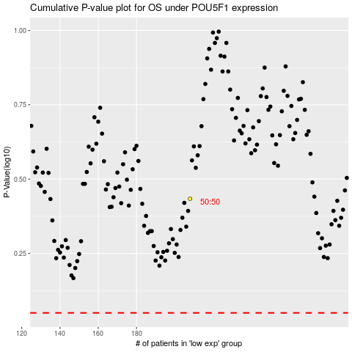

 |  |  |  |  |  | cases_OS | p_OS | rank | exp
 |  |  |  |  |  |  | cases_RFS | p_RFS | rank | exp

