POU6F1 _multivariate
Reported by Tex Li-Hsing Chi. tex@gate.sinica.edu.tw 2019-08-16

Table 2. The clinicopathological features of HNSCC cohort and POU6F1 expression. (Chi square test)
Cutoff at -0.295 (50.0%)
 |  | POU6F1 expression |  | POU6F1 expression |  | (Optimised)
 | Features | Low | (%) | High | (%) | Case no | P-value | Remark | Matthews
Gender | Female | 152 | 36.6 | 154 | 37.1 | 415 | 0.9766 | 0 | 0
2 | Male | 55 | 13.3 | 54 | 13
Age at diagnosis | <=65y | 136 | 32.8 | 138 | 33.3 | 415 | 0.9719 | 0 | 0
4 | >65y | 71 | 17.1 | 70 | 16.9
Clinical T Status | T1+T2 | 65 | 15.7 | 84 | 20.2 | 415 | 0.0711 | 0 | 0
6 | T3+T4 | 142 | 34.2 | 124 | 29.9
Clinical N Status | N0 | 111 | 26.7 | 105 | 25.3 | 415 | 0.5875 | 0 | 0
8 | N1-3 | 96 | 23.1 | 103 | 24.8
Clinical M Status | M0 | 204 | 49.2 | 208 | 50.1 | 415 | 0.1232 | 0 | 0
10 | M1 | 3 | 0.7 | 0 | 0
Clinical Stage | Stage I+II | 45 | 10.8 | 57 | 13.7 | 415 | 0.2202 | 0 | 0
12 | Stage III+IV | 162 | 39 | 151 | 36.4
Surgical Margin status | Negative | 158 | 38.1 | 160 | 38.6 | 415 | 0.9081 | 0 | 0
14 | Positive | 49 | 11.8 | 48 | 11.6
Tobacco Exposure | Low | 87 | 21 | 74 | 17.8 | 415 | 0.1911 | 0 | 0
16 | High | 120 | 28.9 | 134 | 32.3

Table 3. Univariate/Multivariate Cox's proportional hazards regression analyses on OS time of POU6F1 gene expression in HNSCC

 |  | Univariate |  |  |  | Multivariate
 | Features | HR | CI95%(L) | CI95%(H) | P-value | HR | CI95%(L) | CI95%(H) | P-value
1 | Female | 1 |  |  |  | 1
Gender | Male | 1.157 | 0.843 | 1.587 | 0.367 | 1.197 | 0.856 | 1.675 | 0.293
11 | <=65y | 1 |  |  |  | 1
Age at diagnosis | >65y | 1.329 | 0.99 | 1.784 | 0.058 | 1.397 | 1.027 | 1.9 | 0.033
12 | T1+T2 | 1 |  |  |  | 1
Clinical T Status | T3+T4 | 1.409 | 1.028 | 1.931 | 0.033 | 2.178 | 1.152 | 4.118 | 0.017
13 | N0 | 1 |  |  |  | 1
Clinical N Status | N1-3 | 1.185 | 0.89 | 1.577 | 0.246 | 1.26 | 0.882 | 1.801 | 0.204
14 | M0 | 1 |  |  |  | 1
Clinical M Status | M1 | 4.097 | 1.009 | 16.644 | 0.049 | 8.674 | 1.876 | 40.105 | 0.006
15 | Stage I+II | 1 |  |  |  | 1
Clinical Stage | Stage III+IV | 1.245 | 0.882 | 1.759 | 0.213 | 0.5 | 0.233 | 1.074 | 0.075
16 | Negative | 1 |  |  |  | 1
Surgical Margin status | Positive | 1.591 | 1.155 | 2.191 | 0.004 | 1.668 | 1.207 | 2.305 | 0.002
17 | Low | 1 |  |  |  | 1
Tobacco Exposure | High | 1.364 | 1.008 | 1.844 | 0.044 | 1.483 | 1.072 | 2.053 | 0.017
18 | Low | 1 |  |  |  | 1
RNAseq(z-score) | High | 0.873 | 0.655 | 1.163 | 0.353 | 0.869 | 0.648 | 1.164 | 0.346

Table 4. Univariate/Multivariate Cox's proportional hazards regression analyses on RFS time of POU6F1 gene expression in HNSCC

 |  | Univariate |  |  |  | Multivariate
 | Features | HR | CI95%(L) | CI95%(H) | P-value | HR | CI95%(L) | CI95%(H) | P-value
1 | Female | 1 |  |  |  | 1
Gender | Male | 1.157 | 0.843 | 1.587 | 0.367 | 1.197 | 0.856 | 1.675 | 0.293
11 | <=65y | 1 |  |  |  | 1
Age at diagnosis | >65y | 1.329 | 0.99 | 1.784 | 0.058 | 1.397 | 1.027 | 1.9 | 0.033
12 | T1+T2 | 1 |  |  |  | 1
Clinical T Status | T3+T4 | 1.409 | 1.028 | 1.931 | 0.033 | 2.178 | 1.152 | 4.118 | 0.017
13 | N0 | 1 |  |  |  | 1
Clinical N Status | N1-3 | 1.185 | 0.89 | 1.577 | 0.246 | 1.26 | 0.882 | 1.801 | 0.204
14 | M0 | 1 |  |  |  | 1
Clinical M Status | M1 | 4.097 | 1.009 | 16.644 | 0.049 | 8.674 | 1.876 | 40.105 | 0.006
15 | Stage I+II | 1 |  |  |  | 1
Clinical Stage | Stage III+IV | 1.245 | 0.882 | 1.759 | 0.213 | 0.5 | 0.233 | 1.074 | 0.075
16 | Negative | 1 |  |  |  | 1
Surgical Margin status | Positive | 1.591 | 1.155 | 2.191 | 0.004 | 1.668 | 1.207 | 2.305 | 0.002
17 | Low | 1 |  |  |  | 1
Tobacco Exposure | High | 1.364 | 1.008 | 1.844 | 0.044 | 1.483 | 1.072 | 2.053 | 0.017
18 | Low | 1 |  |  |  | 1
RNAseq(z-score) | High | 0.873 | 0.655 | 1.163 | 0.353 | 0.869 | 0.648 | 1.164 | 0.346

Kaplan-Meier survival estimate: Cutoff at -0.295 (50.0%)



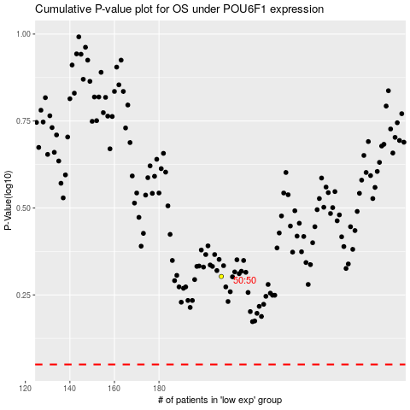

 |  |  |  |  |  | cases_OS | p_OS | rank | exp
 |  |  |  |  |  |  | cases_RFS | p_RFS | rank | exp

