PPAN _multivariate
Reported by Tex Li-Hsing Chi. tex@gate.sinica.edu.tw 2019-08-16

Table 2. The clinicopathological features of HNSCC cohort and PPAN expression. (Chi square test)
Cutoff at -0.04 (60.1%)
 |  | PPAN expression |  | PPAN expression |  | (Optimised)
 | Features | Low | (%) | High | (%) | Case no | P-value | Remark | Matthews
Gender | Female | 187 | 45.1 | 119 | 28.7 | 415 | 0.6221 | 0 | 0
2 | Male | 63 | 15.2 | 46 | 11.1
Age at diagnosis | <=65y | 164 | 39.5 | 110 | 26.5 | 415 | 0.9056 | 0 | 0
4 | >65y | 86 | 20.7 | 55 | 13.3
Clinical T Status | T1+T2 | 99 | 23.9 | 50 | 12 | 415 | 0.0676 | 0 | 0
6 | T3+T4 | 151 | 36.4 | 115 | 27.7
Clinical N Status | N0 | 133 | 32 | 83 | 20 | 415 | 0.6328 | 0 | 0
8 | N1-3 | 117 | 28.2 | 82 | 19.8
Clinical M Status | M0 | 249 | 60 | 163 | 39.3 | 415 | 0.5657 | 0 | 0
10 | M1 | 1 | 0.2 | 2 | 0.5
Clinical Stage | Stage I+II | 69 | 16.6 | 33 | 8 | 415 | 0.1003 | 0 | 0
12 | Stage III+IV | 181 | 43.6 | 132 | 31.8
Surgical Margin status | Negative | 195 | 47 | 123 | 29.6 | 415 | 0.4772 | 0 | 0
14 | Positive | 55 | 13.3 | 42 | 10.1
Tobacco Exposure | Low | 102 | 24.6 | 59 | 14.2 | 415 | 0.3543 | 0 | 0
16 | High | 148 | 35.7 | 106 | 25.5

Table 3. Univariate/Multivariate Cox's proportional hazards regression analyses on OS time of PPAN gene expression in HNSCC

 |  | Univariate |  |  |  | Multivariate
 | Features | HR | CI95%(L) | CI95%(H) | P-value | HR | CI95%(L) | CI95%(H) | P-value
1 | Female | 1 |  |  |  | 1
Gender | Male | 1.157 | 0.843 | 1.587 | 0.367 | 1.228 | 0.882 | 1.709 | 0.224
11 | <=65y | 1 |  |  |  | 1
Age at diagnosis | >65y | 1.329 | 0.99 | 1.784 | 0.058 | 1.414 | 1.039 | 1.924 | 0.027
12 | T1+T2 | 1 |  |  |  | 1
Clinical T Status | T3+T4 | 1.409 | 1.028 | 1.931 | 0.033 | 2.366 | 1.246 | 4.491 | 0.008
13 | N0 | 1 |  |  |  | 1
Clinical N Status | N1-3 | 1.185 | 0.89 | 1.577 | 0.246 | 1.253 | 0.879 | 1.786 | 0.213
14 | M0 | 1 |  |  |  | 1
Clinical M Status | M1 | 4.097 | 1.009 | 16.644 | 0.049 | 11.066 | 2.401 | 51.008 | 0.002
15 | Stage I+II | 1 |  |  |  | 1
Clinical Stage | Stage III+IV | 1.245 | 0.882 | 1.759 | 0.213 | 0.494 | 0.23 | 1.061 | 0.07
16 | Negative | 1 |  |  |  | 1
Surgical Margin status | Positive | 1.591 | 1.155 | 2.191 | 0.004 | 1.803 | 1.297 | 2.506 | 0
17 | Low | 1 |  |  |  | 1
Tobacco Exposure | High | 1.364 | 1.008 | 1.844 | 0.044 | 1.485 | 1.079 | 2.045 | 0.015
18 | Low | 1 |  |  |  | 1
RNAseq(z-score) | High | 0.738 | 0.544 | 0.999 | 0.049 | 0.628 | 0.46 | 0.856 | 0.003

Table 4. Univariate/Multivariate Cox's proportional hazards regression analyses on RFS time of PPAN gene expression in HNSCC

 |  | Univariate |  |  |  | Multivariate
 | Features | HR | CI95%(L) | CI95%(H) | P-value | HR | CI95%(L) | CI95%(H) | P-value
1 | Female | 1 |  |  |  | 1
Gender | Male | 1.157 | 0.843 | 1.587 | 0.367 | 1.228 | 0.882 | 1.709 | 0.224
11 | <=65y | 1 |  |  |  | 1
Age at diagnosis | >65y | 1.329 | 0.99 | 1.784 | 0.058 | 1.414 | 1.039 | 1.924 | 0.027
12 | T1+T2 | 1 |  |  |  | 1
Clinical T Status | T3+T4 | 1.409 | 1.028 | 1.931 | 0.033 | 2.366 | 1.246 | 4.491 | 0.008
13 | N0 | 1 |  |  |  | 1
Clinical N Status | N1-3 | 1.185 | 0.89 | 1.577 | 0.246 | 1.253 | 0.879 | 1.786 | 0.213
14 | M0 | 1 |  |  |  | 1
Clinical M Status | M1 | 4.097 | 1.009 | 16.644 | 0.049 | 11.066 | 2.401 | 51.008 | 0.002
15 | Stage I+II | 1 |  |  |  | 1
Clinical Stage | Stage III+IV | 1.245 | 0.882 | 1.759 | 0.213 | 0.494 | 0.23 | 1.061 | 0.07
16 | Negative | 1 |  |  |  | 1
Surgical Margin status | Positive | 1.591 | 1.155 | 2.191 | 0.004 | 1.803 | 1.297 | 2.506 | 0
17 | Low | 1 |  |  |  | 1
Tobacco Exposure | High | 1.364 | 1.008 | 1.844 | 0.044 | 1.485 | 1.079 | 2.045 | 0.015
18 | Low | 1 |  |  |  | 1
RNAseq(z-score) | High | 0.738 | 0.544 | 0.999 | 0.049 | 0.628 | 0.46 | 0.856 | 0.003

Kaplan-Meier survival estimate: Cutoff at -0.04 (60.1%)



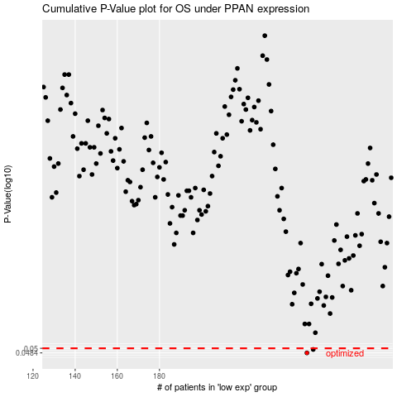

 |  |  |  |  |  | cases_OS | p_OS | rank | exp
 |  |  |  |  |  | 250 | 0.0484 | 112 | -0.039992863535
 |  |  |  |  |  | 253 | 0.0496 | 367 | -0.025672842452
 |  |  |  |  |  |  | cases_RFS | p_RFS | rank | exp
 |  |  |  |  |  |  | 249 | 0.0484 | 265 | -0.061057522926
 |  |  |  |  |  |  | 252 | 0.0496 | 394 | -0.026985411463

