PPAPDC1A _multivariate
Reported by Tex Li-Hsing Chi. tex@gate.sinica.edu.tw 2019-08-16

Table 2. The clinicopathological features of HNSCC cohort and PPAPDC1A expression. (Chi square test)
Cutoff at -0.268 (49.8%)
 |  | PPAPDC1A expression |  | PPAPDC1A expression |  | (Optimised)
 | Features | Low | (%) | High | (%) | Case no | P-value | Remark | Matthews
Gender | Female | 153 | 36.9 | 153 | 36.9 | 415 | 1 | 0 | 0
2 | Male | 54 | 13 | 55 | 13.3
Age at diagnosis | <=65y | 143 | 34.5 | 131 | 31.6 | 415 | 0.2269 | 0 | 0
4 | >65y | 64 | 15.4 | 77 | 18.6
Clinical T Status | T1+T2 | 82 | 19.8 | 67 | 16.1 | 415 | 0.1417 | 0 | 0
6 | T3+T4 | 125 | 30.1 | 141 | 34
Clinical N Status | N0 | 110 | 26.5 | 106 | 25.5 | 415 | 0.7294 | 0 | 0
8 | N1-3 | 97 | 23.4 | 102 | 24.6
Clinical M Status | M0 | 205 | 49.4 | 207 | 49.9 | 415 | 0.6232 | 0 | 0
10 | M1 | 2 | 0.5 | 1 | 0.2
Clinical Stage | Stage I+II | 51 | 12.3 | 51 | 12.3 | 415 | 1 | 0 | 0
12 | Stage III+IV | 156 | 37.6 | 157 | 37.8
Surgical Margin status | Negative | 160 | 38.6 | 158 | 38.1 | 415 | 0.8167 | 0 | 0
14 | Positive | 47 | 11.3 | 50 | 12
Tobacco Exposure | Low | 90 | 21.7 | 71 | 17.1 | 415 | 0.0559 | 0 | 0
16 | High | 117 | 28.2 | 137 | 33

Table 3. Univariate/Multivariate Cox's proportional hazards regression analyses on OS time of PPAPDC1A gene expression in HNSCC

 |  | Univariate |  |  |  | Multivariate
 | Features | HR | CI95%(L) | CI95%(H) | P-value | HR | CI95%(L) | CI95%(H) | P-value
1 | Female | 1 |  |  |  | 1
Gender | Male | 1.157 | 0.843 | 1.587 | 0.367 | 1.201 | 0.86 | 1.677 | 0.282
11 | <=65y | 1 |  |  |  | 1
Age at diagnosis | >65y | 1.329 | 0.99 | 1.784 | 0.058 | 1.389 | 1.022 | 1.889 | 0.036
12 | T1+T2 | 1 |  |  |  | 1
Clinical T Status | T3+T4 | 1.409 | 1.028 | 1.931 | 0.033 | 2.177 | 1.144 | 4.141 | 0.018
13 | N0 | 1 |  |  |  | 1
Clinical N Status | N1-3 | 1.185 | 0.89 | 1.577 | 0.246 | 1.237 | 0.866 | 1.766 | 0.243
14 | M0 | 1 |  |  |  | 1
Clinical M Status | M1 | 4.097 | 1.009 | 16.644 | 0.049 | 9.356 | 2.04 | 42.911 | 0.004
15 | Stage I+II | 1 |  |  |  | 1
Clinical Stage | Stage III+IV | 1.245 | 0.882 | 1.759 | 0.213 | 0.511 | 0.237 | 1.102 | 0.087
16 | Negative | 1 |  |  |  | 1
Surgical Margin status | Positive | 1.591 | 1.155 | 2.191 | 0.004 | 1.67 | 1.209 | 2.308 | 0.002
17 | Low | 1 |  |  |  | 1
Tobacco Exposure | High | 1.364 | 1.008 | 1.844 | 0.044 | 1.449 | 1.051 | 1.998 | 0.023
18 | Low | 1 |  |  |  | 1
RNAseq(z-score) | High | 1.136 | 0.853 | 1.514 | 0.383 | 1.039 | 0.777 | 1.391 | 0.796

Table 4. Univariate/Multivariate Cox's proportional hazards regression analyses on RFS time of PPAPDC1A gene expression in HNSCC

 |  | Univariate |  |  |  | Multivariate
 | Features | HR | CI95%(L) | CI95%(H) | P-value | HR | CI95%(L) | CI95%(H) | P-value
1 | Female | 1 |  |  |  | 1
Gender | Male | 1.157 | 0.843 | 1.587 | 0.367 | 1.201 | 0.86 | 1.677 | 0.282
11 | <=65y | 1 |  |  |  | 1
Age at diagnosis | >65y | 1.329 | 0.99 | 1.784 | 0.058 | 1.389 | 1.022 | 1.889 | 0.036
12 | T1+T2 | 1 |  |  |  | 1
Clinical T Status | T3+T4 | 1.409 | 1.028 | 1.931 | 0.033 | 2.177 | 1.144 | 4.141 | 0.018
13 | N0 | 1 |  |  |  | 1
Clinical N Status | N1-3 | 1.185 | 0.89 | 1.577 | 0.246 | 1.237 | 0.866 | 1.766 | 0.243
14 | M0 | 1 |  |  |  | 1
Clinical M Status | M1 | 4.097 | 1.009 | 16.644 | 0.049 | 9.356 | 2.04 | 42.911 | 0.004
15 | Stage I+II | 1 |  |  |  | 1
Clinical Stage | Stage III+IV | 1.245 | 0.882 | 1.759 | 0.213 | 0.511 | 0.237 | 1.102 | 0.087
16 | Negative | 1 |  |  |  | 1
Surgical Margin status | Positive | 1.591 | 1.155 | 2.191 | 0.004 | 1.67 | 1.209 | 2.308 | 0.002
17 | Low | 1 |  |  |  | 1
Tobacco Exposure | High | 1.364 | 1.008 | 1.844 | 0.044 | 1.449 | 1.051 | 1.998 | 0.023
18 | Low | 1 |  |  |  | 1
RNAseq(z-score) | High | 1.136 | 0.853 | 1.514 | 0.383 | 1.039 | 0.777 | 1.391 | 0.796

Kaplan-Meier survival estimate: Cutoff at -0.268 (49.8%)



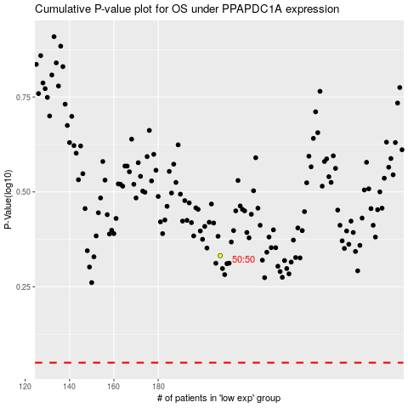

 |  |  |  |  |  | cases_OS | p_OS | rank | exp
 |  |  |  |  |  |  | cases_RFS | p_RFS | rank | exp

