PPAPDC2 _multivariate
Reported by Tex Li-Hsing Chi. tex@gate.sinica.edu.tw 2019-08-16

Table 2. The clinicopathological features of HNSCC cohort and PPAPDC2 expression. (Chi square test)
Cutoff at 0.02 (66.9%)
 |  | PPAPDC2 expression |  | PPAPDC2 expression |  | (Optimised)
 | Features | Low | (%) | High | (%) | Case no | P-value | Remark | Matthews
Gender | Female | 215 | 51.8 | 91 | 21.9 | 415 | 0.024 | 1 | 0
2 | Male | 63 | 15.2 | 46 | 11.1
Age at diagnosis | <=65y | 196 | 47.2 | 78 | 18.8 | 415 | 0.0084 | 1 | 0
4 | >65y | 82 | 19.8 | 59 | 14.2
Clinical T Status | T1+T2 | 104 | 25.1 | 45 | 10.8 | 415 | 0.4223 | 0 | 0
6 | T3+T4 | 174 | 41.9 | 92 | 22.2
Clinical N Status | N0 | 142 | 34.2 | 74 | 17.8 | 415 | 0.6466 | 0 | 0
8 | N1-3 | 136 | 32.8 | 63 | 15.2
Clinical M Status | M0 | 276 | 66.5 | 136 | 32.8 | 415 | 1 | 0 | 0
10 | M1 | 2 | 0.5 | 1 | 0.2
Clinical Stage | Stage I+II | 69 | 16.6 | 33 | 8 | 415 | 0.9667 | 0 | 0
12 | Stage III+IV | 209 | 50.4 | 104 | 25.1
Surgical Margin status | Negative | 215 | 51.8 | 103 | 24.8 | 415 | 0.6239 | 0 | 0
14 | Positive | 63 | 15.2 | 34 | 8.2
Tobacco Exposure | Low | 97 | 23.4 | 64 | 15.4 | 415 | 0.0244 | 1 | 0
16 | High | 181 | 43.6 | 73 | 17.6

Table 3. Univariate/Multivariate Cox's proportional hazards regression analyses on OS time of PPAPDC2 gene expression in HNSCC

 |  | Univariate |  |  |  | Multivariate
 | Features | HR | CI95%(L) | CI95%(H) | P-value | HR | CI95%(L) | CI95%(H) | P-value
1 | Female | 1 |  |  |  | 1
Gender | Male | 1.157 | 0.843 | 1.587 | 0.367 | 1.149 | 0.819 | 1.613 | 0.422
11 | <=65y | 1 |  |  |  | 1
Age at diagnosis | >65y | 1.329 | 0.99 | 1.784 | 0.058 | 1.344 | 0.986 | 1.832 | 0.061
12 | T1+T2 | 1 |  |  |  | 1
Clinical T Status | T3+T4 | 1.409 | 1.028 | 1.931 | 0.033 | 2.151 | 1.135 | 4.076 | 0.019
13 | N0 | 1 |  |  |  | 1
Clinical N Status | N1-3 | 1.185 | 0.89 | 1.577 | 0.246 | 1.249 | 0.875 | 1.783 | 0.22
14 | M0 | 1 |  |  |  | 1
Clinical M Status | M1 | 4.097 | 1.009 | 16.644 | 0.049 | 9.401 | 2.051 | 43.09 | 0.004
15 | Stage I+II | 1 |  |  |  | 1
Clinical Stage | Stage III+IV | 1.245 | 0.882 | 1.759 | 0.213 | 0.531 | 0.246 | 1.143 | 0.106
16 | Negative | 1 |  |  |  | 1
Surgical Margin status | Positive | 1.591 | 1.155 | 2.191 | 0.004 | 1.637 | 1.183 | 2.263 | 0.003
17 | Low | 1 |  |  |  | 1
Tobacco Exposure | High | 1.364 | 1.008 | 1.844 | 0.044 | 1.488 | 1.079 | 2.051 | 0.015
18 | Low | 1 |  |  |  | 1
RNAseq(z-score) | High | 1.448 | 1.08 | 1.94 | 0.013 | 1.417 | 1.048 | 1.916 | 0.023

Table 4. Univariate/Multivariate Cox's proportional hazards regression analyses on RFS time of PPAPDC2 gene expression in HNSCC

 |  | Univariate |  |  |  | Multivariate
 | Features | HR | CI95%(L) | CI95%(H) | P-value | HR | CI95%(L) | CI95%(H) | P-value
1 | Female | 1 |  |  |  | 1
Gender | Male | 1.157 | 0.843 | 1.587 | 0.367 | 1.149 | 0.819 | 1.613 | 0.422
11 | <=65y | 1 |  |  |  | 1
Age at diagnosis | >65y | 1.329 | 0.99 | 1.784 | 0.058 | 1.344 | 0.986 | 1.832 | 0.061
12 | T1+T2 | 1 |  |  |  | 1
Clinical T Status | T3+T4 | 1.409 | 1.028 | 1.931 | 0.033 | 2.151 | 1.135 | 4.076 | 0.019
13 | N0 | 1 |  |  |  | 1
Clinical N Status | N1-3 | 1.185 | 0.89 | 1.577 | 0.246 | 1.249 | 0.875 | 1.783 | 0.22
14 | M0 | 1 |  |  |  | 1
Clinical M Status | M1 | 4.097 | 1.009 | 16.644 | 0.049 | 9.401 | 2.051 | 43.09 | 0.004
15 | Stage I+II | 1 |  |  |  | 1
Clinical Stage | Stage III+IV | 1.245 | 0.882 | 1.759 | 0.213 | 0.531 | 0.246 | 1.143 | 0.106
16 | Negative | 1 |  |  |  | 1
Surgical Margin status | Positive | 1.591 | 1.155 | 2.191 | 0.004 | 1.637 | 1.183 | 2.263 | 0.003
17 | Low | 1 |  |  |  | 1
Tobacco Exposure | High | 1.364 | 1.008 | 1.844 | 0.044 | 1.488 | 1.079 | 2.051 | 0.015
18 | Low | 1 |  |  |  | 1
RNAseq(z-score) | High | 1.448 | 1.08 | 1.94 | 0.013 | 1.417 | 1.048 | 1.916 | 0.023

Kaplan-Meier survival estimate: Cutoff at 0.02 (66.9%)

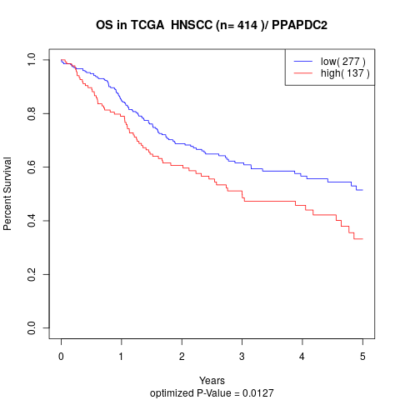

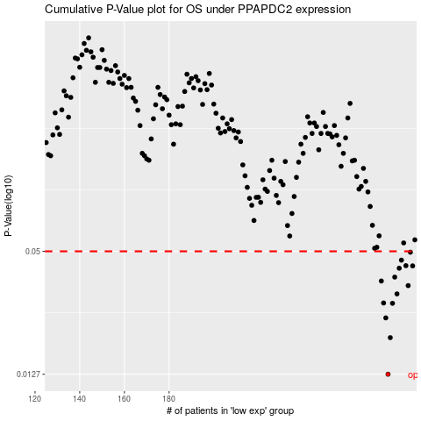

 |  |  |  |  |  | cases_OS | p_OS | rank | exp
 |  |  |  |  |  | 278 | 0.0127 | 85 | 0.020234227222
 |  |  |  |  |  | 279 | 0.0191 | 224 | 0.022004139371
 |  |  |  |  |  | 277 | 0.0238 | 219 | 0.015192195724
 |  |  |  |  |  | 280 | 0.028 | 23 | 0.026274415744
 |  |  |  |  |  | 276 | 0.0281 | 382 | 0.015059108121
 |  |  |  |  |  | 282 | 0.0311 | 137 | 0.032713102205
 |  |  |  |  |  | 287 | 0.0341 | 398 | 0.06590316179
 |  |  |  |  |  | 275 | 0.0359 | 347 | 0.014715298479
 |  |  |  |  |  | 281 | 0.0375 | 39 | 0.028724298464
 |  |  |  |  |  | 283 | 0.0414 | 256 | 0.033711259229
 |  |  |  |  |  | 289 | 0.0425 | 227 | 0.094299008173
 |  |  |  |  |  | 286 | 0.0426 | 160 | 0.05885716753
 |  |  |  |  |  | 284 | 0.0453 | 338 | 0.0342367258
 |  |  |  |  |  | 288 | 0.0495 | 294 | 0.069339346029
 |  |  |  |  |  |  | cases_RFS | p_RFS | rank | exp
 |  |  |  |  |  |  | 277 | 0.0127 | 219 | 0.015192195724
 |  |  |  |  |  |  | 278 | 0.0191 | 85 | 0.020234227222
 |  |  |  |  |  |  | 276 | 0.0238 | 382 | 0.015059108121
 |  |  |  |  |  |  | 279 | 0.028 | 224 | 0.022004139371
 |  |  |  |  |  |  | 275 | 0.0281 | 347 | 0.014715298479
 |  |  |  |  |  |  | 281 | 0.0311 | 39 | 0.028724298464
 |  |  |  |  |  |  | 286 | 0.0341 | 160 | 0.05885716753
 |  |  |  |  |  |  | 274 | 0.0359 | 26 | 0.0092047833202
 |  |  |  |  |  |  | 280 | 0.0375 | 23 | 0.026274415744
 |  |  |  |  |  |  | 282 | 0.0414 | 137 | 0.032713102205
 |  |  |  |  |  |  | 288 | 0.0425 | 294 | 0.069339346029
 |  |  |  |  |  |  | 285 | 0.0426 | 149 | 0.037212839963
 |  |  |  |  |  |  | 283 | 0.0453 | 256 | 0.033711259229
 |  |  |  |  |  |  | 287 | 0.0495 | 398 | 0.06590316179

