PPAPDC3 _multivariate
Reported by Tex Li-Hsing Chi. tex@gate.sinica.edu.tw 2019-08-16

Table 2. The clinicopathological features of HNSCC cohort and PPAPDC3 expression. (Chi square test)
Cutoff at -0.219 (50.0%)
 |  | PPAPDC3 expression |  | PPAPDC3 expression |  | (Optimised)
 | Features | Low | (%) | High | (%) | Case no | P-value | Remark | Matthews
Gender | Female | 155 | 37.3 | 151 | 36.4 | 415 | 0.6768 | 0 | 0
2 | Male | 52 | 12.5 | 57 | 13.7
Age at diagnosis | <=65y | 132 | 31.8 | 142 | 34.2 | 415 | 0.3874 | 0 | 0
4 | >65y | 75 | 18.1 | 66 | 15.9
Clinical T Status | T1+T2 | 71 | 17.1 | 78 | 18.8 | 415 | 0.5638 | 0 | 0
6 | T3+T4 | 136 | 32.8 | 130 | 31.3
Clinical N Status | N0 | 109 | 26.3 | 107 | 25.8 | 415 | 0.8812 | 0 | 0
8 | N1-3 | 98 | 23.6 | 101 | 24.3
Clinical M Status | M0 | 204 | 49.2 | 208 | 50.1 | 415 | 0.1232 | 0 | 0
10 | M1 | 3 | 0.7 | 0 | 0
Clinical Stage | Stage I+II | 45 | 10.8 | 57 | 13.7 | 415 | 0.2202 | 0 | 0
12 | Stage III+IV | 162 | 39 | 151 | 36.4
Surgical Margin status | Negative | 157 | 37.8 | 161 | 38.8 | 415 | 0.729 | 0 | 0
14 | Positive | 50 | 12 | 47 | 11.3
Tobacco Exposure | Low | 87 | 21 | 74 | 17.8 | 415 | 0.1911 | 0 | 0
16 | High | 120 | 28.9 | 134 | 32.3

Table 3. Univariate/Multivariate Cox's proportional hazards regression analyses on OS time of PPAPDC3 gene expression in HNSCC

 |  | Univariate |  |  |  | Multivariate
 | Features | HR | CI95%(L) | CI95%(H) | P-value | HR | CI95%(L) | CI95%(H) | P-value
1 | Female | 1 |  |  |  | 1
Gender | Male | 1.157 | 0.843 | 1.587 | 0.367 | 1.198 | 0.858 | 1.673 | 0.29
11 | <=65y | 1 |  |  |  | 1
Age at diagnosis | >65y | 1.329 | 0.99 | 1.784 | 0.058 | 1.425 | 1.046 | 1.941 | 0.025
12 | T1+T2 | 1 |  |  |  | 1
Clinical T Status | T3+T4 | 1.409 | 1.028 | 1.931 | 0.033 | 2.141 | 1.132 | 4.051 | 0.019
13 | N0 | 1 |  |  |  | 1
Clinical N Status | N1-3 | 1.185 | 0.89 | 1.577 | 0.246 | 1.237 | 0.867 | 1.765 | 0.241
14 | M0 | 1 |  |  |  | 1
Clinical M Status | M1 | 4.097 | 1.009 | 16.644 | 0.049 | 10.243 | 2.225 | 47.158 | 0.003
15 | Stage I+II | 1 |  |  |  | 1
Clinical Stage | Stage III+IV | 1.245 | 0.882 | 1.759 | 0.213 | 0.529 | 0.246 | 1.139 | 0.104
16 | Negative | 1 |  |  |  | 1
Surgical Margin status | Positive | 1.591 | 1.155 | 2.191 | 0.004 | 1.646 | 1.191 | 2.275 | 0.003
17 | Low | 1 |  |  |  | 1
Tobacco Exposure | High | 1.364 | 1.008 | 1.844 | 0.044 | 1.43 | 1.037 | 1.97 | 0.029
18 | Low | 1 |  |  |  | 1
RNAseq(z-score) | High | 1.225 | 0.919 | 1.633 | 0.166 | 1.241 | 0.926 | 1.665 | 0.149

Table 4. Univariate/Multivariate Cox's proportional hazards regression analyses on RFS time of PPAPDC3 gene expression in HNSCC

 |  | Univariate |  |  |  | Multivariate
 | Features | HR | CI95%(L) | CI95%(H) | P-value | HR | CI95%(L) | CI95%(H) | P-value
1 | Female | 1 |  |  |  | 1
Gender | Male | 1.157 | 0.843 | 1.587 | 0.367 | 1.198 | 0.858 | 1.673 | 0.29
11 | <=65y | 1 |  |  |  | 1
Age at diagnosis | >65y | 1.329 | 0.99 | 1.784 | 0.058 | 1.425 | 1.046 | 1.941 | 0.025
12 | T1+T2 | 1 |  |  |  | 1
Clinical T Status | T3+T4 | 1.409 | 1.028 | 1.931 | 0.033 | 2.141 | 1.132 | 4.051 | 0.019
13 | N0 | 1 |  |  |  | 1
Clinical N Status | N1-3 | 1.185 | 0.89 | 1.577 | 0.246 | 1.237 | 0.867 | 1.765 | 0.241
14 | M0 | 1 |  |  |  | 1
Clinical M Status | M1 | 4.097 | 1.009 | 16.644 | 0.049 | 10.243 | 2.225 | 47.158 | 0.003
15 | Stage I+II | 1 |  |  |  | 1
Clinical Stage | Stage III+IV | 1.245 | 0.882 | 1.759 | 0.213 | 0.529 | 0.246 | 1.139 | 0.104
16 | Negative | 1 |  |  |  | 1
Surgical Margin status | Positive | 1.591 | 1.155 | 2.191 | 0.004 | 1.646 | 1.191 | 2.275 | 0.003
17 | Low | 1 |  |  |  | 1
Tobacco Exposure | High | 1.364 | 1.008 | 1.844 | 0.044 | 1.43 | 1.037 | 1.97 | 0.029
18 | Low | 1 |  |  |  | 1
RNAseq(z-score) | High | 1.225 | 0.919 | 1.633 | 0.166 | 1.241 | 0.926 | 1.665 | 0.149

Kaplan-Meier survival estimate: Cutoff at -0.219 (50.0%)



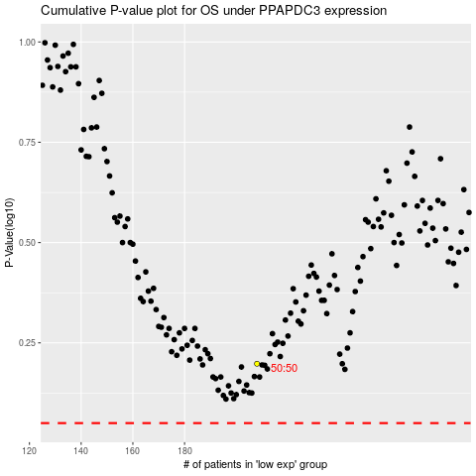

 |  |  |  |  |  | cases_OS | p_OS | rank | exp
 |  |  |  |  |  |  | cases_RFS | p_RFS | rank | exp

