PPARD _multivariate
Reported by Tex Li-Hsing Chi. tex@gate.sinica.edu.tw 2019-08-16

Table 2. The clinicopathological features of HNSCC cohort and PPARD expression. (Chi square test)
Cutoff at 0.33 (67.6%)
 |  | PPARD expression |  | PPARD expression |  | (Optimised)
 | Features | Low | (%) | High | (%) | Case no | P-value | Remark | Matthews
Gender | Female | 210 | 50.6 | 96 | 23.1 | 415 | 0.4689 | 0 | 0
2 | Male | 70 | 16.9 | 39 | 9.4
Age at diagnosis | <=65y | 181 | 43.6 | 93 | 22.4 | 415 | 0.4563 | 0 | 0
4 | >65y | 99 | 23.9 | 42 | 10.1
Clinical T Status | T1+T2 | 108 | 26 | 41 | 9.9 | 415 | 0.1279 | 0 | 0
6 | T3+T4 | 172 | 41.4 | 94 | 22.7
Clinical N Status | N0 | 143 | 34.5 | 73 | 17.6 | 415 | 0.6393 | 0 | 0
8 | N1-3 | 137 | 33 | 62 | 14.9
Clinical M Status | M0 | 279 | 67.2 | 133 | 32 | 415 | 0.2481 | 0 | 0
10 | M1 | 1 | 0.2 | 2 | 0.5
Clinical Stage | Stage I+II | 73 | 17.6 | 29 | 7 | 415 | 0.3704 | 0 | 0
12 | Stage III+IV | 207 | 49.9 | 106 | 25.5
Surgical Margin status | Negative | 208 | 50.1 | 110 | 26.5 | 415 | 0.1094 | 0 | 0
14 | Positive | 72 | 17.3 | 25 | 6
Tobacco Exposure | Low | 106 | 25.5 | 55 | 13.3 | 415 | 0.5919 | 0 | 0
16 | High | 174 | 41.9 | 80 | 19.3

Table 3. Univariate/Multivariate Cox's proportional hazards regression analyses on OS time of PPARD gene expression in HNSCC

 |  | Univariate |  |  |  | Multivariate
 | Features | HR | CI95%(L) | CI95%(H) | P-value | HR | CI95%(L) | CI95%(H) | P-value
1 | Female | 1 |  |  |  | 1
Gender | Male | 1.157 | 0.843 | 1.587 | 0.367 | 1.223 | 0.874 | 1.711 | 0.24
11 | <=65y | 1 |  |  |  | 1
Age at diagnosis | >65y | 1.329 | 0.99 | 1.784 | 0.058 | 1.366 | 1.005 | 1.857 | 0.047
12 | T1+T2 | 1 |  |  |  | 1
Clinical T Status | T3+T4 | 1.409 | 1.028 | 1.931 | 0.033 | 2.191 | 1.158 | 4.144 | 0.016
13 | N0 | 1 |  |  |  | 1
Clinical N Status | N1-3 | 1.185 | 0.89 | 1.577 | 0.246 | 1.195 | 0.835 | 1.711 | 0.33
14 | M0 | 1 |  |  |  | 1
Clinical M Status | M1 | 4.097 | 1.009 | 16.644 | 0.049 | 10.781 | 2.328 | 49.915 | 0.002
15 | Stage I+II | 1 |  |  |  | 1
Clinical Stage | Stage III+IV | 1.245 | 0.882 | 1.759 | 0.213 | 0.515 | 0.24 | 1.106 | 0.089
16 | Negative | 1 |  |  |  | 1
Surgical Margin status | Positive | 1.591 | 1.155 | 2.191 | 0.004 | 1.628 | 1.177 | 2.252 | 0.003
17 | Low | 1 |  |  |  | 1
Tobacco Exposure | High | 1.364 | 1.008 | 1.844 | 0.044 | 1.425 | 1.034 | 1.963 | 0.03
18 | Low | 1 |  |  |  | 1
RNAseq(z-score) | High | 0.725 | 0.526 | 1.001 | 0.051 | 0.768 | 0.552 | 1.07 | 0.119

Table 4. Univariate/Multivariate Cox's proportional hazards regression analyses on RFS time of PPARD gene expression in HNSCC

 |  | Univariate |  |  |  | Multivariate
 | Features | HR | CI95%(L) | CI95%(H) | P-value | HR | CI95%(L) | CI95%(H) | P-value
1 | Female | 1 |  |  |  | 1
Gender | Male | 1.157 | 0.843 | 1.587 | 0.367 | 1.223 | 0.874 | 1.711 | 0.24
11 | <=65y | 1 |  |  |  | 1
Age at diagnosis | >65y | 1.329 | 0.99 | 1.784 | 0.058 | 1.366 | 1.005 | 1.857 | 0.047
12 | T1+T2 | 1 |  |  |  | 1
Clinical T Status | T3+T4 | 1.409 | 1.028 | 1.931 | 0.033 | 2.191 | 1.158 | 4.144 | 0.016
13 | N0 | 1 |  |  |  | 1
Clinical N Status | N1-3 | 1.185 | 0.89 | 1.577 | 0.246 | 1.195 | 0.835 | 1.711 | 0.33
14 | M0 | 1 |  |  |  | 1
Clinical M Status | M1 | 4.097 | 1.009 | 16.644 | 0.049 | 10.781 | 2.328 | 49.915 | 0.002
15 | Stage I+II | 1 |  |  |  | 1
Clinical Stage | Stage III+IV | 1.245 | 0.882 | 1.759 | 0.213 | 0.515 | 0.24 | 1.106 | 0.089
16 | Negative | 1 |  |  |  | 1
Surgical Margin status | Positive | 1.591 | 1.155 | 2.191 | 0.004 | 1.628 | 1.177 | 2.252 | 0.003
17 | Low | 1 |  |  |  | 1
Tobacco Exposure | High | 1.364 | 1.008 | 1.844 | 0.044 | 1.425 | 1.034 | 1.963 | 0.03
18 | Low | 1 |  |  |  | 1
RNAseq(z-score) | High | 0.725 | 0.526 | 1.001 | 0.051 | 0.768 | 0.552 | 1.07 | 0.119

Kaplan-Meier survival estimate: Cutoff at 0.33 (67.6%)



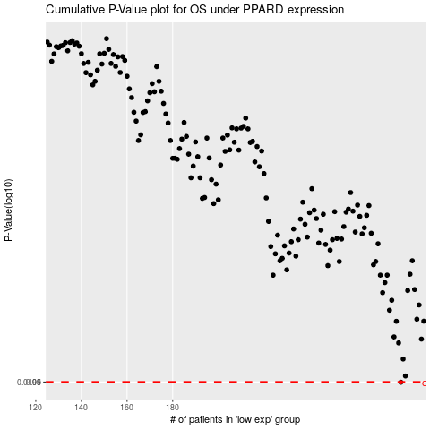

 |  |  |  |  |  | cases_OS | p_OS | rank | exp
 |  |  |  |  |  | 280 | 0.0499 | 116 | 0.33033943855
 |  |  |  |  |  |  | cases_RFS | p_RFS | rank | exp
 |  |  |  |  |  |  | 279 | 0.0499 | 198 | 0.3286216831

