PPAT _multivariate
Reported by Tex Li-Hsing Chi. tex@gate.sinica.edu.tw 2019-08-16

Table 2. The clinicopathological features of HNSCC cohort and PPAT expression. (Chi square test)
Cutoff at -0.351 (35.5%)
 |  | PPAT expression |  | PPAT expression |  | (Optimised)
 | Features | Low | (%) | High | (%) | Case no | P-value | Remark | Matthews
Gender | Female | 108 | 26 | 198 | 47.7 | 415 | 0.8838 | 0 | 0
2 | Male | 40 | 9.6 | 69 | 16.6
Age at diagnosis | <=65y | 95 | 22.9 | 179 | 43.1 | 415 | 0.6316 | 0 | 0
4 | >65y | 53 | 12.8 | 88 | 21.2
Clinical T Status | T1+T2 | 62 | 14.9 | 87 | 21 | 415 | 0.074 | 0 | 0
6 | T3+T4 | 86 | 20.7 | 180 | 43.4
Clinical N Status | N0 | 84 | 20.2 | 132 | 31.8 | 415 | 0.1845 | 0 | 0
8 | N1-3 | 64 | 15.4 | 135 | 32.5
Clinical M Status | M0 | 146 | 35.2 | 266 | 64.1 | 415 | 0.2904 | 0 | 0
10 | M1 | 2 | 0.5 | 1 | 0.2
Clinical Stage | Stage I+II | 43 | 10.4 | 59 | 14.2 | 415 | 0.1449 | 0 | 0
12 | Stage III+IV | 105 | 25.3 | 208 | 50.1
Surgical Margin status | Negative | 119 | 28.7 | 199 | 48 | 415 | 0.1851 | 0 | 0
14 | Positive | 29 | 7 | 68 | 16.4
Tobacco Exposure | Low | 77 | 18.6 | 84 | 20.2 | 415 | 1e-04 | 1 | 0
16 | High | 71 | 17.1 | 183 | 44.1

Table 3. Univariate/Multivariate Cox's proportional hazards regression analyses on OS time of PPAT gene expression in HNSCC

 |  | Univariate |  |  |  | Multivariate
 | Features | HR | CI95%(L) | CI95%(H) | P-value | HR | CI95%(L) | CI95%(H) | P-value
1 | Female | 1 |  |  |  | 1
Gender | Male | 1.157 | 0.843 | 1.587 | 0.367 | 1.226 | 0.876 | 1.715 | 0.235
11 | <=65y | 1 |  |  |  | 1
Age at diagnosis | >65y | 1.329 | 0.99 | 1.784 | 0.058 | 1.389 | 1.022 | 1.889 | 0.036
12 | T1+T2 | 1 |  |  |  | 1
Clinical T Status | T3+T4 | 1.409 | 1.028 | 1.931 | 0.033 | 2.229 | 1.181 | 4.209 | 0.013
13 | N0 | 1 |  |  |  | 1
Clinical N Status | N1-3 | 1.185 | 0.89 | 1.577 | 0.246 | 1.238 | 0.867 | 1.767 | 0.241
14 | M0 | 1 |  |  |  | 1
Clinical M Status | M1 | 4.097 | 1.009 | 16.644 | 0.049 | 12.242 | 2.642 | 56.729 | 0.001
15 | Stage I+II | 1 |  |  |  | 1
Clinical Stage | Stage III+IV | 1.245 | 0.882 | 1.759 | 0.213 | 0.48 | 0.224 | 1.029 | 0.059
16 | Negative | 1 |  |  |  | 1
Surgical Margin status | Positive | 1.591 | 1.155 | 2.191 | 0.004 | 1.648 | 1.192 | 2.278 | 0.003
17 | Low | 1 |  |  |  | 1
Tobacco Exposure | High | 1.364 | 1.008 | 1.844 | 0.044 | 1.348 | 0.975 | 1.865 | 0.071
18 | Low | 1 |  |  |  | 1
RNAseq(z-score) | High | 1.719 | 1.242 | 2.38 | 0.001 | 1.673 | 1.198 | 2.338 | 0.003

Table 4. Univariate/Multivariate Cox's proportional hazards regression analyses on RFS time of PPAT gene expression in HNSCC

 |  | Univariate |  |  |  | Multivariate
 | Features | HR | CI95%(L) | CI95%(H) | P-value | HR | CI95%(L) | CI95%(H) | P-value
1 | Female | 1 |  |  |  | 1
Gender | Male | 1.157 | 0.843 | 1.587 | 0.367 | 1.226 | 0.876 | 1.715 | 0.235
11 | <=65y | 1 |  |  |  | 1
Age at diagnosis | >65y | 1.329 | 0.99 | 1.784 | 0.058 | 1.389 | 1.022 | 1.889 | 0.036
12 | T1+T2 | 1 |  |  |  | 1
Clinical T Status | T3+T4 | 1.409 | 1.028 | 1.931 | 0.033 | 2.229 | 1.181 | 4.209 | 0.013
13 | N0 | 1 |  |  |  | 1
Clinical N Status | N1-3 | 1.185 | 0.89 | 1.577 | 0.246 | 1.238 | 0.867 | 1.767 | 0.241
14 | M0 | 1 |  |  |  | 1
Clinical M Status | M1 | 4.097 | 1.009 | 16.644 | 0.049 | 12.242 | 2.642 | 56.729 | 0.001
15 | Stage I+II | 1 |  |  |  | 1
Clinical Stage | Stage III+IV | 1.245 | 0.882 | 1.759 | 0.213 | 0.48 | 0.224 | 1.029 | 0.059
16 | Negative | 1 |  |  |  | 1
Surgical Margin status | Positive | 1.591 | 1.155 | 2.191 | 0.004 | 1.648 | 1.192 | 2.278 | 0.003
17 | Low | 1 |  |  |  | 1
Tobacco Exposure | High | 1.364 | 1.008 | 1.844 | 0.044 | 1.348 | 0.975 | 1.865 | 0.071
18 | Low | 1 |  |  |  | 1
RNAseq(z-score) | High | 1.719 | 1.242 | 2.38 | 0.001 | 1.673 | 1.198 | 2.338 | 0.003

Kaplan-Meier survival estimate: Cutoff at -0.351 (35.5%)

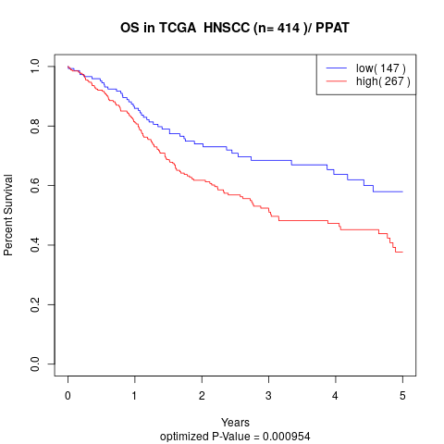

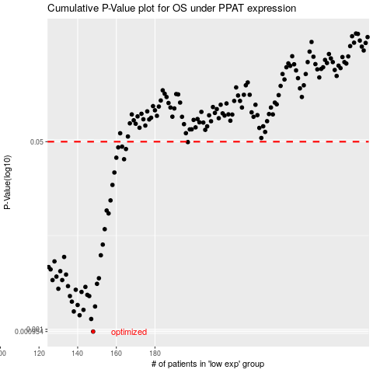

 |  |  |  |  |  | cases_OS | p_OS | rank | exp
 |  |  |  |  |  | 148 | 0.000954 | 247 | -0.3514555359
 |  |  |  |  |  | 147 | 0.00124 | 164 | -0.35762909711
 |  |  |  |  |  | 141 | 0.00134 | 21 | -0.37944500429
 |  |  |  |  |  | 138 | 0.00145 | 296 | -0.38923605913
 |  |  |  |  |  | 143 | 0.0015 | 289 | -0.37133061837
 |  |  |  |  |  | 149 | 0.00161 | 78 | -0.34937686988
 |  |  |  |  |  | 140 | 0.00166 | 335 | -0.37981146043
 |  |  |  |  |  | 137 | 0.00178 | 316 | -0.38965726756
 |  |  |  |  |  | 146 | 0.002 | 57 | -0.3652074869
 |  |  |  |  |  | 136 | 0.002 | 393 | -0.3922695283
 |  |  |  |  |  | 145 | 0.00205 | 154 | -0.36799072848
 |  |  |  |  |  | 142 | 0.00218 | 51 | -0.37912225393
 |  |  |  |  |  | 139 | 0.00228 | 105 | -0.38289583962
 |  |  |  |  |  | 130 | 0.00233 | 263 | -0.40400044728
 |  |  |  |  |  | 144 | 0.00242 | 367 | -0.3685987671
 |  |  |  |  |  | 135 | 0.00246 | 37 | -0.39432898298
 |  |  |  |  |  | 150 | 0.00258 | 7 | -0.34812381082
 |  |  |  |  |  | 132 | 0.00279 | 398 | -0.40171477917
 |  |  |  |  |  | 127 | 0.00279 | 409 | -0.40877974614
 |  |  |  |  |  | 151 | 0.0029 | 281 | -0.34616089308
 |  |  |  |  |  | 129 | 0.003 | 31 | -0.40414645339
 |  |  |  |  |  | 134 | 0.00313 | 392 | -0.39655749737
 |  |  |  |  |  | 131 | 0.00336 | 11 | -0.40345340463
 |  |  |  |  |  | 126 | 0.00349 | 357 | -0.41165664296
 |  |  |  |  |  | 125 | 0.00366 | 356 | -0.41915194374
 |  |  |  |  |  | 128 | 0.00412 | 106 | -0.40849205646
 |  |  |  |  |  | 133 | 0.00452 | 321 | -0.39825770016
 |  |  |  |  |  | 152 | 0.00468 | 273 | -0.33995995572
 |  |  |  |  |  | 153 | 0.00585 | 237 | -0.3367358141
 |  |  |  |  |  | 154 | 0.00807 | 79 | -0.3358943578
 |  |  |  |  |  | 156 | 0.0112 | 260 | -0.32713639229
 |  |  |  |  |  | 155 | 0.0119 | 304 | -0.33528007549
 |  |  |  |  |  | 157 | 0.0147 | 58 | -0.32104303838
 |  |  |  |  |  | 158 | 0.0203 | 369 | -0.31846007493
 |  |  |  |  |  | 159 | 0.0263 | 97 | -0.31579306191
 |  |  |  |  |  | 164 | 0.0347 | 90 | -0.2723202213
 |  |  |  |  |  | 160 | 0.0358 | 405 | -0.31026644226
 |  |  |  |  |  | 165 | 0.0429 | 385 | -0.2721910251
 |  |  |  |  |  | 161 | 0.0444 | 80 | -0.29168716407
 |  |  |  |  |  | 163 | 0.0451 | 122 | -0.28302717634
 |  |  |  |  |  | 197 | 0.0496 | 372 | -0.16227003288
 |  |  |  |  |  |  | cases_RFS | p_RFS | rank | exp
 |  |  |  |  |  |  | 147 | 0.000954 | 164 | -0.35762909711
 |  |  |  |  |  |  | 146 | 0.00124 | 57 | -0.3652074869
 |  |  |  |  |  |  | 140 | 0.00134 | 335 | -0.37981146043
 |  |  |  |  |  |  | 137 | 0.00145 | 316 | -0.38965726756
 |  |  |  |  |  |  | 142 | 0.0015 | 51 | -0.37912225393
 |  |  |  |  |  |  | 148 | 0.00161 | 247 | -0.3514555359
 |  |  |  |  |  |  | 139 | 0.00166 | 105 | -0.38289583962
 |  |  |  |  |  |  | 136 | 0.00178 | 393 | -0.3922695283
 |  |  |  |  |  |  | 135 | 0.002 | 37 | -0.39432898298
 |  |  |  |  |  |  | 145 | 0.002 | 154 | -0.36799072848
 |  |  |  |  |  |  | 144 | 0.00205 | 367 | -0.3685987671
 |  |  |  |  |  |  | 141 | 0.00218 | 21 | -0.37944500429
 |  |  |  |  |  |  | 138 | 0.00228 | 296 | -0.38923605913
 |  |  |  |  |  |  | 129 | 0.00233 | 31 | -0.40414645339
 |  |  |  |  |  |  | 143 | 0.00242 | 289 | -0.37133061837
 |  |  |  |  |  |  | 134 | 0.00246 | 392 | -0.39655749737
 |  |  |  |  |  |  | 149 | 0.00258 | 78 | -0.34937686988
 |  |  |  |  |  |  | 131 | 0.00279 | 11 | -0.40345340463
 |  |  |  |  |  |  | 126 | 0.00279 | 357 | -0.41165664296
 |  |  |  |  |  |  | 150 | 0.0029 | 7 | -0.34812381082
 |  |  |  |  |  |  | 128 | 0.003 | 106 | -0.40849205646
 |  |  |  |  |  |  | 133 | 0.00313 | 321 | -0.39825770016
 |  |  |  |  |  |  | 130 | 0.00336 | 263 | -0.40400044728
 |  |  |  |  |  |  | 125 | 0.00349 | 356 | -0.41915194374
 |  |  |  |  |  |  |  | 0.00366 | 55 | -0.41986084186
 |  |  |  |  |  |  | 127 | 0.00412 | 409 | -0.40877974614
 |  |  |  |  |  |  | 132 | 0.00452 | 398 | -0.40171477917
 |  |  |  |  |  |  | 151 | 0.00468 | 281 | -0.34616089308
 |  |  |  |  |  |  | 152 | 0.00585 | 273 | -0.33995995572
 |  |  |  |  |  |  | 153 | 0.00807 | 237 | -0.3367358141
 |  |  |  |  |  |  | 155 | 0.0112 | 304 | -0.33528007549
 |  |  |  |  |  |  | 154 | 0.0119 | 79 | -0.3358943578
 |  |  |  |  |  |  | 156 | 0.0147 | 260 | -0.32713639229
 |  |  |  |  |  |  | 157 | 0.0203 | 58 | -0.32104303838
 |  |  |  |  |  |  | 158 | 0.0263 | 369 | -0.31846007493
 |  |  |  |  |  |  | 163 | 0.0347 | 122 | -0.28302717634
 |  |  |  |  |  |  | 159 | 0.0358 | 97 | -0.31579306191
 |  |  |  |  |  |  | 164 | 0.0429 | 90 | -0.2723202213
 |  |  |  |  |  |  | 160 | 0.0444 | 405 | -0.31026644226
 |  |  |  |  |  |  | 162 | 0.0451 | 396 | -0.28718162667
 |  |  |  |  |  |  | 196 | 0.0496 | 89 | -0.16324260651

