PPBP _multivariate
Reported by Tex Li-Hsing Chi. tex@gate.sinica.edu.tw 2019-08-16

Table 2. The clinicopathological features of HNSCC cohort and PPBP expression. (Chi square test)
Cutoff at -0.234 (50.0%)
 |  | PPBP expression |  | PPBP expression |  | (Optimised)
 | Features | Low | (%) | High | (%) | Case no | P-value | Remark | Matthews
Gender | Female | 163 | 39.3 | 143 | 34.5 | 415 | 0.0277 | 1 | 0
2 | Male | 44 | 10.6 | 65 | 15.7
Age at diagnosis | <=65y | 141 | 34 | 133 | 32 | 415 | 0.4272 | 0 | 0
4 | >65y | 66 | 15.9 | 75 | 18.1
Clinical T Status | T1+T2 | 80 | 19.3 | 69 | 16.6 | 415 | 0.2891 | 0 | 0
6 | T3+T4 | 127 | 30.6 | 139 | 33.5
Clinical N Status | N0 | 102 | 24.6 | 114 | 27.5 | 415 | 0.3031 | 0 | 0
8 | N1-3 | 105 | 25.3 | 94 | 22.7
Clinical M Status | M0 | 206 | 49.6 | 206 | 49.6 | 415 | 1 | 0 | 0
10 | M1 | 1 | 0.2 | 2 | 0.5
Clinical Stage | Stage I+II | 52 | 12.5 | 50 | 12 | 415 | 0.8871 | 0 | 0
12 | Stage III+IV | 155 | 37.3 | 158 | 38.1
Surgical Margin status | Negative | 164 | 39.5 | 154 | 37.1 | 415 | 0.2462 | 0 | 0
14 | Positive | 43 | 10.4 | 54 | 13
Tobacco Exposure | Low | 77 | 18.6 | 84 | 20.2 | 415 | 0.5459 | 0 | 0
16 | High | 130 | 31.3 | 124 | 29.9

Table 3. Univariate/Multivariate Cox's proportional hazards regression analyses on OS time of PPBP gene expression in HNSCC

 |  | Univariate |  |  |  | Multivariate
 | Features | HR | CI95%(L) | CI95%(H) | P-value | HR | CI95%(L) | CI95%(H) | P-value
1 | Female | 1 |  |  |  | 1
Gender | Male | 1.157 | 0.843 | 1.587 | 0.367 | 1.212 | 0.867 | 1.695 | 0.261
11 | <=65y | 1 |  |  |  | 1
Age at diagnosis | >65y | 1.329 | 0.99 | 1.784 | 0.058 | 1.394 | 1.025 | 1.895 | 0.034
12 | T1+T2 | 1 |  |  |  | 1
Clinical T Status | T3+T4 | 1.409 | 1.028 | 1.931 | 0.033 | 2.192 | 1.159 | 4.145 | 0.016
13 | N0 | 1 |  |  |  | 1
Clinical N Status | N1-3 | 1.185 | 0.89 | 1.577 | 0.246 | 1.227 | 0.858 | 1.755 | 0.262
14 | M0 | 1 |  |  |  | 1
Clinical M Status | M1 | 4.097 | 1.009 | 16.644 | 0.049 | 9.683 | 2.105 | 44.533 | 0.004
15 | Stage I+II | 1 |  |  |  | 1
Clinical Stage | Stage III+IV | 1.245 | 0.882 | 1.759 | 0.213 | 0.508 | 0.237 | 1.091 | 0.083
16 | Negative | 1 |  |  |  | 1
Surgical Margin status | Positive | 1.591 | 1.155 | 2.191 | 0.004 | 1.678 | 1.214 | 2.32 | 0.002
17 | Low | 1 |  |  |  | 1
Tobacco Exposure | High | 1.364 | 1.008 | 1.844 | 0.044 | 1.454 | 1.055 | 2.003 | 0.022
18 | Low | 1 |  |  |  | 1
RNAseq(z-score) | High | 0.945 | 0.708 | 1.261 | 0.699 | 0.919 | 0.686 | 1.233 | 0.575

Table 4. Univariate/Multivariate Cox's proportional hazards regression analyses on RFS time of PPBP gene expression in HNSCC

 |  | Univariate |  |  |  | Multivariate
 | Features | HR | CI95%(L) | CI95%(H) | P-value | HR | CI95%(L) | CI95%(H) | P-value
1 | Female | 1 |  |  |  | 1
Gender | Male | 1.157 | 0.843 | 1.587 | 0.367 | 1.212 | 0.867 | 1.695 | 0.261
11 | <=65y | 1 |  |  |  | 1
Age at diagnosis | >65y | 1.329 | 0.99 | 1.784 | 0.058 | 1.394 | 1.025 | 1.895 | 0.034
12 | T1+T2 | 1 |  |  |  | 1
Clinical T Status | T3+T4 | 1.409 | 1.028 | 1.931 | 0.033 | 2.192 | 1.159 | 4.145 | 0.016
13 | N0 | 1 |  |  |  | 1
Clinical N Status | N1-3 | 1.185 | 0.89 | 1.577 | 0.246 | 1.227 | 0.858 | 1.755 | 0.262
14 | M0 | 1 |  |  |  | 1
Clinical M Status | M1 | 4.097 | 1.009 | 16.644 | 0.049 | 9.683 | 2.105 | 44.533 | 0.004
15 | Stage I+II | 1 |  |  |  | 1
Clinical Stage | Stage III+IV | 1.245 | 0.882 | 1.759 | 0.213 | 0.508 | 0.237 | 1.091 | 0.083
16 | Negative | 1 |  |  |  | 1
Surgical Margin status | Positive | 1.591 | 1.155 | 2.191 | 0.004 | 1.678 | 1.214 | 2.32 | 0.002
17 | Low | 1 |  |  |  | 1
Tobacco Exposure | High | 1.364 | 1.008 | 1.844 | 0.044 | 1.454 | 1.055 | 2.003 | 0.022
18 | Low | 1 |  |  |  | 1
RNAseq(z-score) | High | 0.945 | 0.708 | 1.261 | 0.699 | 0.919 | 0.686 | 1.233 | 0.575

Kaplan-Meier survival estimate: Cutoff at -0.234 (50.0%)

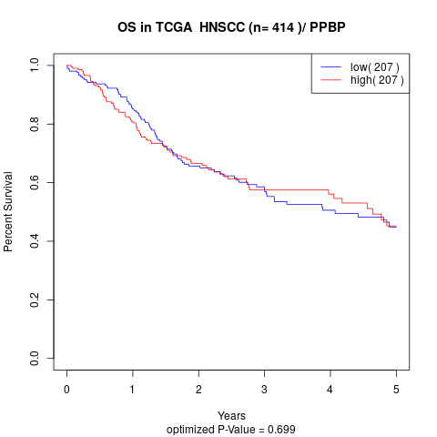

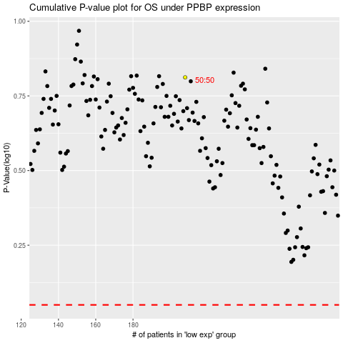

 |  |  |  |  |  | cases_OS | p_OS | rank | exp
 |  |  |  |  |  |  | cases_RFS | p_RFS | rank | exp

