PPCS _multivariate
Reported by Tex Li-Hsing Chi. tex@gate.sinica.edu.tw 2019-08-16

Table 2. The clinicopathological features of HNSCC cohort and PPCS expression. (Chi square test)
Cutoff at -0.585 (30.2%)
 |  | PPCS expression |  | PPCS expression |  | (Optimised)
 | Features | Low | (%) | High | (%) | Case no | P-value | Remark | Matthews
Gender | Female | 101 | 24.3 | 205 | 49.4 | 415 | 0.0428 | 1 | 0
2 | Male | 24 | 5.8 | 85 | 20.5
Age at diagnosis | <=65y | 83 | 20 | 191 | 46 | 415 | 1 | 0 | 0
4 | >65y | 42 | 10.1 | 99 | 23.9
Clinical T Status | T1+T2 | 44 | 10.6 | 105 | 25.3 | 415 | 0.9325 | 0 | 0
6 | T3+T4 | 81 | 19.5 | 185 | 44.6
Clinical N Status | N0 | 71 | 17.1 | 145 | 34.9 | 415 | 0.244 | 0 | 0
8 | N1-3 | 54 | 13 | 145 | 34.9
Clinical M Status | M0 | 125 | 30.1 | 287 | 69.2 | 415 | 0.5571 | 0 | 0
10 | M1 | 0 | 0 | 3 | 0.7
Clinical Stage | Stage I+II | 32 | 7.7 | 70 | 16.9 | 415 | 0.8469 | 0 | 0
12 | Stage III+IV | 93 | 22.4 | 220 | 53
Surgical Margin status | Negative | 100 | 24.1 | 218 | 52.5 | 415 | 0.3137 | 0 | 0
14 | Positive | 25 | 6 | 72 | 17.3
Tobacco Exposure | Low | 42 | 10.1 | 119 | 28.7 | 415 | 0.1875 | 0 | 0
16 | High | 83 | 20 | 171 | 41.2

Table 3. Univariate/Multivariate Cox's proportional hazards regression analyses on OS time of PPCS gene expression in HNSCC

 |  | Univariate |  |  |  | Multivariate
 | Features | HR | CI95%(L) | CI95%(H) | P-value | HR | CI95%(L) | CI95%(H) | P-value
1 | Female | 1 |  |  |  | 1
Gender | Male | 1.157 | 0.843 | 1.587 | 0.367 | 1.149 | 0.822 | 1.605 | 0.416
11 | <=65y | 1 |  |  |  | 1
Age at diagnosis | >65y | 1.329 | 0.99 | 1.784 | 0.058 | 1.399 | 1.029 | 1.901 | 0.032
12 | T1+T2 | 1 |  |  |  | 1
Clinical T Status | T3+T4 | 1.409 | 1.028 | 1.931 | 0.033 | 2.238 | 1.183 | 4.234 | 0.013
13 | N0 | 1 |  |  |  | 1
Clinical N Status | N1-3 | 1.185 | 0.89 | 1.577 | 0.246 | 1.225 | 0.859 | 1.747 | 0.263
14 | M0 | 1 |  |  |  | 1
Clinical M Status | M1 | 4.097 | 1.009 | 16.644 | 0.049 | 8.622 | 1.877 | 39.601 | 0.006
15 | Stage I+II | 1 |  |  |  | 1
Clinical Stage | Stage III+IV | 1.245 | 0.882 | 1.759 | 0.213 | 0.508 | 0.236 | 1.09 | 0.082
16 | Negative | 1 |  |  |  | 1
Surgical Margin status | Positive | 1.591 | 1.155 | 2.191 | 0.004 | 1.659 | 1.2 | 2.292 | 0.002
17 | Low | 1 |  |  |  | 1
Tobacco Exposure | High | 1.364 | 1.008 | 1.844 | 0.044 | 1.441 | 1.048 | 1.983 | 0.025
18 | Low | 1 |  |  |  | 1
RNAseq(z-score) | High | 1.404 | 1.015 | 1.944 | 0.04 | 1.386 | 0.997 | 1.926 | 0.052

Table 4. Univariate/Multivariate Cox's proportional hazards regression analyses on RFS time of PPCS gene expression in HNSCC

 |  | Univariate |  |  |  | Multivariate
 | Features | HR | CI95%(L) | CI95%(H) | P-value | HR | CI95%(L) | CI95%(H) | P-value
1 | Female | 1 |  |  |  | 1
Gender | Male | 1.157 | 0.843 | 1.587 | 0.367 | 1.149 | 0.822 | 1.605 | 0.416
11 | <=65y | 1 |  |  |  | 1
Age at diagnosis | >65y | 1.329 | 0.99 | 1.784 | 0.058 | 1.399 | 1.029 | 1.901 | 0.032
12 | T1+T2 | 1 |  |  |  | 1
Clinical T Status | T3+T4 | 1.409 | 1.028 | 1.931 | 0.033 | 2.238 | 1.183 | 4.234 | 0.013
13 | N0 | 1 |  |  |  | 1
Clinical N Status | N1-3 | 1.185 | 0.89 | 1.577 | 0.246 | 1.225 | 0.859 | 1.747 | 0.263
14 | M0 | 1 |  |  |  | 1
Clinical M Status | M1 | 4.097 | 1.009 | 16.644 | 0.049 | 8.622 | 1.877 | 39.601 | 0.006
15 | Stage I+II | 1 |  |  |  | 1
Clinical Stage | Stage III+IV | 1.245 | 0.882 | 1.759 | 0.213 | 0.508 | 0.236 | 1.09 | 0.082
16 | Negative | 1 |  |  |  | 1
Surgical Margin status | Positive | 1.591 | 1.155 | 2.191 | 0.004 | 1.659 | 1.2 | 2.292 | 0.002
17 | Low | 1 |  |  |  | 1
Tobacco Exposure | High | 1.364 | 1.008 | 1.844 | 0.044 | 1.441 | 1.048 | 1.983 | 0.025
18 | Low | 1 |  |  |  | 1
RNAseq(z-score) | High | 1.404 | 1.015 | 1.944 | 0.04 | 1.386 | 0.997 | 1.926 | 0.052

Kaplan-Meier survival estimate: Cutoff at -0.585 (30.2%)



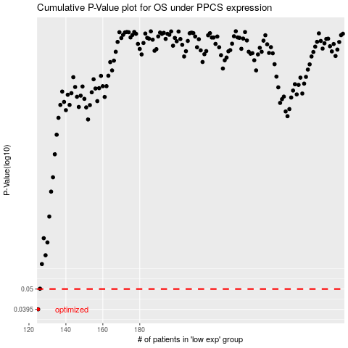

 |  |  |  |  |  | cases_OS | p_OS | rank | exp
 |  |  |  |  |  | 125 | 0.0395 | 206 | -0.58527561815
 |  |  |  |  |  |  | cases_RFS | p_RFS | rank | exp
 |  |  |  |  |  |  |  | 0.0395 | 307 | -0.58573781784

