PPIA _multivariate
Reported by Tex Li-Hsing Chi. tex@gate.sinica.edu.tw 2019-08-16

Table 2. The clinicopathological features of HNSCC cohort and PPIA expression. (Chi square test)
Cutoff at -0.201 (49.8%)
 |  | PPIA expression |  | PPIA expression |  | (Optimised)
 | Features | Low | (%) | High | (%) | Case no | P-value | Remark | Matthews
Gender | Female | 151 | 36.4 | 155 | 37.3 | 415 | 0.8007 | 0 | 0
2 | Male | 56 | 13.5 | 53 | 12.8
Age at diagnosis | <=65y | 136 | 32.8 | 138 | 33.3 | 415 | 0.9719 | 0 | 0
4 | >65y | 71 | 17.1 | 70 | 16.9
Clinical T Status | T1+T2 | 74 | 17.8 | 75 | 18.1 | 415 | 1 | 0 | 0
6 | T3+T4 | 133 | 32 | 133 | 32
Clinical N Status | N0 | 109 | 26.3 | 107 | 25.8 | 415 | 0.8812 | 0 | 0
8 | N1-3 | 98 | 23.6 | 101 | 24.3
Clinical M Status | M0 | 207 | 49.9 | 205 | 49.4 | 415 | 0.2482 | 0 | 0
10 | M1 | 0 | 0 | 3 | 0.7
Clinical Stage | Stage I+II | 50 | 12 | 52 | 12.5 | 415 | 0.9315 | 0 | 0
12 | Stage III+IV | 157 | 37.8 | 156 | 37.6
Surgical Margin status | Negative | 166 | 40 | 152 | 36.6 | 415 | 0.1042 | 0 | 0
14 | Positive | 41 | 9.9 | 56 | 13.5
Tobacco Exposure | Low | 78 | 18.8 | 83 | 20 | 415 | 0.6873 | 0 | 0
16 | High | 129 | 31.1 | 125 | 30.1

Table 3. Univariate/Multivariate Cox's proportional hazards regression analyses on OS time of PPIA gene expression in HNSCC

 |  | Univariate |  |  |  | Multivariate
 | Features | HR | CI95%(L) | CI95%(H) | P-value | HR | CI95%(L) | CI95%(H) | P-value
1 | Female | 1 |  |  |  | 1
Gender | Male | 1.157 | 0.843 | 1.587 | 0.367 | 1.195 | 0.855 | 1.672 | 0.297
11 | <=65y | 1 |  |  |  | 1
Age at diagnosis | >65y | 1.329 | 0.99 | 1.784 | 0.058 | 1.386 | 1.019 | 1.885 | 0.037
12 | T1+T2 | 1 |  |  |  | 1
Clinical T Status | T3+T4 | 1.409 | 1.028 | 1.931 | 0.033 | 2.192 | 1.159 | 4.145 | 0.016
13 | N0 | 1 |  |  |  | 1
Clinical N Status | N1-3 | 1.185 | 0.89 | 1.577 | 0.246 | 1.237 | 0.867 | 1.765 | 0.241
14 | M0 | 1 |  |  |  | 1
Clinical M Status | M1 | 4.097 | 1.009 | 16.644 | 0.049 | 9.051 | 1.955 | 41.898 | 0.005
15 | Stage I+II | 1 |  |  |  | 1
Clinical Stage | Stage III+IV | 1.245 | 0.882 | 1.759 | 0.213 | 0.509 | 0.237 | 1.095 | 0.084
16 | Negative | 1 |  |  |  | 1
Surgical Margin status | Positive | 1.591 | 1.155 | 2.191 | 0.004 | 1.656 | 1.195 | 2.294 | 0.002
17 | Low | 1 |  |  |  | 1
Tobacco Exposure | High | 1.364 | 1.008 | 1.844 | 0.044 | 1.452 | 1.054 | 2.001 | 0.023
18 | Low | 1 |  |  |  | 1
RNAseq(z-score) | High | 1.188 | 0.892 | 1.582 | 0.24 | 1.066 | 0.796 | 1.429 | 0.667

Table 4. Univariate/Multivariate Cox's proportional hazards regression analyses on RFS time of PPIA gene expression in HNSCC

 |  | Univariate |  |  |  | Multivariate
 | Features | HR | CI95%(L) | CI95%(H) | P-value | HR | CI95%(L) | CI95%(H) | P-value
1 | Female | 1 |  |  |  | 1
Gender | Male | 1.157 | 0.843 | 1.587 | 0.367 | 1.195 | 0.855 | 1.672 | 0.297
11 | <=65y | 1 |  |  |  | 1
Age at diagnosis | >65y | 1.329 | 0.99 | 1.784 | 0.058 | 1.386 | 1.019 | 1.885 | 0.037
12 | T1+T2 | 1 |  |  |  | 1
Clinical T Status | T3+T4 | 1.409 | 1.028 | 1.931 | 0.033 | 2.192 | 1.159 | 4.145 | 0.016
13 | N0 | 1 |  |  |  | 1
Clinical N Status | N1-3 | 1.185 | 0.89 | 1.577 | 0.246 | 1.237 | 0.867 | 1.765 | 0.241
14 | M0 | 1 |  |  |  | 1
Clinical M Status | M1 | 4.097 | 1.009 | 16.644 | 0.049 | 9.051 | 1.955 | 41.898 | 0.005
15 | Stage I+II | 1 |  |  |  | 1
Clinical Stage | Stage III+IV | 1.245 | 0.882 | 1.759 | 0.213 | 0.509 | 0.237 | 1.095 | 0.084
16 | Negative | 1 |  |  |  | 1
Surgical Margin status | Positive | 1.591 | 1.155 | 2.191 | 0.004 | 1.656 | 1.195 | 2.294 | 0.002
17 | Low | 1 |  |  |  | 1
Tobacco Exposure | High | 1.364 | 1.008 | 1.844 | 0.044 | 1.452 | 1.054 | 2.001 | 0.023
18 | Low | 1 |  |  |  | 1
RNAseq(z-score) | High | 1.188 | 0.892 | 1.582 | 0.24 | 1.066 | 0.796 | 1.429 | 0.667

Kaplan-Meier survival estimate: Cutoff at -0.201 (49.8%)



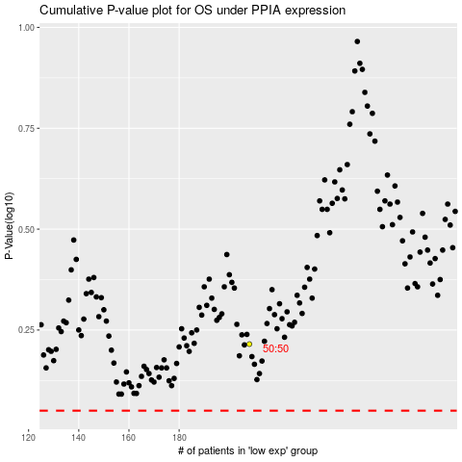

 |  |  |  |  |  | cases_OS | p_OS | rank | exp
 |  |  |  |  |  |  | cases_RFS | p_RFS | rank | exp

