PPIE _multivariate
Reported by Tex Li-Hsing Chi. tex@gate.sinica.edu.tw 2019-08-16

Table 2. The clinicopathological features of HNSCC cohort and PPIE expression. (Chi square test)
Cutoff at -0.209 (49.8%)
 |  | PPIE expression |  | PPIE expression |  | (Optimised)
 | Features | Low | (%) | High | (%) | Case no | P-value | Remark | Matthews
Gender | Female | 142 | 34.2 | 164 | 39.5 | 415 | 0.0238 | 1 | 0
2 | Male | 65 | 15.7 | 44 | 10.6
Age at diagnosis | <=65y | 133 | 32 | 141 | 34 | 415 | 0.5111 | 0 | 0
4 | >65y | 74 | 17.8 | 67 | 16.1
Clinical T Status | T1+T2 | 75 | 18.1 | 74 | 17.8 | 415 | 0.9707 | 0 | 0
6 | T3+T4 | 132 | 31.8 | 134 | 32.3
Clinical N Status | N0 | 112 | 27 | 104 | 25.1 | 415 | 0.4599 | 0 | 0
8 | N1-3 | 95 | 22.9 | 104 | 25.1
Clinical M Status | M0 | 207 | 49.9 | 205 | 49.4 | 415 | 0.2482 | 0 | 0
10 | M1 | 0 | 0 | 3 | 0.7
Clinical Stage | Stage I+II | 56 | 13.5 | 46 | 11.1 | 415 | 0.2918 | 0 | 0
12 | Stage III+IV | 151 | 36.4 | 162 | 39
Surgical Margin status | Negative | 167 | 40.2 | 151 | 36.4 | 415 | 0.0632 | 0 | 0
14 | Positive | 40 | 9.6 | 57 | 13.7
Tobacco Exposure | Low | 81 | 19.5 | 80 | 19.3 | 415 | 0.9199 | 0 | 0
16 | High | 126 | 30.4 | 128 | 30.8

Table 3. Univariate/Multivariate Cox's proportional hazards regression analyses on OS time of PPIE gene expression in HNSCC

 |  | Univariate |  |  |  | Multivariate
 | Features | HR | CI95%(L) | CI95%(H) | P-value | HR | CI95%(L) | CI95%(H) | P-value
1 | Female | 1 |  |  |  | 1
Gender | Male | 1.157 | 0.843 | 1.587 | 0.367 | 1.204 | 0.862 | 1.682 | 0.276
11 | <=65y | 1 |  |  |  | 1
Age at diagnosis | >65y | 1.329 | 0.99 | 1.784 | 0.058 | 1.387 | 1.02 | 1.886 | 0.037
12 | T1+T2 | 1 |  |  |  | 1
Clinical T Status | T3+T4 | 1.409 | 1.028 | 1.931 | 0.033 | 2.219 | 1.173 | 4.2 | 0.014
13 | N0 | 1 |  |  |  | 1
Clinical N Status | N1-3 | 1.185 | 0.89 | 1.577 | 0.246 | 1.241 | 0.87 | 1.77 | 0.234
14 | M0 | 1 |  |  |  | 1
Clinical M Status | M1 | 4.097 | 1.009 | 16.644 | 0.049 | 9.177 | 1.993 | 42.247 | 0.004
15 | Stage I+II | 1 |  |  |  | 1
Clinical Stage | Stage III+IV | 1.245 | 0.882 | 1.759 | 0.213 | 0.5 | 0.233 | 1.074 | 0.076
16 | Negative | 1 |  |  |  | 1
Surgical Margin status | Positive | 1.591 | 1.155 | 2.191 | 0.004 | 1.656 | 1.195 | 2.295 | 0.002
17 | Low | 1 |  |  |  | 1
Tobacco Exposure | High | 1.364 | 1.008 | 1.844 | 0.044 | 1.449 | 1.051 | 1.997 | 0.024
18 | Low | 1 |  |  |  | 1
RNAseq(z-score) | High | 1.144 | 0.859 | 1.524 | 0.357 | 1.065 | 0.795 | 1.426 | 0.675

Table 4. Univariate/Multivariate Cox's proportional hazards regression analyses on RFS time of PPIE gene expression in HNSCC

 |  | Univariate |  |  |  | Multivariate
 | Features | HR | CI95%(L) | CI95%(H) | P-value | HR | CI95%(L) | CI95%(H) | P-value
1 | Female | 1 |  |  |  | 1
Gender | Male | 1.157 | 0.843 | 1.587 | 0.367 | 1.204 | 0.862 | 1.682 | 0.276
11 | <=65y | 1 |  |  |  | 1
Age at diagnosis | >65y | 1.329 | 0.99 | 1.784 | 0.058 | 1.387 | 1.02 | 1.886 | 0.037
12 | T1+T2 | 1 |  |  |  | 1
Clinical T Status | T3+T4 | 1.409 | 1.028 | 1.931 | 0.033 | 2.219 | 1.173 | 4.2 | 0.014
13 | N0 | 1 |  |  |  | 1
Clinical N Status | N1-3 | 1.185 | 0.89 | 1.577 | 0.246 | 1.241 | 0.87 | 1.77 | 0.234
14 | M0 | 1 |  |  |  | 1
Clinical M Status | M1 | 4.097 | 1.009 | 16.644 | 0.049 | 9.177 | 1.993 | 42.247 | 0.004
15 | Stage I+II | 1 |  |  |  | 1
Clinical Stage | Stage III+IV | 1.245 | 0.882 | 1.759 | 0.213 | 0.5 | 0.233 | 1.074 | 0.076
16 | Negative | 1 |  |  |  | 1
Surgical Margin status | Positive | 1.591 | 1.155 | 2.191 | 0.004 | 1.656 | 1.195 | 2.295 | 0.002
17 | Low | 1 |  |  |  | 1
Tobacco Exposure | High | 1.364 | 1.008 | 1.844 | 0.044 | 1.449 | 1.051 | 1.997 | 0.024
18 | Low | 1 |  |  |  | 1
RNAseq(z-score) | High | 1.144 | 0.859 | 1.524 | 0.357 | 1.065 | 0.795 | 1.426 | 0.675

Kaplan-Meier survival estimate: Cutoff at -0.209 (49.8%)



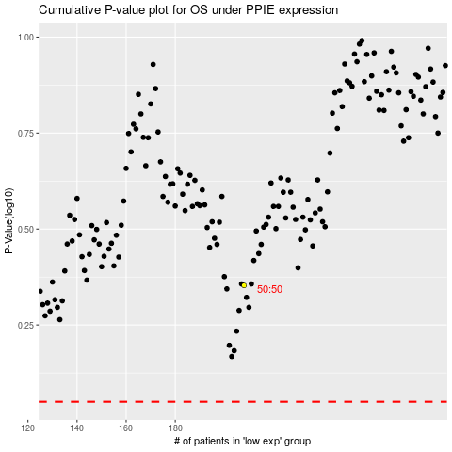

 |  |  |  |  |  | cases_OS | p_OS | rank | exp
 |  |  |  |  |  |  | cases_RFS | p_RFS | rank | exp

