PPIL3 _multivariate
Reported by Tex Li-Hsing Chi. tex@gate.sinica.edu.tw 2019-08-16

Table 2. The clinicopathological features of HNSCC cohort and PPIL3 expression. (Chi square test)
Cutoff at -0.211 (49.8%)
 |  | PPIL3 expression |  | PPIL3 expression |  | (Optimised)
 | Features | Low | (%) | High | (%) | Case no | P-value | Remark | Matthews
Gender | Female | 155 | 37.3 | 151 | 36.4 | 415 | 0.6768 | 0 | 0
2 | Male | 52 | 12.5 | 57 | 13.7
Age at diagnosis | <=65y | 135 | 32.5 | 139 | 33.5 | 415 | 0.8084 | 0 | 0
4 | >65y | 72 | 17.3 | 69 | 16.6
Clinical T Status | T1+T2 | 53 | 12.8 | 96 | 23.1 | 415 | 0 | 1 | 0
6 | T3+T4 | 154 | 37.1 | 112 | 27
Clinical N Status | N0 | 95 | 22.9 | 121 | 29.2 | 415 | 0.0162 | 1 | 0
8 | N1-3 | 112 | 27 | 87 | 21
Clinical M Status | M0 | 205 | 49.4 | 207 | 49.9 | 415 | 0.6232 | 0 | 0
10 | M1 | 2 | 0.5 | 1 | 0.2
Clinical Stage | Stage I+II | 36 | 8.7 | 66 | 15.9 | 415 | 0.001 | 1 | 0
12 | Stage III+IV | 171 | 41.2 | 142 | 34.2
Surgical Margin status | Negative | 159 | 38.3 | 159 | 38.3 | 415 | 1 | 0 | 0
14 | Positive | 48 | 11.6 | 49 | 11.8
Tobacco Exposure | Low | 76 | 18.3 | 85 | 20.5 | 415 | 0.4207 | 0 | 0
16 | High | 131 | 31.6 | 123 | 29.6

Table 3. Univariate/Multivariate Cox's proportional hazards regression analyses on OS time of PPIL3 gene expression in HNSCC

 |  | Univariate |  |  |  | Multivariate
 | Features | HR | CI95%(L) | CI95%(H) | P-value | HR | CI95%(L) | CI95%(H) | P-value
1 | Female | 1 |  |  |  | 1
Gender | Male | 1.157 | 0.843 | 1.587 | 0.367 | 1.201 | 0.86 | 1.678 | 0.282
11 | <=65y | 1 |  |  |  | 1
Age at diagnosis | >65y | 1.329 | 0.99 | 1.784 | 0.058 | 1.393 | 1.024 | 1.893 | 0.035
12 | T1+T2 | 1 |  |  |  | 1
Clinical T Status | T3+T4 | 1.409 | 1.028 | 1.931 | 0.033 | 2.182 | 1.149 | 4.141 | 0.017
13 | N0 | 1 |  |  |  | 1
Clinical N Status | N1-3 | 1.185 | 0.89 | 1.577 | 0.246 | 1.237 | 0.867 | 1.767 | 0.241
14 | M0 | 1 |  |  |  | 1
Clinical M Status | M1 | 4.097 | 1.009 | 16.644 | 0.049 | 9.305 | 2.026 | 42.743 | 0.004
15 | Stage I+II | 1 |  |  |  | 1
Clinical Stage | Stage III+IV | 1.245 | 0.882 | 1.759 | 0.213 | 0.507 | 0.236 | 1.088 | 0.081
16 | Negative | 1 |  |  |  | 1
Surgical Margin status | Positive | 1.591 | 1.155 | 2.191 | 0.004 | 1.672 | 1.21 | 2.31 | 0.002
17 | Low | 1 |  |  |  | 1
Tobacco Exposure | High | 1.364 | 1.008 | 1.844 | 0.044 | 1.452 | 1.054 | 2.001 | 0.022
18 | Low | 1 |  |  |  | 1
RNAseq(z-score) | High | 0.885 | 0.663 | 1.181 | 0.405 | 0.962 | 0.716 | 1.291 | 0.795

Table 4. Univariate/Multivariate Cox's proportional hazards regression analyses on RFS time of PPIL3 gene expression in HNSCC

 |  | Univariate |  |  |  | Multivariate
 | Features | HR | CI95%(L) | CI95%(H) | P-value | HR | CI95%(L) | CI95%(H) | P-value
1 | Female | 1 |  |  |  | 1
Gender | Male | 1.157 | 0.843 | 1.587 | 0.367 | 1.201 | 0.86 | 1.678 | 0.282
11 | <=65y | 1 |  |  |  | 1
Age at diagnosis | >65y | 1.329 | 0.99 | 1.784 | 0.058 | 1.393 | 1.024 | 1.893 | 0.035
12 | T1+T2 | 1 |  |  |  | 1
Clinical T Status | T3+T4 | 1.409 | 1.028 | 1.931 | 0.033 | 2.182 | 1.149 | 4.141 | 0.017
13 | N0 | 1 |  |  |  | 1
Clinical N Status | N1-3 | 1.185 | 0.89 | 1.577 | 0.246 | 1.237 | 0.867 | 1.767 | 0.241
14 | M0 | 1 |  |  |  | 1
Clinical M Status | M1 | 4.097 | 1.009 | 16.644 | 0.049 | 9.305 | 2.026 | 42.743 | 0.004
15 | Stage I+II | 1 |  |  |  | 1
Clinical Stage | Stage III+IV | 1.245 | 0.882 | 1.759 | 0.213 | 0.507 | 0.236 | 1.088 | 0.081
16 | Negative | 1 |  |  |  | 1
Surgical Margin status | Positive | 1.591 | 1.155 | 2.191 | 0.004 | 1.672 | 1.21 | 2.31 | 0.002
17 | Low | 1 |  |  |  | 1
Tobacco Exposure | High | 1.364 | 1.008 | 1.844 | 0.044 | 1.452 | 1.054 | 2.001 | 0.022
18 | Low | 1 |  |  |  | 1
RNAseq(z-score) | High | 0.885 | 0.663 | 1.181 | 0.405 | 0.962 | 0.716 | 1.291 | 0.795

Kaplan-Meier survival estimate: Cutoff at -0.211 (49.8%)



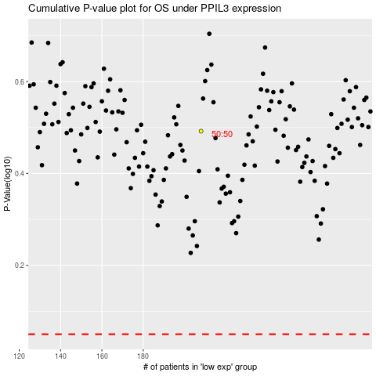

 |  |  |  |  |  | cases_OS | p_OS | rank | exp
 |  |  |  |  |  |  | cases_RFS | p_RFS | rank | exp

