PPIL4 _multivariate
Reported by Tex Li-Hsing Chi. tex@gate.sinica.edu.tw 2019-08-16

Table 2. The clinicopathological features of HNSCC cohort and PPIL4 expression. (Chi square test)
Cutoff at -0.482 (31.4%)
 |  | PPIL4 expression |  | PPIL4 expression |  | (Optimised)
 | Features | Low | (%) | High | (%) | Case no | P-value | Remark | Matthews
Gender | Female | 89 | 21.4 | 217 | 52.3 | 415 | 0.1264 | 0 | 0
2 | Male | 41 | 9.9 | 68 | 16.4
Age at diagnosis | <=65y | 82 | 19.8 | 192 | 46.3 | 415 | 0.4566 | 0 | 0
4 | >65y | 48 | 11.6 | 93 | 22.4
Clinical T Status | T1+T2 | 46 | 11.1 | 103 | 24.8 | 415 | 0.9693 | 0 | 0
6 | T3+T4 | 84 | 20.2 | 182 | 43.9
Clinical N Status | N0 | 75 | 18.1 | 141 | 34 | 415 | 0.1475 | 0 | 0
8 | N1-3 | 55 | 13.3 | 144 | 34.7
Clinical M Status | M0 | 130 | 31.3 | 282 | 68 | 415 | 0.5551 | 0 | 0
10 | M1 | 0 | 0 | 3 | 0.7
Clinical Stage | Stage I+II | 31 | 7.5 | 71 | 17.1 | 415 | 0.9116 | 0 | 0
12 | Stage III+IV | 99 | 23.9 | 214 | 51.6
Surgical Margin status | Negative | 103 | 24.8 | 215 | 51.8 | 415 | 0.4537 | 0 | 0
14 | Positive | 27 | 6.5 | 70 | 16.9
Tobacco Exposure | Low | 62 | 14.9 | 99 | 23.9 | 415 | 0.0128 | 1 | 0
16 | High | 68 | 16.4 | 186 | 44.8

Table 3. Univariate/Multivariate Cox's proportional hazards regression analyses on OS time of PPIL4 gene expression in HNSCC

 |  | Univariate |  |  |  | Multivariate
 | Features | HR | CI95%(L) | CI95%(H) | P-value | HR | CI95%(L) | CI95%(H) | P-value
1 | Female | 1 |  |  |  | 1
Gender | Male | 1.157 | 0.843 | 1.587 | 0.367 | 1.223 | 0.876 | 1.708 | 0.238
11 | <=65y | 1 |  |  |  | 1
Age at diagnosis | >65y | 1.329 | 0.99 | 1.784 | 0.058 | 1.392 | 1.024 | 1.893 | 0.035
12 | T1+T2 | 1 |  |  |  | 1
Clinical T Status | T3+T4 | 1.409 | 1.028 | 1.931 | 0.033 | 2.207 | 1.167 | 4.173 | 0.015
13 | N0 | 1 |  |  |  | 1
Clinical N Status | N1-3 | 1.185 | 0.89 | 1.577 | 0.246 | 1.223 | 0.857 | 1.745 | 0.268
14 | M0 | 1 |  |  |  | 1
Clinical M Status | M1 | 4.097 | 1.009 | 16.644 | 0.049 | 8.674 | 1.889 | 39.828 | 0.005
15 | Stage I+II | 1 |  |  |  | 1
Clinical Stage | Stage III+IV | 1.245 | 0.882 | 1.759 | 0.213 | 0.509 | 0.237 | 1.094 | 0.084
16 | Negative | 1 |  |  |  | 1
Surgical Margin status | Positive | 1.591 | 1.155 | 2.191 | 0.004 | 1.698 | 1.228 | 2.348 | 0.001
17 | Low | 1 |  |  |  | 1
Tobacco Exposure | High | 1.364 | 1.008 | 1.844 | 0.044 | 1.415 | 1.026 | 1.952 | 0.034
18 | Low | 1 |  |  |  | 1
RNAseq(z-score) | High | 1.4 | 1.011 | 1.939 | 0.043 | 1.403 | 1.009 | 1.951 | 0.044

Table 4. Univariate/Multivariate Cox's proportional hazards regression analyses on RFS time of PPIL4 gene expression in HNSCC

 |  | Univariate |  |  |  | Multivariate
 | Features | HR | CI95%(L) | CI95%(H) | P-value | HR | CI95%(L) | CI95%(H) | P-value
1 | Female | 1 |  |  |  | 1
Gender | Male | 1.157 | 0.843 | 1.587 | 0.367 | 1.223 | 0.876 | 1.708 | 0.238
11 | <=65y | 1 |  |  |  | 1
Age at diagnosis | >65y | 1.329 | 0.99 | 1.784 | 0.058 | 1.392 | 1.024 | 1.893 | 0.035
12 | T1+T2 | 1 |  |  |  | 1
Clinical T Status | T3+T4 | 1.409 | 1.028 | 1.931 | 0.033 | 2.207 | 1.167 | 4.173 | 0.015
13 | N0 | 1 |  |  |  | 1
Clinical N Status | N1-3 | 1.185 | 0.89 | 1.577 | 0.246 | 1.223 | 0.857 | 1.745 | 0.268
14 | M0 | 1 |  |  |  | 1
Clinical M Status | M1 | 4.097 | 1.009 | 16.644 | 0.049 | 8.674 | 1.889 | 39.828 | 0.005
15 | Stage I+II | 1 |  |  |  | 1
Clinical Stage | Stage III+IV | 1.245 | 0.882 | 1.759 | 0.213 | 0.509 | 0.237 | 1.094 | 0.084
16 | Negative | 1 |  |  |  | 1
Surgical Margin status | Positive | 1.591 | 1.155 | 2.191 | 0.004 | 1.698 | 1.228 | 2.348 | 0.001
17 | Low | 1 |  |  |  | 1
Tobacco Exposure | High | 1.364 | 1.008 | 1.844 | 0.044 | 1.415 | 1.026 | 1.952 | 0.034
18 | Low | 1 |  |  |  | 1
RNAseq(z-score) | High | 1.4 | 1.011 | 1.939 | 0.043 | 1.403 | 1.009 | 1.951 | 0.044

Kaplan-Meier survival estimate: Cutoff at -0.482 (31.4%)



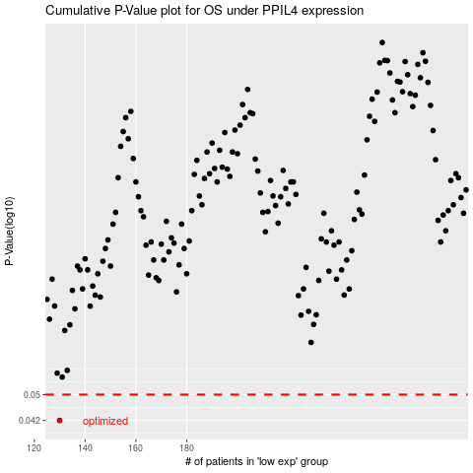

 |  |  |  |  |  | cases_OS | p_OS | rank | exp
 |  |  |  |  |  | 130 | 0.042 | 12 | -0.48204774219
 |  |  |  |  |  |  | cases_RFS | p_RFS | rank | exp
 |  |  |  |  |  |  | 129 | 0.042 | 110 | -0.48295677797

