PPL _multivariate
Reported by Tex Li-Hsing Chi. tex@gate.sinica.edu.tw 2019-08-16

Table 2. The clinicopathological features of HNSCC cohort and PPL expression. (Chi square test)
Cutoff at -0.324 (50.0%)
 |  | PPL expression |  | PPL expression |  | (Optimised)
 | Features | Low | (%) | High | (%) | Case no | P-value | Remark | Matthews
Gender | Female | 155 | 37.3 | 151 | 36.4 | 415 | 0.6768 | 0 | 0
2 | Male | 52 | 12.5 | 57 | 13.7
Age at diagnosis | <=65y | 136 | 32.8 | 138 | 33.3 | 415 | 0.9719 | 0 | 0
4 | >65y | 71 | 17.1 | 70 | 16.9
Clinical T Status | T1+T2 | 75 | 18.1 | 74 | 17.8 | 415 | 0.9707 | 0 | 0
6 | T3+T4 | 132 | 31.8 | 134 | 32.3
Clinical N Status | N0 | 104 | 25.1 | 112 | 27 | 415 | 0.5243 | 0 | 0
8 | N1-3 | 103 | 24.8 | 96 | 23.1
Clinical M Status | M0 | 205 | 49.4 | 207 | 49.9 | 415 | 0.6232 | 0 | 0
10 | M1 | 2 | 0.5 | 1 | 0.2
Clinical Stage | Stage I+II | 53 | 12.8 | 49 | 11.8 | 415 | 0.7113 | 0 | 0
12 | Stage III+IV | 154 | 37.1 | 159 | 38.3
Surgical Margin status | Negative | 152 | 36.6 | 166 | 40 | 415 | 0.1329 | 0 | 0
14 | Positive | 55 | 13.3 | 42 | 10.1
Tobacco Exposure | Low | 85 | 20.5 | 76 | 18.3 | 415 | 0.3655 | 0 | 0
16 | High | 122 | 29.4 | 132 | 31.8

Table 3. Univariate/Multivariate Cox's proportional hazards regression analyses on OS time of PPL gene expression in HNSCC

 |  | Univariate |  |  |  | Multivariate
 | Features | HR | CI95%(L) | CI95%(H) | P-value | HR | CI95%(L) | CI95%(H) | P-value
1 | Female | 1 |  |  |  | 1
Gender | Male | 1.157 | 0.843 | 1.587 | 0.367 | 1.207 | 0.864 | 1.687 | 0.27
11 | <=65y | 1 |  |  |  | 1
Age at diagnosis | >65y | 1.329 | 0.99 | 1.784 | 0.058 | 1.385 | 1.018 | 1.884 | 0.038
12 | T1+T2 | 1 |  |  |  | 1
Clinical T Status | T3+T4 | 1.409 | 1.028 | 1.931 | 0.033 | 2.157 | 1.137 | 4.092 | 0.019
13 | N0 | 1 |  |  |  | 1
Clinical N Status | N1-3 | 1.185 | 0.89 | 1.577 | 0.246 | 1.221 | 0.852 | 1.748 | 0.277
14 | M0 | 1 |  |  |  | 1
Clinical M Status | M1 | 4.097 | 1.009 | 16.644 | 0.049 | 9.051 | 1.965 | 41.698 | 0.005
15 | Stage I+II | 1 |  |  |  | 1
Clinical Stage | Stage III+IV | 1.245 | 0.882 | 1.759 | 0.213 | 0.52 | 0.241 | 1.124 | 0.096
16 | Negative | 1 |  |  |  | 1
Surgical Margin status | Positive | 1.591 | 1.155 | 2.191 | 0.004 | 1.664 | 1.204 | 2.3 | 0.002
17 | Low | 1 |  |  |  | 1
Tobacco Exposure | High | 1.364 | 1.008 | 1.844 | 0.044 | 1.467 | 1.063 | 2.025 | 0.02
18 | Low | 1 |  |  |  | 1
RNAseq(z-score) | High | 0.871 | 0.654 | 1.16 | 0.344 | 0.914 | 0.681 | 1.225 | 0.547

Table 4. Univariate/Multivariate Cox's proportional hazards regression analyses on RFS time of PPL gene expression in HNSCC

 |  | Univariate |  |  |  | Multivariate
 | Features | HR | CI95%(L) | CI95%(H) | P-value | HR | CI95%(L) | CI95%(H) | P-value
1 | Female | 1 |  |  |  | 1
Gender | Male | 1.157 | 0.843 | 1.587 | 0.367 | 1.207 | 0.864 | 1.687 | 0.27
11 | <=65y | 1 |  |  |  | 1
Age at diagnosis | >65y | 1.329 | 0.99 | 1.784 | 0.058 | 1.385 | 1.018 | 1.884 | 0.038
12 | T1+T2 | 1 |  |  |  | 1
Clinical T Status | T3+T4 | 1.409 | 1.028 | 1.931 | 0.033 | 2.157 | 1.137 | 4.092 | 0.019
13 | N0 | 1 |  |  |  | 1
Clinical N Status | N1-3 | 1.185 | 0.89 | 1.577 | 0.246 | 1.221 | 0.852 | 1.748 | 0.277
14 | M0 | 1 |  |  |  | 1
Clinical M Status | M1 | 4.097 | 1.009 | 16.644 | 0.049 | 9.051 | 1.965 | 41.698 | 0.005
15 | Stage I+II | 1 |  |  |  | 1
Clinical Stage | Stage III+IV | 1.245 | 0.882 | 1.759 | 0.213 | 0.52 | 0.241 | 1.124 | 0.096
16 | Negative | 1 |  |  |  | 1
Surgical Margin status | Positive | 1.591 | 1.155 | 2.191 | 0.004 | 1.664 | 1.204 | 2.3 | 0.002
17 | Low | 1 |  |  |  | 1
Tobacco Exposure | High | 1.364 | 1.008 | 1.844 | 0.044 | 1.467 | 1.063 | 2.025 | 0.02
18 | Low | 1 |  |  |  | 1
RNAseq(z-score) | High | 0.871 | 0.654 | 1.16 | 0.344 | 0.914 | 0.681 | 1.225 | 0.547

Kaplan-Meier survival estimate: Cutoff at -0.324 (50.0%)



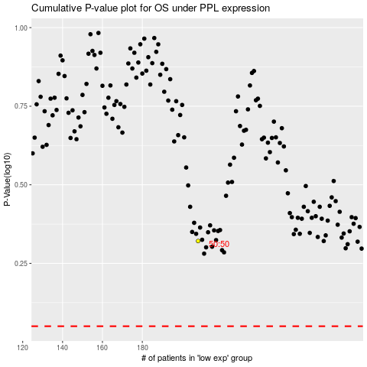

 |  |  |  |  |  | cases_OS | p_OS | rank | exp
 |  |  |  |  |  |  | cases_RFS | p_RFS | rank | exp

