PPM1B _multivariate
Reported by Tex Li-Hsing Chi. tex@gate.sinica.edu.tw 2019-08-16

Table 2. The clinicopathological features of HNSCC cohort and PPM1B expression. (Chi square test)
Cutoff at -0.235 (50.0%)
 |  | PPM1B expression |  | PPM1B expression |  | (Optimised)
 | Features | Low | (%) | High | (%) | Case no | P-value | Remark | Matthews
Gender | Female | 146 | 35.2 | 160 | 38.6 | 415 | 0.1714 | 0 | 0
2 | Male | 61 | 14.7 | 48 | 11.6
Age at diagnosis | <=65y | 136 | 32.8 | 138 | 33.3 | 415 | 0.9719 | 0 | 0
4 | >65y | 71 | 17.1 | 70 | 16.9
Clinical T Status | T1+T2 | 81 | 19.5 | 68 | 16.4 | 415 | 0.206 | 0 | 0
6 | T3+T4 | 126 | 30.4 | 140 | 33.7
Clinical N Status | N0 | 112 | 27 | 104 | 25.1 | 415 | 0.4599 | 0 | 0
8 | N1-3 | 95 | 22.9 | 104 | 25.1
Clinical M Status | M0 | 204 | 49.2 | 208 | 50.1 | 415 | 0.1232 | 0 | 0
10 | M1 | 3 | 0.7 | 0 | 0
Clinical Stage | Stage I+II | 60 | 14.5 | 42 | 10.1 | 415 | 0.0493 | 1 | 0
12 | Stage III+IV | 147 | 35.4 | 166 | 40
Surgical Margin status | Negative | 159 | 38.3 | 159 | 38.3 | 415 | 1 | 0 | 0
14 | Positive | 48 | 11.6 | 49 | 11.8
Tobacco Exposure | Low | 90 | 21.7 | 71 | 17.1 | 415 | 0.0559 | 0 | 0
16 | High | 117 | 28.2 | 137 | 33

Table 3. Univariate/Multivariate Cox's proportional hazards regression analyses on OS time of PPM1B gene expression in HNSCC

 |  | Univariate |  |  |  | Multivariate
 | Features | HR | CI95%(L) | CI95%(H) | P-value | HR | CI95%(L) | CI95%(H) | P-value
1 | Female | 1 |  |  |  | 1
Gender | Male | 1.157 | 0.843 | 1.587 | 0.367 | 1.191 | 0.85 | 1.668 | 0.311
11 | <=65y | 1 |  |  |  | 1
Age at diagnosis | >65y | 1.329 | 0.99 | 1.784 | 0.058 | 1.39 | 1.022 | 1.889 | 0.036
12 | T1+T2 | 1 |  |  |  | 1
Clinical T Status | T3+T4 | 1.409 | 1.028 | 1.931 | 0.033 | 2.179 | 1.151 | 4.127 | 0.017
13 | N0 | 1 |  |  |  | 1
Clinical N Status | N1-3 | 1.185 | 0.89 | 1.577 | 0.246 | 1.237 | 0.867 | 1.765 | 0.241
14 | M0 | 1 |  |  |  | 1
Clinical M Status | M1 | 4.097 | 1.009 | 16.644 | 0.049 | 8.985 | 1.934 | 41.735 | 0.005
15 | Stage I+II | 1 |  |  |  | 1
Clinical Stage | Stage III+IV | 1.245 | 0.882 | 1.759 | 0.213 | 0.515 | 0.239 | 1.111 | 0.091
16 | Negative | 1 |  |  |  | 1
Surgical Margin status | Positive | 1.591 | 1.155 | 2.191 | 0.004 | 1.669 | 1.208 | 2.307 | 0.002
17 | Low | 1 |  |  |  | 1
Tobacco Exposure | High | 1.364 | 1.008 | 1.844 | 0.044 | 1.455 | 1.056 | 2.005 | 0.022
18 | Low | 1 |  |  |  | 1
RNAseq(z-score) | High | 0.892 | 0.669 | 1.188 | 0.434 | 0.936 | 0.696 | 1.258 | 0.66

Table 4. Univariate/Multivariate Cox's proportional hazards regression analyses on RFS time of PPM1B gene expression in HNSCC

 |  | Univariate |  |  |  | Multivariate
 | Features | HR | CI95%(L) | CI95%(H) | P-value | HR | CI95%(L) | CI95%(H) | P-value
1 | Female | 1 |  |  |  | 1
Gender | Male | 1.157 | 0.843 | 1.587 | 0.367 | 1.191 | 0.85 | 1.668 | 0.311
11 | <=65y | 1 |  |  |  | 1
Age at diagnosis | >65y | 1.329 | 0.99 | 1.784 | 0.058 | 1.39 | 1.022 | 1.889 | 0.036
12 | T1+T2 | 1 |  |  |  | 1
Clinical T Status | T3+T4 | 1.409 | 1.028 | 1.931 | 0.033 | 2.179 | 1.151 | 4.127 | 0.017
13 | N0 | 1 |  |  |  | 1
Clinical N Status | N1-3 | 1.185 | 0.89 | 1.577 | 0.246 | 1.237 | 0.867 | 1.765 | 0.241
14 | M0 | 1 |  |  |  | 1
Clinical M Status | M1 | 4.097 | 1.009 | 16.644 | 0.049 | 8.985 | 1.934 | 41.735 | 0.005
15 | Stage I+II | 1 |  |  |  | 1
Clinical Stage | Stage III+IV | 1.245 | 0.882 | 1.759 | 0.213 | 0.515 | 0.239 | 1.111 | 0.091
16 | Negative | 1 |  |  |  | 1
Surgical Margin status | Positive | 1.591 | 1.155 | 2.191 | 0.004 | 1.669 | 1.208 | 2.307 | 0.002
17 | Low | 1 |  |  |  | 1
Tobacco Exposure | High | 1.364 | 1.008 | 1.844 | 0.044 | 1.455 | 1.056 | 2.005 | 0.022
18 | Low | 1 |  |  |  | 1
RNAseq(z-score) | High | 0.892 | 0.669 | 1.188 | 0.434 | 0.936 | 0.696 | 1.258 | 0.66

Kaplan-Meier survival estimate: Cutoff at -0.235 (50.0%)



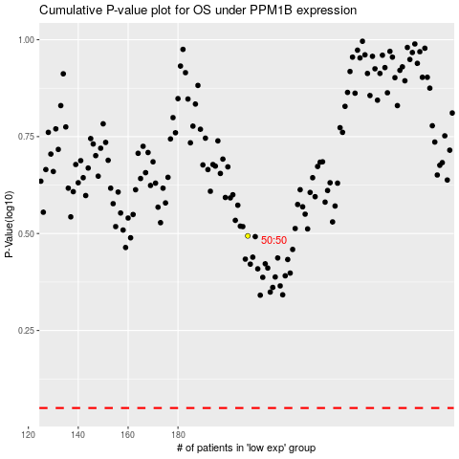

 |  |  |  |  |  | cases_OS | p_OS | rank | exp
 |  |  |  |  |  |  | cases_RFS | p_RFS | rank | exp

