PPM1H _multivariate
Reported by Tex Li-Hsing Chi. tex@gate.sinica.edu.tw 2019-08-16

Table 2. The clinicopathological features of HNSCC cohort and PPM1H expression. (Chi square test)
Cutoff at -0.372 (49.8%)
 |  | PPM1H expression |  | PPM1H expression |  | (Optimised)
 | Features | Low | (%) | High | (%) | Case no | P-value | Remark | Matthews
Gender | Female | 147 | 35.4 | 159 | 38.3 | 415 | 0.2523 | 0 | 0
2 | Male | 60 | 14.5 | 49 | 11.8
Age at diagnosis | <=65y | 139 | 33.5 | 135 | 32.5 | 415 | 0.7044 | 0 | 0
4 | >65y | 68 | 16.4 | 73 | 17.6
Clinical T Status | T1+T2 | 67 | 16.1 | 82 | 19.8 | 415 | 0.1628 | 0 | 0
6 | T3+T4 | 140 | 33.7 | 126 | 30.4
Clinical N Status | N0 | 106 | 25.5 | 110 | 26.5 | 415 | 0.8075 | 0 | 0
8 | N1-3 | 101 | 24.3 | 98 | 23.6
Clinical M Status | M0 | 204 | 49.2 | 208 | 50.1 | 415 | 0.1232 | 0 | 0
10 | M1 | 3 | 0.7 | 0 | 0
Clinical Stage | Stage I+II | 48 | 11.6 | 54 | 13 | 415 | 0.5878 | 0 | 0
12 | Stage III+IV | 159 | 38.3 | 154 | 37.1
Surgical Margin status | Negative | 152 | 36.6 | 166 | 40 | 415 | 0.1329 | 0 | 0
14 | Positive | 55 | 13.3 | 42 | 10.1
Tobacco Exposure | Low | 92 | 22.2 | 69 | 16.6 | 415 | 0.0206 | 1 | 0
16 | High | 115 | 27.7 | 139 | 33.5

Table 3. Univariate/Multivariate Cox's proportional hazards regression analyses on OS time of PPM1H gene expression in HNSCC

 |  | Univariate |  |  |  | Multivariate
 | Features | HR | CI95%(L) | CI95%(H) | P-value | HR | CI95%(L) | CI95%(H) | P-value
1 | Female | 1 |  |  |  | 1
Gender | Male | 1.157 | 0.843 | 1.587 | 0.367 | 1.189 | 0.85 | 1.664 | 0.312
11 | <=65y | 1 |  |  |  | 1
Age at diagnosis | >65y | 1.329 | 0.99 | 1.784 | 0.058 | 1.41 | 1.035 | 1.92 | 0.029
12 | T1+T2 | 1 |  |  |  | 1
Clinical T Status | T3+T4 | 1.409 | 1.028 | 1.931 | 0.033 | 2.162 | 1.142 | 4.096 | 0.018
13 | N0 | 1 |  |  |  | 1
Clinical N Status | N1-3 | 1.185 | 0.89 | 1.577 | 0.246 | 1.236 | 0.866 | 1.764 | 0.243
14 | M0 | 1 |  |  |  | 1
Clinical M Status | M1 | 4.097 | 1.009 | 16.644 | 0.049 | 8.715 | 1.881 | 40.368 | 0.006
15 | Stage I+II | 1 |  |  |  | 1
Clinical Stage | Stage III+IV | 1.245 | 0.882 | 1.759 | 0.213 | 0.513 | 0.239 | 1.103 | 0.088
16 | Negative | 1 |  |  |  | 1
Surgical Margin status | Positive | 1.591 | 1.155 | 2.191 | 0.004 | 1.65 | 1.193 | 2.283 | 0.002
17 | Low | 1 |  |  |  | 1
Tobacco Exposure | High | 1.364 | 1.008 | 1.844 | 0.044 | 1.465 | 1.062 | 2.022 | 0.02
18 | Low | 1 |  |  |  | 1
RNAseq(z-score) | High | 0.832 | 0.624 | 1.11 | 0.211 | 0.885 | 0.659 | 1.189 | 0.418

Table 4. Univariate/Multivariate Cox's proportional hazards regression analyses on RFS time of PPM1H gene expression in HNSCC

 |  | Univariate |  |  |  | Multivariate
 | Features | HR | CI95%(L) | CI95%(H) | P-value | HR | CI95%(L) | CI95%(H) | P-value
1 | Female | 1 |  |  |  | 1
Gender | Male | 1.157 | 0.843 | 1.587 | 0.367 | 1.189 | 0.85 | 1.664 | 0.312
11 | <=65y | 1 |  |  |  | 1
Age at diagnosis | >65y | 1.329 | 0.99 | 1.784 | 0.058 | 1.41 | 1.035 | 1.92 | 0.029
12 | T1+T2 | 1 |  |  |  | 1
Clinical T Status | T3+T4 | 1.409 | 1.028 | 1.931 | 0.033 | 2.162 | 1.142 | 4.096 | 0.018
13 | N0 | 1 |  |  |  | 1
Clinical N Status | N1-3 | 1.185 | 0.89 | 1.577 | 0.246 | 1.236 | 0.866 | 1.764 | 0.243
14 | M0 | 1 |  |  |  | 1
Clinical M Status | M1 | 4.097 | 1.009 | 16.644 | 0.049 | 8.715 | 1.881 | 40.368 | 0.006
15 | Stage I+II | 1 |  |  |  | 1
Clinical Stage | Stage III+IV | 1.245 | 0.882 | 1.759 | 0.213 | 0.513 | 0.239 | 1.103 | 0.088
16 | Negative | 1 |  |  |  | 1
Surgical Margin status | Positive | 1.591 | 1.155 | 2.191 | 0.004 | 1.65 | 1.193 | 2.283 | 0.002
17 | Low | 1 |  |  |  | 1
Tobacco Exposure | High | 1.364 | 1.008 | 1.844 | 0.044 | 1.465 | 1.062 | 2.022 | 0.02
18 | Low | 1 |  |  |  | 1
RNAseq(z-score) | High | 0.832 | 0.624 | 1.11 | 0.211 | 0.885 | 0.659 | 1.189 | 0.418

Kaplan-Meier survival estimate: Cutoff at -0.372 (49.8%)



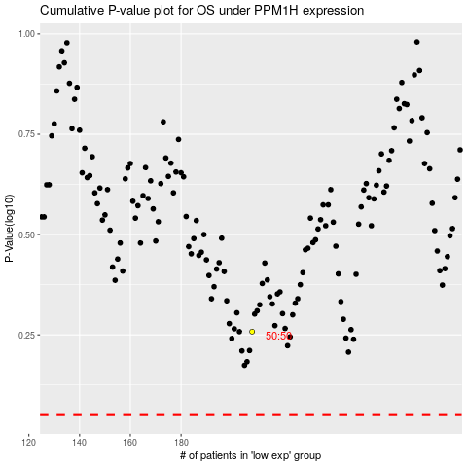

 |  |  |  |  |  | cases_OS | p_OS | rank | exp
 |  |  |  |  |  |  | cases_RFS | p_RFS | rank | exp

