PPM1J _multivariate
Reported by Tex Li-Hsing Chi. tex@gate.sinica.edu.tw 2019-08-16

Table 2. The clinicopathological features of HNSCC cohort and PPM1J expression. (Chi square test)
Cutoff at -0.029 (62.1%)
 |  | PPM1J expression |  | PPM1J expression |  | (Optimised)
 | Features | Low | (%) | High | (%) | Case no | P-value | Remark | Matthews
Gender | Female | 187 | 45.1 | 119 | 28.7 | 415 | 0.5291 | 0 | 0
2 | Male | 71 | 17.1 | 38 | 9.2
Age at diagnosis | <=65y | 167 | 40.2 | 107 | 25.8 | 415 | 0.5436 | 0 | 0
4 | >65y | 91 | 21.9 | 50 | 12
Clinical T Status | T1+T2 | 98 | 23.6 | 51 | 12.3 | 415 | 0.3043 | 0 | 0
6 | T3+T4 | 160 | 38.6 | 106 | 25.5
Clinical N Status | N0 | 139 | 33.5 | 77 | 18.6 | 415 | 0.393 | 0 | 0
8 | N1-3 | 119 | 28.7 | 80 | 19.3
Clinical M Status | M0 | 255 | 61.4 | 157 | 37.8 | 415 | 0.2927 | 0 | 0
10 | M1 | 3 | 0.7 | 0 | 0
Clinical Stage | Stage I+II | 70 | 16.9 | 32 | 7.7 | 415 | 0.1524 | 0 | 0
12 | Stage III+IV | 188 | 45.3 | 125 | 30.1
Surgical Margin status | Negative | 203 | 48.9 | 115 | 27.7 | 415 | 0.2319 | 0 | 0
14 | Positive | 55 | 13.3 | 42 | 10.1
Tobacco Exposure | Low | 107 | 25.8 | 54 | 13 | 415 | 0.1769 | 0 | 0
16 | High | 151 | 36.4 | 103 | 24.8

Table 3. Univariate/Multivariate Cox's proportional hazards regression analyses on OS time of PPM1J gene expression in HNSCC

 |  | Univariate |  |  |  | Multivariate
 | Features | HR | CI95%(L) | CI95%(H) | P-value | HR | CI95%(L) | CI95%(H) | P-value
1 | Female | 1 |  |  |  | 1
Gender | Male | 1.157 | 0.843 | 1.587 | 0.367 | 1.185 | 0.85 | 1.653 | 0.317
11 | <=65y | 1 |  |  |  | 1
Age at diagnosis | >65y | 1.329 | 0.99 | 1.784 | 0.058 | 1.433 | 1.054 | 1.948 | 0.022
12 | T1+T2 | 1 |  |  |  | 1
Clinical T Status | T3+T4 | 1.409 | 1.028 | 1.931 | 0.033 | 2.214 | 1.172 | 4.183 | 0.014
13 | N0 | 1 |  |  |  | 1
Clinical N Status | N1-3 | 1.185 | 0.89 | 1.577 | 0.246 | 1.256 | 0.882 | 1.789 | 0.207
14 | M0 | 1 |  |  |  | 1
Clinical M Status | M1 | 4.097 | 1.009 | 16.644 | 0.049 | 8.122 | 1.767 | 37.34 | 0.007
15 | Stage I+II | 1 |  |  |  | 1
Clinical Stage | Stage III+IV | 1.245 | 0.882 | 1.759 | 0.213 | 0.519 | 0.242 | 1.115 | 0.093
16 | Negative | 1 |  |  |  | 1
Surgical Margin status | Positive | 1.591 | 1.155 | 2.191 | 0.004 | 1.721 | 1.245 | 2.379 | 0.001
17 | Low | 1 |  |  |  | 1
Tobacco Exposure | High | 1.364 | 1.008 | 1.844 | 0.044 | 1.507 | 1.093 | 2.078 | 0.012
18 | Low | 1 |  |  |  | 1
RNAseq(z-score) | High | 0.727 | 0.534 | 0.99 | 0.043 | 0.667 | 0.488 | 0.914 | 0.012

Table 4. Univariate/Multivariate Cox's proportional hazards regression analyses on RFS time of PPM1J gene expression in HNSCC

 |  | Univariate |  |  |  | Multivariate
 | Features | HR | CI95%(L) | CI95%(H) | P-value | HR | CI95%(L) | CI95%(H) | P-value
1 | Female | 1 |  |  |  | 1
Gender | Male | 1.157 | 0.843 | 1.587 | 0.367 | 1.185 | 0.85 | 1.653 | 0.317
11 | <=65y | 1 |  |  |  | 1
Age at diagnosis | >65y | 1.329 | 0.99 | 1.784 | 0.058 | 1.433 | 1.054 | 1.948 | 0.022
12 | T1+T2 | 1 |  |  |  | 1
Clinical T Status | T3+T4 | 1.409 | 1.028 | 1.931 | 0.033 | 2.214 | 1.172 | 4.183 | 0.014
13 | N0 | 1 |  |  |  | 1
Clinical N Status | N1-3 | 1.185 | 0.89 | 1.577 | 0.246 | 1.256 | 0.882 | 1.789 | 0.207
14 | M0 | 1 |  |  |  | 1
Clinical M Status | M1 | 4.097 | 1.009 | 16.644 | 0.049 | 8.122 | 1.767 | 37.34 | 0.007
15 | Stage I+II | 1 |  |  |  | 1
Clinical Stage | Stage III+IV | 1.245 | 0.882 | 1.759 | 0.213 | 0.519 | 0.242 | 1.115 | 0.093
16 | Negative | 1 |  |  |  | 1
Surgical Margin status | Positive | 1.591 | 1.155 | 2.191 | 0.004 | 1.721 | 1.245 | 2.379 | 0.001
17 | Low | 1 |  |  |  | 1
Tobacco Exposure | High | 1.364 | 1.008 | 1.844 | 0.044 | 1.507 | 1.093 | 2.078 | 0.012
18 | Low | 1 |  |  |  | 1
RNAseq(z-score) | High | 0.727 | 0.534 | 0.99 | 0.043 | 0.667 | 0.488 | 0.914 | 0.012

Kaplan-Meier survival estimate: Cutoff at -0.029 (62.1%)



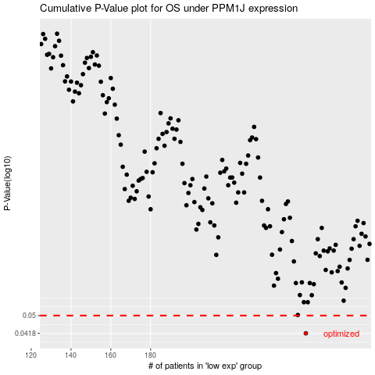

 |  |  |  |  |  | cases_OS | p_OS | rank | exp
 |  |  |  |  |  | 258 | 0.0418 | 110 | -0.029481241481
 |  |  |  |  |  |  | cases_RFS | p_RFS | rank | exp
 |  |  |  |  |  |  | 257 | 0.0418 | 64 | -0.029563487949

