PPM1L _multivariate
Reported by Tex Li-Hsing Chi. tex@gate.sinica.edu.tw 2019-08-16

Table 2. The clinicopathological features of HNSCC cohort and PPM1L expression. (Chi square test)
Cutoff at -0.438 (49.8%)
 |  | PPM1L expression |  | PPM1L expression |  | (Optimised)
 | Features | Low | (%) | High | (%) | Case no | P-value | Remark | Matthews
Gender | Female | 155 | 37.3 | 151 | 36.4 | 415 | 0.6768 | 0 | 0
2 | Male | 52 | 12.5 | 57 | 13.7
Age at diagnosis | <=65y | 140 | 33.7 | 134 | 32.3 | 415 | 0.5574 | 0 | 0
4 | >65y | 67 | 16.1 | 74 | 17.8
Clinical T Status | T1+T2 | 76 | 18.3 | 73 | 17.6 | 415 | 0.8092 | 0 | 0
6 | T3+T4 | 131 | 31.6 | 135 | 32.5
Clinical N Status | N0 | 106 | 25.5 | 110 | 26.5 | 415 | 0.8075 | 0 | 0
8 | N1-3 | 101 | 24.3 | 98 | 23.6
Clinical M Status | M0 | 204 | 49.2 | 208 | 50.1 | 415 | 0.1232 | 0 | 0
10 | M1 | 3 | 0.7 | 0 | 0
Clinical Stage | Stage I+II | 56 | 13.5 | 46 | 11.1 | 415 | 0.2918 | 0 | 0
12 | Stage III+IV | 151 | 36.4 | 162 | 39
Surgical Margin status | Negative | 161 | 38.8 | 157 | 37.8 | 415 | 0.6429 | 0 | 0
14 | Positive | 46 | 11.1 | 51 | 12.3
Tobacco Exposure | Low | 78 | 18.8 | 83 | 20 | 415 | 0.6873 | 0 | 0
16 | High | 129 | 31.1 | 125 | 30.1

Table 3. Univariate/Multivariate Cox's proportional hazards regression analyses on OS time of PPM1L gene expression in HNSCC

 |  | Univariate |  |  |  | Multivariate
 | Features | HR | CI95%(L) | CI95%(H) | P-value | HR | CI95%(L) | CI95%(H) | P-value
1 | Female | 1 |  |  |  | 1
Gender | Male | 1.157 | 0.843 | 1.587 | 0.367 | 1.197 | 0.856 | 1.674 | 0.294
11 | <=65y | 1 |  |  |  | 1
Age at diagnosis | >65y | 1.329 | 0.99 | 1.784 | 0.058 | 1.389 | 1.022 | 1.889 | 0.036
12 | T1+T2 | 1 |  |  |  | 1
Clinical T Status | T3+T4 | 1.409 | 1.028 | 1.931 | 0.033 | 2.193 | 1.16 | 4.147 | 0.016
13 | N0 | 1 |  |  |  | 1
Clinical N Status | N1-3 | 1.185 | 0.89 | 1.577 | 0.246 | 1.237 | 0.867 | 1.766 | 0.24
14 | M0 | 1 |  |  |  | 1
Clinical M Status | M1 | 4.097 | 1.009 | 16.644 | 0.049 | 8.581 | 1.858 | 39.64 | 0.006
15 | Stage I+II | 1 |  |  |  | 1
Clinical Stage | Stage III+IV | 1.245 | 0.882 | 1.759 | 0.213 | 0.518 | 0.241 | 1.114 | 0.092
16 | Negative | 1 |  |  |  | 1
Surgical Margin status | Positive | 1.591 | 1.155 | 2.191 | 0.004 | 1.671 | 1.21 | 2.308 | 0.002
17 | Low | 1 |  |  |  | 1
Tobacco Exposure | High | 1.364 | 1.008 | 1.844 | 0.044 | 1.453 | 1.054 | 2.002 | 0.023
18 | Low | 1 |  |  |  | 1
RNAseq(z-score) | High | 0.832 | 0.624 | 1.108 | 0.208 | 0.845 | 0.632 | 1.13 | 0.256

Table 4. Univariate/Multivariate Cox's proportional hazards regression analyses on RFS time of PPM1L gene expression in HNSCC

 |  | Univariate |  |  |  | Multivariate
 | Features | HR | CI95%(L) | CI95%(H) | P-value | HR | CI95%(L) | CI95%(H) | P-value
1 | Female | 1 |  |  |  | 1
Gender | Male | 1.157 | 0.843 | 1.587 | 0.367 | 1.197 | 0.856 | 1.674 | 0.294
11 | <=65y | 1 |  |  |  | 1
Age at diagnosis | >65y | 1.329 | 0.99 | 1.784 | 0.058 | 1.389 | 1.022 | 1.889 | 0.036
12 | T1+T2 | 1 |  |  |  | 1
Clinical T Status | T3+T4 | 1.409 | 1.028 | 1.931 | 0.033 | 2.193 | 1.16 | 4.147 | 0.016
13 | N0 | 1 |  |  |  | 1
Clinical N Status | N1-3 | 1.185 | 0.89 | 1.577 | 0.246 | 1.237 | 0.867 | 1.766 | 0.24
14 | M0 | 1 |  |  |  | 1
Clinical M Status | M1 | 4.097 | 1.009 | 16.644 | 0.049 | 8.581 | 1.858 | 39.64 | 0.006
15 | Stage I+II | 1 |  |  |  | 1
Clinical Stage | Stage III+IV | 1.245 | 0.882 | 1.759 | 0.213 | 0.518 | 0.241 | 1.114 | 0.092
16 | Negative | 1 |  |  |  | 1
Surgical Margin status | Positive | 1.591 | 1.155 | 2.191 | 0.004 | 1.671 | 1.21 | 2.308 | 0.002
17 | Low | 1 |  |  |  | 1
Tobacco Exposure | High | 1.364 | 1.008 | 1.844 | 0.044 | 1.453 | 1.054 | 2.002 | 0.023
18 | Low | 1 |  |  |  | 1
RNAseq(z-score) | High | 0.832 | 0.624 | 1.108 | 0.208 | 0.845 | 0.632 | 1.13 | 0.256

Kaplan-Meier survival estimate: Cutoff at -0.438 (49.8%)



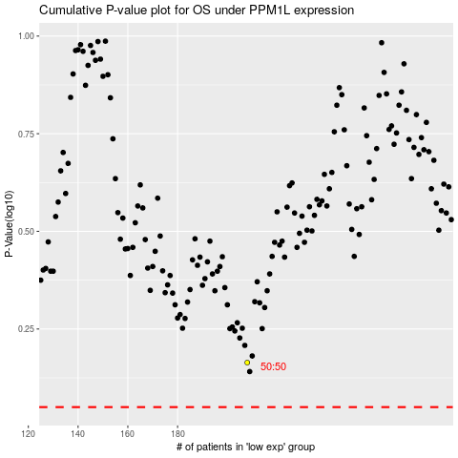

 |  |  |  |  |  | cases_OS | p_OS | rank | exp
 |  |  |  |  |  |  | cases_RFS | p_RFS | rank | exp

