PPM1N _multivariate
Reported by Tex Li-Hsing Chi. tex@gate.sinica.edu.tw 2019-08-16

Table 2. The clinicopathological features of HNSCC cohort and PPM1N expression. (Chi square test)
Cutoff at -0.302 (49.8%)
 |  | PPM1N expression |  | PPM1N expression |  | (Optimised)
 | Features | Low | (%) | High | (%) | Case no | P-value | Remark | Matthews
Gender | Female | 147 | 35.4 | 159 | 38.3 | 415 | 0.2523 | 0 | 0
2 | Male | 60 | 14.5 | 49 | 11.8
Age at diagnosis | <=65y | 138 | 33.3 | 136 | 32.8 | 415 | 0.8634 | 0 | 0
4 | >65y | 69 | 16.6 | 72 | 17.3
Clinical T Status | T1+T2 | 77 | 18.6 | 72 | 17.3 | 415 | 0.6556 | 0 | 0
6 | T3+T4 | 130 | 31.3 | 136 | 32.8
Clinical N Status | N0 | 108 | 26 | 108 | 26 | 415 | 1 | 0 | 0
8 | N1-3 | 99 | 23.9 | 100 | 24.1
Clinical M Status | M0 | 205 | 49.4 | 207 | 49.9 | 415 | 0.6232 | 0 | 0
10 | M1 | 2 | 0.5 | 1 | 0.2
Clinical Stage | Stage I+II | 55 | 13.3 | 47 | 11.3 | 415 | 0.4087 | 0 | 0
12 | Stage III+IV | 152 | 36.6 | 161 | 38.8
Surgical Margin status | Negative | 163 | 39.3 | 155 | 37.3 | 415 | 0.3537 | 0 | 0
14 | Positive | 44 | 10.6 | 53 | 12.8
Tobacco Exposure | Low | 83 | 20 | 78 | 18.8 | 415 | 0.6152 | 0 | 0
16 | High | 124 | 29.9 | 130 | 31.3

Table 3. Univariate/Multivariate Cox's proportional hazards regression analyses on OS time of PPM1N gene expression in HNSCC

 |  | Univariate |  |  |  | Multivariate
 | Features | HR | CI95%(L) | CI95%(H) | P-value | HR | CI95%(L) | CI95%(H) | P-value
1 | Female | 1 |  |  |  | 1
Gender | Male | 1.157 | 0.843 | 1.587 | 0.367 | 1.218 | 0.872 | 1.701 | 0.247
11 | <=65y | 1 |  |  |  | 1
Age at diagnosis | >65y | 1.329 | 0.99 | 1.784 | 0.058 | 1.396 | 1.027 | 1.896 | 0.033
12 | T1+T2 | 1 |  |  |  | 1
Clinical T Status | T3+T4 | 1.409 | 1.028 | 1.931 | 0.033 | 2.132 | 1.127 | 4.036 | 0.02
13 | N0 | 1 |  |  |  | 1
Clinical N Status | N1-3 | 1.185 | 0.89 | 1.577 | 0.246 | 1.244 | 0.872 | 1.775 | 0.228
14 | M0 | 1 |  |  |  | 1
Clinical M Status | M1 | 4.097 | 1.009 | 16.644 | 0.049 | 8.901 | 1.94 | 40.839 | 0.005
15 | Stage I+II | 1 |  |  |  | 1
Clinical Stage | Stage III+IV | 1.245 | 0.882 | 1.759 | 0.213 | 0.535 | 0.248 | 1.151 | 0.11
16 | Negative | 1 |  |  |  | 1
Surgical Margin status | Positive | 1.591 | 1.155 | 2.191 | 0.004 | 1.701 | 1.231 | 2.35 | 0.001
17 | Low | 1 |  |  |  | 1
Tobacco Exposure | High | 1.364 | 1.008 | 1.844 | 0.044 | 1.465 | 1.063 | 2.018 | 0.02
18 | Low | 1 |  |  |  | 1
RNAseq(z-score) | High | 0.803 | 0.603 | 1.071 | 0.135 | 0.77 | 0.576 | 1.029 | 0.077

Table 4. Univariate/Multivariate Cox's proportional hazards regression analyses on RFS time of PPM1N gene expression in HNSCC

 |  | Univariate |  |  |  | Multivariate
 | Features | HR | CI95%(L) | CI95%(H) | P-value | HR | CI95%(L) | CI95%(H) | P-value
1 | Female | 1 |  |  |  | 1
Gender | Male | 1.157 | 0.843 | 1.587 | 0.367 | 1.218 | 0.872 | 1.701 | 0.247
11 | <=65y | 1 |  |  |  | 1
Age at diagnosis | >65y | 1.329 | 0.99 | 1.784 | 0.058 | 1.396 | 1.027 | 1.896 | 0.033
12 | T1+T2 | 1 |  |  |  | 1
Clinical T Status | T3+T4 | 1.409 | 1.028 | 1.931 | 0.033 | 2.132 | 1.127 | 4.036 | 0.02
13 | N0 | 1 |  |  |  | 1
Clinical N Status | N1-3 | 1.185 | 0.89 | 1.577 | 0.246 | 1.244 | 0.872 | 1.775 | 0.228
14 | M0 | 1 |  |  |  | 1
Clinical M Status | M1 | 4.097 | 1.009 | 16.644 | 0.049 | 8.901 | 1.94 | 40.839 | 0.005
15 | Stage I+II | 1 |  |  |  | 1
Clinical Stage | Stage III+IV | 1.245 | 0.882 | 1.759 | 0.213 | 0.535 | 0.248 | 1.151 | 0.11
16 | Negative | 1 |  |  |  | 1
Surgical Margin status | Positive | 1.591 | 1.155 | 2.191 | 0.004 | 1.701 | 1.231 | 2.35 | 0.001
17 | Low | 1 |  |  |  | 1
Tobacco Exposure | High | 1.364 | 1.008 | 1.844 | 0.044 | 1.465 | 1.063 | 2.018 | 0.02
18 | Low | 1 |  |  |  | 1
RNAseq(z-score) | High | 0.803 | 0.603 | 1.071 | 0.135 | 0.77 | 0.576 | 1.029 | 0.077

Kaplan-Meier survival estimate: Cutoff at -0.302 (49.8%)



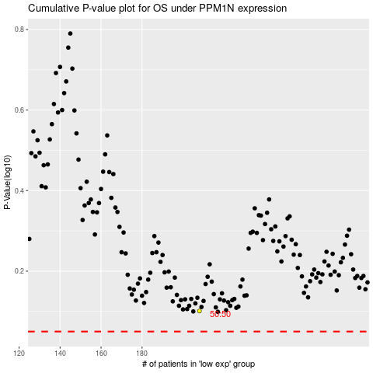

 |  |  |  |  |  | cases_OS | p_OS | rank | exp
 |  |  |  |  |  |  | cases_RFS | p_RFS | rank | exp

