PPP1R12A _multivariate
Reported by Tex Li-Hsing Chi. tex@gate.sinica.edu.tw 2019-08-16

Table 2. The clinicopathological features of HNSCC cohort and PPP1R12A expression. (Chi square test)
Cutoff at -0.03 (49.8%)
 |  | PPP1R12A expression |  | PPP1R12A expression |  | (Optimised)
 | Features | Low | (%) | High | (%) | Case no | P-value | Remark | Matthews
Gender | Female | 148 | 35.7 | 158 | 38.1 | 415 | 0.3567 | 0 | 0
2 | Male | 59 | 14.2 | 50 | 12
Age at diagnosis | <=65y | 138 | 33.3 | 136 | 32.8 | 415 | 0.8634 | 0 | 0
4 | >65y | 69 | 16.6 | 72 | 17.3
Clinical T Status | T1+T2 | 66 | 15.9 | 83 | 20 | 415 | 0.1095 | 0 | 0
6 | T3+T4 | 141 | 34 | 125 | 30.1
Clinical N Status | N0 | 111 | 26.7 | 105 | 25.3 | 415 | 0.5875 | 0 | 0
8 | N1-3 | 96 | 23.1 | 103 | 24.8
Clinical M Status | M0 | 205 | 49.4 | 207 | 49.9 | 415 | 0.6232 | 0 | 0
10 | M1 | 2 | 0.5 | 1 | 0.2
Clinical Stage | Stage I+II | 43 | 10.4 | 59 | 14.2 | 415 | 0.0925 | 0 | 0
12 | Stage III+IV | 164 | 39.5 | 149 | 35.9
Surgical Margin status | Negative | 158 | 38.1 | 160 | 38.6 | 415 | 0.9081 | 0 | 0
14 | Positive | 49 | 11.8 | 48 | 11.6
Tobacco Exposure | Low | 79 | 19 | 82 | 19.8 | 415 | 0.8405 | 0 | 0
16 | High | 128 | 30.8 | 126 | 30.4

Table 3. Univariate/Multivariate Cox's proportional hazards regression analyses on OS time of PPP1R12A gene expression in HNSCC

 |  | Univariate |  |  |  | Multivariate
 | Features | HR | CI95%(L) | CI95%(H) | P-value | HR | CI95%(L) | CI95%(H) | P-value
1 | Female | 1 |  |  |  | 1
Gender | Male | 1.157 | 0.843 | 1.587 | 0.367 | 1.213 | 0.867 | 1.697 | 0.26
11 | <=65y | 1 |  |  |  | 1
Age at diagnosis | >65y | 1.329 | 0.99 | 1.784 | 0.058 | 1.388 | 1.021 | 1.888 | 0.037
12 | T1+T2 | 1 |  |  |  | 1
Clinical T Status | T3+T4 | 1.409 | 1.028 | 1.931 | 0.033 | 2.205 | 1.166 | 4.169 | 0.015
13 | N0 | 1 |  |  |  | 1
Clinical N Status | N1-3 | 1.185 | 0.89 | 1.577 | 0.246 | 1.231 | 0.862 | 1.759 | 0.253
14 | M0 | 1 |  |  |  | 1
Clinical M Status | M1 | 4.097 | 1.009 | 16.644 | 0.049 | 9.672 | 2.103 | 44.485 | 0.004
15 | Stage I+II | 1 |  |  |  | 1
Clinical Stage | Stage III+IV | 1.245 | 0.882 | 1.759 | 0.213 | 0.51 | 0.237 | 1.097 | 0.085
16 | Negative | 1 |  |  |  | 1
Surgical Margin status | Positive | 1.591 | 1.155 | 2.191 | 0.004 | 1.678 | 1.214 | 2.319 | 0.002
17 | Low | 1 |  |  |  | 1
Tobacco Exposure | High | 1.364 | 1.008 | 1.844 | 0.044 | 1.455 | 1.056 | 2.005 | 0.022
18 | Low | 1 |  |  |  | 1
RNAseq(z-score) | High | 1.018 | 0.765 | 1.356 | 0.902 | 1.082 | 0.809 | 1.446 | 0.595

Table 4. Univariate/Multivariate Cox's proportional hazards regression analyses on RFS time of PPP1R12A gene expression in HNSCC

 |  | Univariate |  |  |  | Multivariate
 | Features | HR | CI95%(L) | CI95%(H) | P-value | HR | CI95%(L) | CI95%(H) | P-value
1 | Female | 1 |  |  |  | 1
Gender | Male | 1.157 | 0.843 | 1.587 | 0.367 | 1.213 | 0.867 | 1.697 | 0.26
11 | <=65y | 1 |  |  |  | 1
Age at diagnosis | >65y | 1.329 | 0.99 | 1.784 | 0.058 | 1.388 | 1.021 | 1.888 | 0.037
12 | T1+T2 | 1 |  |  |  | 1
Clinical T Status | T3+T4 | 1.409 | 1.028 | 1.931 | 0.033 | 2.205 | 1.166 | 4.169 | 0.015
13 | N0 | 1 |  |  |  | 1
Clinical N Status | N1-3 | 1.185 | 0.89 | 1.577 | 0.246 | 1.231 | 0.862 | 1.759 | 0.253
14 | M0 | 1 |  |  |  | 1
Clinical M Status | M1 | 4.097 | 1.009 | 16.644 | 0.049 | 9.672 | 2.103 | 44.485 | 0.004
15 | Stage I+II | 1 |  |  |  | 1
Clinical Stage | Stage III+IV | 1.245 | 0.882 | 1.759 | 0.213 | 0.51 | 0.237 | 1.097 | 0.085
16 | Negative | 1 |  |  |  | 1
Surgical Margin status | Positive | 1.591 | 1.155 | 2.191 | 0.004 | 1.678 | 1.214 | 2.319 | 0.002
17 | Low | 1 |  |  |  | 1
Tobacco Exposure | High | 1.364 | 1.008 | 1.844 | 0.044 | 1.455 | 1.056 | 2.005 | 0.022
18 | Low | 1 |  |  |  | 1
RNAseq(z-score) | High | 1.018 | 0.765 | 1.356 | 0.902 | 1.082 | 0.809 | 1.446 | 0.595

Kaplan-Meier survival estimate: Cutoff at -0.03 (49.8%)



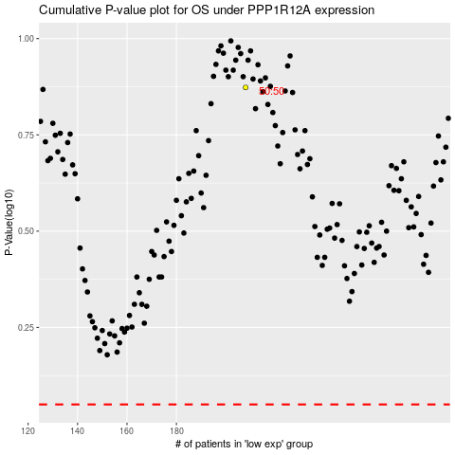

 |  |  |  |  |  | cases_OS | p_OS | rank | exp
 |  |  |  |  |  |  | cases_RFS | p_RFS | rank | exp

