PPP1R12C _multivariate
Reported by Tex Li-Hsing Chi. tex@gate.sinica.edu.tw 2019-08-16

Table 2. The clinicopathological features of HNSCC cohort and PPP1R12C expression. (Chi square test)
Cutoff at -0.206 (50.0%)
 |  | PPP1R12C expression |  | PPP1R12C expression |  | (Optimised)
 | Features | Low | (%) | High | (%) | Case no | P-value | Remark | Matthews
Gender | Female | 144 | 34.7 | 162 | 39 | 415 | 0.0697 | 0 | 0
2 | Male | 63 | 15.2 | 46 | 11.1
Age at diagnosis | <=65y | 138 | 33.3 | 136 | 32.8 | 415 | 0.8634 | 0 | 0
4 | >65y | 69 | 16.6 | 72 | 17.3
Clinical T Status | T1+T2 | 76 | 18.3 | 73 | 17.6 | 415 | 0.8092 | 0 | 0
6 | T3+T4 | 131 | 31.6 | 135 | 32.5
Clinical N Status | N0 | 112 | 27 | 104 | 25.1 | 415 | 0.4599 | 0 | 0
8 | N1-3 | 95 | 22.9 | 104 | 25.1
Clinical M Status | M0 | 205 | 49.4 | 207 | 49.9 | 415 | 0.6232 | 0 | 0
10 | M1 | 2 | 0.5 | 1 | 0.2
Clinical Stage | Stage I+II | 54 | 13 | 48 | 11.6 | 415 | 0.5498 | 0 | 0
12 | Stage III+IV | 153 | 36.9 | 160 | 38.6
Surgical Margin status | Negative | 163 | 39.3 | 155 | 37.3 | 415 | 0.3537 | 0 | 0
14 | Positive | 44 | 10.6 | 53 | 12.8
Tobacco Exposure | Low | 80 | 19.3 | 81 | 19.5 | 415 | 1 | 0 | 0
16 | High | 127 | 30.6 | 127 | 30.6

Table 3. Univariate/Multivariate Cox's proportional hazards regression analyses on OS time of PPP1R12C gene expression in HNSCC

 |  | Univariate |  |  |  | Multivariate
 | Features | HR | CI95%(L) | CI95%(H) | P-value | HR | CI95%(L) | CI95%(H) | P-value
1 | Female | 1 |  |  |  | 1
Gender | Male | 1.157 | 0.843 | 1.587 | 0.367 | 1.177 | 0.843 | 1.642 | 0.34
11 | <=65y | 1 |  |  |  | 1
Age at diagnosis | >65y | 1.329 | 0.99 | 1.784 | 0.058 | 1.431 | 1.051 | 1.947 | 0.023
12 | T1+T2 | 1 |  |  |  | 1
Clinical T Status | T3+T4 | 1.409 | 1.028 | 1.931 | 0.033 | 2.225 | 1.178 | 4.203 | 0.014
13 | N0 | 1 |  |  |  | 1
Clinical N Status | N1-3 | 1.185 | 0.89 | 1.577 | 0.246 | 1.281 | 0.896 | 1.83 | 0.174
14 | M0 | 1 |  |  |  | 1
Clinical M Status | M1 | 4.097 | 1.009 | 16.644 | 0.049 | 8.69 | 1.891 | 39.928 | 0.005
15 | Stage I+II | 1 |  |  |  | 1
Clinical Stage | Stage III+IV | 1.245 | 0.882 | 1.759 | 0.213 | 0.497 | 0.232 | 1.067 | 0.073
16 | Negative | 1 |  |  |  | 1
Surgical Margin status | Positive | 1.591 | 1.155 | 2.191 | 0.004 | 1.698 | 1.228 | 2.347 | 0.001
17 | Low | 1 |  |  |  | 1
Tobacco Exposure | High | 1.364 | 1.008 | 1.844 | 0.044 | 1.469 | 1.066 | 2.024 | 0.019
18 | Low | 1 |  |  |  | 1
RNAseq(z-score) | High | 0.817 | 0.611 | 1.092 | 0.171 | 0.768 | 0.572 | 1.031 | 0.079

Table 4. Univariate/Multivariate Cox's proportional hazards regression analyses on RFS time of PPP1R12C gene expression in HNSCC

 |  | Univariate |  |  |  | Multivariate
 | Features | HR | CI95%(L) | CI95%(H) | P-value | HR | CI95%(L) | CI95%(H) | P-value
1 | Female | 1 |  |  |  | 1
Gender | Male | 1.157 | 0.843 | 1.587 | 0.367 | 1.177 | 0.843 | 1.642 | 0.34
11 | <=65y | 1 |  |  |  | 1
Age at diagnosis | >65y | 1.329 | 0.99 | 1.784 | 0.058 | 1.431 | 1.051 | 1.947 | 0.023
12 | T1+T2 | 1 |  |  |  | 1
Clinical T Status | T3+T4 | 1.409 | 1.028 | 1.931 | 0.033 | 2.225 | 1.178 | 4.203 | 0.014
13 | N0 | 1 |  |  |  | 1
Clinical N Status | N1-3 | 1.185 | 0.89 | 1.577 | 0.246 | 1.281 | 0.896 | 1.83 | 0.174
14 | M0 | 1 |  |  |  | 1
Clinical M Status | M1 | 4.097 | 1.009 | 16.644 | 0.049 | 8.69 | 1.891 | 39.928 | 0.005
15 | Stage I+II | 1 |  |  |  | 1
Clinical Stage | Stage III+IV | 1.245 | 0.882 | 1.759 | 0.213 | 0.497 | 0.232 | 1.067 | 0.073
16 | Negative | 1 |  |  |  | 1
Surgical Margin status | Positive | 1.591 | 1.155 | 2.191 | 0.004 | 1.698 | 1.228 | 2.347 | 0.001
17 | Low | 1 |  |  |  | 1
Tobacco Exposure | High | 1.364 | 1.008 | 1.844 | 0.044 | 1.469 | 1.066 | 2.024 | 0.019
18 | Low | 1 |  |  |  | 1
RNAseq(z-score) | High | 0.817 | 0.611 | 1.092 | 0.171 | 0.768 | 0.572 | 1.031 | 0.079

Kaplan-Meier survival estimate: Cutoff at -0.206 (50.0%)



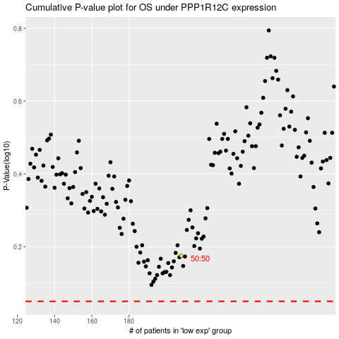

 |  |  |  |  |  | cases_OS | p_OS | rank | exp
 |  |  |  |  |  |  | cases_RFS | p_RFS | rank | exp

