PPP1R13B _multivariate
Reported by Tex Li-Hsing Chi. tex@gate.sinica.edu.tw 2019-08-16

Table 2. The clinicopathological features of HNSCC cohort and PPP1R13B expression. (Chi square test)
Cutoff at -0.235 (49.8%)
 |  | PPP1R13B expression |  | PPP1R13B expression |  | (Optimised)
 | Features | Low | (%) | High | (%) | Case no | P-value | Remark | Matthews
Gender | Female | 147 | 35.4 | 159 | 38.3 | 415 | 0.2523 | 0 | 0
2 | Male | 60 | 14.5 | 49 | 11.8
Age at diagnosis | <=65y | 140 | 33.7 | 134 | 32.3 | 415 | 0.5574 | 0 | 0
4 | >65y | 67 | 16.1 | 74 | 17.8
Clinical T Status | T1+T2 | 83 | 20 | 66 | 15.9 | 415 | 0.0941 | 0 | 0
6 | T3+T4 | 124 | 29.9 | 142 | 34.2
Clinical N Status | N0 | 104 | 25.1 | 112 | 27 | 415 | 0.5243 | 0 | 0
8 | N1-3 | 103 | 24.8 | 96 | 23.1
Clinical M Status | M0 | 205 | 49.4 | 207 | 49.9 | 415 | 0.6232 | 0 | 0
10 | M1 | 2 | 0.5 | 1 | 0.2
Clinical Stage | Stage I+II | 57 | 13.7 | 45 | 10.8 | 415 | 0.1998 | 0 | 0
12 | Stage III+IV | 150 | 36.1 | 163 | 39.3
Surgical Margin status | Negative | 162 | 39 | 156 | 37.6 | 415 | 0.4867 | 0 | 0
14 | Positive | 45 | 10.8 | 52 | 12.5
Tobacco Exposure | Low | 90 | 21.7 | 71 | 17.1 | 415 | 0.0559 | 0 | 0
16 | High | 117 | 28.2 | 137 | 33

Table 3. Univariate/Multivariate Cox's proportional hazards regression analyses on OS time of PPP1R13B gene expression in HNSCC

 |  | Univariate |  |  |  | Multivariate
 | Features | HR | CI95%(L) | CI95%(H) | P-value | HR | CI95%(L) | CI95%(H) | P-value
1 | Female | 1 |  |  |  | 1
Gender | Male | 1.157 | 0.843 | 1.587 | 0.367 | 1.219 | 0.871 | 1.707 | 0.247
11 | <=65y | 1 |  |  |  | 1
Age at diagnosis | >65y | 1.329 | 0.99 | 1.784 | 0.058 | 1.373 | 1.009 | 1.868 | 0.043
12 | T1+T2 | 1 |  |  |  | 1
Clinical T Status | T3+T4 | 1.409 | 1.028 | 1.931 | 0.033 | 2.192 | 1.159 | 4.146 | 0.016
13 | N0 | 1 |  |  |  | 1
Clinical N Status | N1-3 | 1.185 | 0.89 | 1.577 | 0.246 | 1.258 | 0.881 | 1.798 | 0.207
14 | M0 | 1 |  |  |  | 1
Clinical M Status | M1 | 4.097 | 1.009 | 16.644 | 0.049 | 9.782 | 2.128 | 44.957 | 0.003
15 | Stage I+II | 1 |  |  |  | 1
Clinical Stage | Stage III+IV | 1.245 | 0.882 | 1.759 | 0.213 | 0.496 | 0.231 | 1.066 | 0.073
16 | Negative | 1 |  |  |  | 1
Surgical Margin status | Positive | 1.591 | 1.155 | 2.191 | 0.004 | 1.659 | 1.2 | 2.294 | 0.002
17 | Low | 1 |  |  |  | 1
Tobacco Exposure | High | 1.364 | 1.008 | 1.844 | 0.044 | 1.427 | 1.033 | 1.971 | 0.031
18 | Low | 1 |  |  |  | 1
RNAseq(z-score) | High | 1.228 | 0.918 | 1.642 | 0.166 | 1.155 | 0.857 | 1.557 | 0.345

Table 4. Univariate/Multivariate Cox's proportional hazards regression analyses on RFS time of PPP1R13B gene expression in HNSCC

 |  | Univariate |  |  |  | Multivariate
 | Features | HR | CI95%(L) | CI95%(H) | P-value | HR | CI95%(L) | CI95%(H) | P-value
1 | Female | 1 |  |  |  | 1
Gender | Male | 1.157 | 0.843 | 1.587 | 0.367 | 1.219 | 0.871 | 1.707 | 0.247
11 | <=65y | 1 |  |  |  | 1
Age at diagnosis | >65y | 1.329 | 0.99 | 1.784 | 0.058 | 1.373 | 1.009 | 1.868 | 0.043
12 | T1+T2 | 1 |  |  |  | 1
Clinical T Status | T3+T4 | 1.409 | 1.028 | 1.931 | 0.033 | 2.192 | 1.159 | 4.146 | 0.016
13 | N0 | 1 |  |  |  | 1
Clinical N Status | N1-3 | 1.185 | 0.89 | 1.577 | 0.246 | 1.258 | 0.881 | 1.798 | 0.207
14 | M0 | 1 |  |  |  | 1
Clinical M Status | M1 | 4.097 | 1.009 | 16.644 | 0.049 | 9.782 | 2.128 | 44.957 | 0.003
15 | Stage I+II | 1 |  |  |  | 1
Clinical Stage | Stage III+IV | 1.245 | 0.882 | 1.759 | 0.213 | 0.496 | 0.231 | 1.066 | 0.073
16 | Negative | 1 |  |  |  | 1
Surgical Margin status | Positive | 1.591 | 1.155 | 2.191 | 0.004 | 1.659 | 1.2 | 2.294 | 0.002
17 | Low | 1 |  |  |  | 1
Tobacco Exposure | High | 1.364 | 1.008 | 1.844 | 0.044 | 1.427 | 1.033 | 1.971 | 0.031
18 | Low | 1 |  |  |  | 1
RNAseq(z-score) | High | 1.228 | 0.918 | 1.642 | 0.166 | 1.155 | 0.857 | 1.557 | 0.345

Kaplan-Meier survival estimate: Cutoff at -0.235 (49.8%)

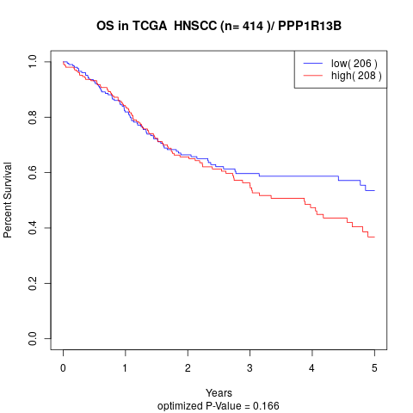

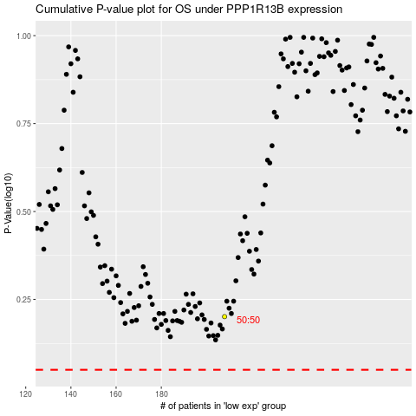

 |  |  |  |  |  | cases_OS | p_OS | rank | exp
 |  |  |  |  |  |  | cases_RFS | p_RFS | rank | exp

