PPP1R13L _multivariate
Reported by Tex Li-Hsing Chi. tex@gate.sinica.edu.tw 2019-08-16

Table 2. The clinicopathological features of HNSCC cohort and PPP1R13L expression. (Chi square test)
Cutoff at 0.303 (66.4%)
 |  | PPP1R13L expression |  | PPP1R13L expression |  | (Optimised)
 | Features | Low | (%) | High | (%) | Case no | P-value | Remark | Matthews
Gender | Female | 215 | 51.8 | 91 | 21.9 | 415 | 0.0057 | 1 | 0
2 | Male | 60 | 14.5 | 49 | 11.8
Age at diagnosis | <=65y | 189 | 45.5 | 85 | 20.5 | 415 | 0.1285 | 0 | 0
4 | >65y | 86 | 20.7 | 55 | 13.3
Clinical T Status | T1+T2 | 102 | 24.6 | 47 | 11.3 | 415 | 0.5496 | 0 | 0
6 | T3+T4 | 173 | 41.7 | 93 | 22.4
Clinical N Status | N0 | 134 | 32.3 | 82 | 19.8 | 415 | 0.0728 | 0 | 0
8 | N1-3 | 141 | 34 | 58 | 14
Clinical M Status | M0 | 273 | 65.8 | 139 | 33.5 | 415 | 1 | 0 | 0
10 | M1 | 2 | 0.5 | 1 | 0.2
Clinical Stage | Stage I+II | 67 | 16.1 | 35 | 8.4 | 415 | 0.9826 | 0 | 0
12 | Stage III+IV | 208 | 50.1 | 105 | 25.3
Surgical Margin status | Negative | 211 | 50.8 | 107 | 25.8 | 415 | 1 | 0 | 0
14 | Positive | 64 | 15.4 | 33 | 8
Tobacco Exposure | Low | 92 | 22.2 | 69 | 16.6 | 415 | 0.002 | 1 | 0
16 | High | 183 | 44.1 | 71 | 17.1

Table 3. Univariate/Multivariate Cox's proportional hazards regression analyses on OS time of PPP1R13L gene expression in HNSCC

 |  | Univariate |  |  |  | Multivariate
 | Features | HR | CI95%(L) | CI95%(H) | P-value | HR | CI95%(L) | CI95%(H) | P-value
1 | Female | 1 |  |  |  | 1
Gender | Male | 1.157 | 0.843 | 1.587 | 0.367 | 1.164 | 0.831 | 1.632 | 0.377
11 | <=65y | 1 |  |  |  | 1
Age at diagnosis | >65y | 1.329 | 0.99 | 1.784 | 0.058 | 1.369 | 1.005 | 1.864 | 0.046
12 | T1+T2 | 1 |  |  |  | 1
Clinical T Status | T3+T4 | 1.409 | 1.028 | 1.931 | 0.033 | 2.201 | 1.165 | 4.161 | 0.015
13 | N0 | 1 |  |  |  | 1
Clinical N Status | N1-3 | 1.185 | 0.89 | 1.577 | 0.246 | 1.276 | 0.893 | 1.824 | 0.18
14 | M0 | 1 |  |  |  | 1
Clinical M Status | M1 | 4.097 | 1.009 | 16.644 | 0.049 | 9.093 | 1.982 | 41.725 | 0.005
15 | Stage I+II | 1 |  |  |  | 1
Clinical Stage | Stage III+IV | 1.245 | 0.882 | 1.759 | 0.213 | 0.487 | 0.227 | 1.045 | 0.065
16 | Negative | 1 |  |  |  | 1
Surgical Margin status | Positive | 1.591 | 1.155 | 2.191 | 0.004 | 1.661 | 1.202 | 2.294 | 0.002
17 | Low | 1 |  |  |  | 1
Tobacco Exposure | High | 1.364 | 1.008 | 1.844 | 0.044 | 1.493 | 1.081 | 2.064 | 0.015
18 | Low | 1 |  |  |  | 1
RNAseq(z-score) | High | 1.351 | 1.006 | 1.814 | 0.046 | 1.324 | 0.979 | 1.791 | 0.068

Table 4. Univariate/Multivariate Cox's proportional hazards regression analyses on RFS time of PPP1R13L gene expression in HNSCC

 |  | Univariate |  |  |  | Multivariate
 | Features | HR | CI95%(L) | CI95%(H) | P-value | HR | CI95%(L) | CI95%(H) | P-value
1 | Female | 1 |  |  |  | 1
Gender | Male | 1.157 | 0.843 | 1.587 | 0.367 | 1.164 | 0.831 | 1.632 | 0.377
11 | <=65y | 1 |  |  |  | 1
Age at diagnosis | >65y | 1.329 | 0.99 | 1.784 | 0.058 | 1.369 | 1.005 | 1.864 | 0.046
12 | T1+T2 | 1 |  |  |  | 1
Clinical T Status | T3+T4 | 1.409 | 1.028 | 1.931 | 0.033 | 2.201 | 1.165 | 4.161 | 0.015
13 | N0 | 1 |  |  |  | 1
Clinical N Status | N1-3 | 1.185 | 0.89 | 1.577 | 0.246 | 1.276 | 0.893 | 1.824 | 0.18
14 | M0 | 1 |  |  |  | 1
Clinical M Status | M1 | 4.097 | 1.009 | 16.644 | 0.049 | 9.093 | 1.982 | 41.725 | 0.005
15 | Stage I+II | 1 |  |  |  | 1
Clinical Stage | Stage III+IV | 1.245 | 0.882 | 1.759 | 0.213 | 0.487 | 0.227 | 1.045 | 0.065
16 | Negative | 1 |  |  |  | 1
Surgical Margin status | Positive | 1.591 | 1.155 | 2.191 | 0.004 | 1.661 | 1.202 | 2.294 | 0.002
17 | Low | 1 |  |  |  | 1
Tobacco Exposure | High | 1.364 | 1.008 | 1.844 | 0.044 | 1.493 | 1.081 | 2.064 | 0.015
18 | Low | 1 |  |  |  | 1
RNAseq(z-score) | High | 1.351 | 1.006 | 1.814 | 0.046 | 1.324 | 0.979 | 1.791 | 0.068

Kaplan-Meier survival estimate: Cutoff at 0.303 (66.4%)



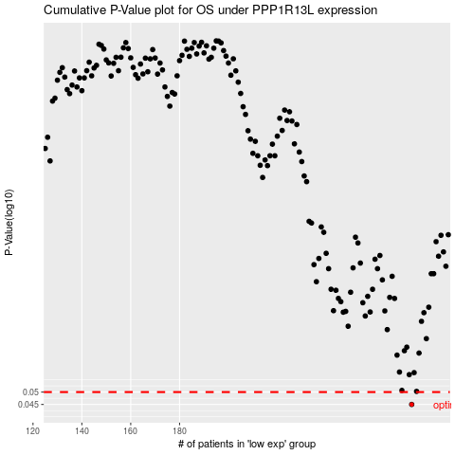

 |  |  |  |  |  | cases_OS | p_OS | rank | exp
 |  |  |  |  |  | 275 | 0.045 | 326 | 0.30314241912
 |  |  |  |  |  |  | cases_RFS | p_RFS | rank | exp
 |  |  |  |  |  |  | 274 | 0.045 | 40 | 0.28973199411

