PPP1R14C _multivariate
Reported by Tex Li-Hsing Chi. tex@gate.sinica.edu.tw 2019-08-16

Table 2. The clinicopathological features of HNSCC cohort and PPP1R14C expression. (Chi square test)
Cutoff at -0.004 (50.0%)
 |  | PPP1R14C expression |  | PPP1R14C expression |  | (Optimised)
 | Features | Low | (%) | High | (%) | Case no | P-value | Remark | Matthews
Gender | Female | 153 | 36.9 | 153 | 36.9 | 415 | 1 | 0 | 0
2 | Male | 54 | 13 | 55 | 13.3
Age at diagnosis | <=65y | 131 | 31.6 | 143 | 34.5 | 415 | 0.2839 | 0 | 0
4 | >65y | 76 | 18.3 | 65 | 15.7
Clinical T Status | T1+T2 | 76 | 18.3 | 73 | 17.6 | 415 | 0.8092 | 0 | 0
6 | T3+T4 | 131 | 31.6 | 135 | 32.5
Clinical N Status | N0 | 108 | 26 | 108 | 26 | 415 | 1 | 0 | 0
8 | N1-3 | 99 | 23.9 | 100 | 24.1
Clinical M Status | M0 | 207 | 49.9 | 205 | 49.4 | 415 | 0.2482 | 0 | 0
10 | M1 | 0 | 0 | 3 | 0.7
Clinical Stage | Stage I+II | 51 | 12.3 | 51 | 12.3 | 415 | 1 | 0 | 0
12 | Stage III+IV | 156 | 37.6 | 157 | 37.8
Surgical Margin status | Negative | 156 | 37.6 | 162 | 39 | 415 | 0.5636 | 0 | 0
14 | Positive | 51 | 12.3 | 46 | 11.1
Tobacco Exposure | Low | 79 | 19 | 82 | 19.8 | 415 | 0.8405 | 0 | 0
16 | High | 128 | 30.8 | 126 | 30.4

Table 3. Univariate/Multivariate Cox's proportional hazards regression analyses on OS time of PPP1R14C gene expression in HNSCC

 |  | Univariate |  |  |  | Multivariate
 | Features | HR | CI95%(L) | CI95%(H) | P-value | HR | CI95%(L) | CI95%(H) | P-value
1 | Female | 1 |  |  |  | 1
Gender | Male | 1.157 | 0.843 | 1.587 | 0.367 | 1.204 | 0.862 | 1.681 | 0.277
11 | <=65y | 1 |  |  |  | 1
Age at diagnosis | >65y | 1.329 | 0.99 | 1.784 | 0.058 | 1.412 | 1.038 | 1.923 | 0.028
12 | T1+T2 | 1 |  |  |  | 1
Clinical T Status | T3+T4 | 1.409 | 1.028 | 1.931 | 0.033 | 2.199 | 1.163 | 4.158 | 0.015
13 | N0 | 1 |  |  |  | 1
Clinical N Status | N1-3 | 1.185 | 0.89 | 1.577 | 0.246 | 1.242 | 0.87 | 1.772 | 0.232
14 | M0 | 1 |  |  |  | 1
Clinical M Status | M1 | 4.097 | 1.009 | 16.644 | 0.049 | 8.776 | 1.904 | 40.462 | 0.005
15 | Stage I+II | 1 |  |  |  | 1
Clinical Stage | Stage III+IV | 1.245 | 0.882 | 1.759 | 0.213 | 0.502 | 0.234 | 1.078 | 0.077
16 | Negative | 1 |  |  |  | 1
Surgical Margin status | Positive | 1.591 | 1.155 | 2.191 | 0.004 | 1.696 | 1.225 | 2.346 | 0.001
17 | Low | 1 |  |  |  | 1
Tobacco Exposure | High | 1.364 | 1.008 | 1.844 | 0.044 | 1.451 | 1.053 | 2 | 0.023
18 | Low | 1 |  |  |  | 1
RNAseq(z-score) | High | 1.12 | 0.841 | 1.493 | 0.437 | 1.159 | 0.866 | 1.551 | 0.322

Table 4. Univariate/Multivariate Cox's proportional hazards regression analyses on RFS time of PPP1R14C gene expression in HNSCC

 |  | Univariate |  |  |  | Multivariate
 | Features | HR | CI95%(L) | CI95%(H) | P-value | HR | CI95%(L) | CI95%(H) | P-value
1 | Female | 1 |  |  |  | 1
Gender | Male | 1.157 | 0.843 | 1.587 | 0.367 | 1.204 | 0.862 | 1.681 | 0.277
11 | <=65y | 1 |  |  |  | 1
Age at diagnosis | >65y | 1.329 | 0.99 | 1.784 | 0.058 | 1.412 | 1.038 | 1.923 | 0.028
12 | T1+T2 | 1 |  |  |  | 1
Clinical T Status | T3+T4 | 1.409 | 1.028 | 1.931 | 0.033 | 2.199 | 1.163 | 4.158 | 0.015
13 | N0 | 1 |  |  |  | 1
Clinical N Status | N1-3 | 1.185 | 0.89 | 1.577 | 0.246 | 1.242 | 0.87 | 1.772 | 0.232
14 | M0 | 1 |  |  |  | 1
Clinical M Status | M1 | 4.097 | 1.009 | 16.644 | 0.049 | 8.776 | 1.904 | 40.462 | 0.005
15 | Stage I+II | 1 |  |  |  | 1
Clinical Stage | Stage III+IV | 1.245 | 0.882 | 1.759 | 0.213 | 0.502 | 0.234 | 1.078 | 0.077
16 | Negative | 1 |  |  |  | 1
Surgical Margin status | Positive | 1.591 | 1.155 | 2.191 | 0.004 | 1.696 | 1.225 | 2.346 | 0.001
17 | Low | 1 |  |  |  | 1
Tobacco Exposure | High | 1.364 | 1.008 | 1.844 | 0.044 | 1.451 | 1.053 | 2 | 0.023
18 | Low | 1 |  |  |  | 1
RNAseq(z-score) | High | 1.12 | 0.841 | 1.493 | 0.437 | 1.159 | 0.866 | 1.551 | 0.322

Kaplan-Meier survival estimate: Cutoff at -0.004 (50.0%)



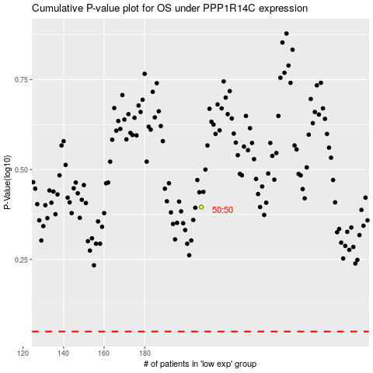

 |  |  |  |  |  | cases_OS | p_OS | rank | exp
 |  |  |  |  |  |  | cases_RFS | p_RFS | rank | exp

