PPP1R15A _multivariate
Reported by Tex Li-Hsing Chi. tex@gate.sinica.edu.tw 2019-08-16

Table 2. The clinicopathological features of HNSCC cohort and PPP1R15A expression. (Chi square test)
Cutoff at -0.217 (56.3%)
 |  | PPP1R15A expression |  | PPP1R15A expression |  | (Optimised)
 | Features | Low | (%) | High | (%) | Case no | P-value | Remark | Matthews
Gender | Female | 166 | 40 | 140 | 33.7 | 415 | 0.2333 | 0 | 0
2 | Male | 67 | 16.1 | 42 | 10.1
Age at diagnosis | <=65y | 151 | 36.4 | 123 | 29.6 | 415 | 0.6256 | 0 | 0
4 | >65y | 82 | 19.8 | 59 | 14.2
Clinical T Status | T1+T2 | 88 | 21.2 | 61 | 14.7 | 415 | 0.4279 | 0 | 0
6 | T3+T4 | 145 | 34.9 | 121 | 29.2
Clinical N Status | N0 | 119 | 28.7 | 97 | 23.4 | 415 | 0.7256 | 0 | 0
8 | N1-3 | 114 | 27.5 | 85 | 20.5
Clinical M Status | M0 | 231 | 55.7 | 181 | 43.6 | 415 | 1 | 0 | 0
10 | M1 | 2 | 0.5 | 1 | 0.2
Clinical Stage | Stage I+II | 59 | 14.2 | 43 | 10.4 | 415 | 0.777 | 0 | 0
12 | Stage III+IV | 174 | 41.9 | 139 | 33.5
Surgical Margin status | Negative | 182 | 43.9 | 136 | 32.8 | 415 | 0.4833 | 0 | 0
14 | Positive | 51 | 12.3 | 46 | 11.1
Tobacco Exposure | Low | 99 | 23.9 | 62 | 14.9 | 415 | 0.0852 | 0 | 0
16 | High | 134 | 32.3 | 120 | 28.9

Table 3. Univariate/Multivariate Cox's proportional hazards regression analyses on OS time of PPP1R15A gene expression in HNSCC

 |  | Univariate |  |  |  | Multivariate
 | Features | HR | CI95%(L) | CI95%(H) | P-value | HR | CI95%(L) | CI95%(H) | P-value
1 | Female | 1 |  |  |  | 1
Gender | Male | 1.157 | 0.843 | 1.587 | 0.367 | 1.204 | 0.862 | 1.683 | 0.276
11 | <=65y | 1 |  |  |  | 1
Age at diagnosis | >65y | 1.329 | 0.99 | 1.784 | 0.058 | 1.396 | 1.027 | 1.898 | 0.033
12 | T1+T2 | 1 |  |  |  | 1
Clinical T Status | T3+T4 | 1.409 | 1.028 | 1.931 | 0.033 | 2.191 | 1.16 | 4.14 | 0.016
13 | N0 | 1 |  |  |  | 1
Clinical N Status | N1-3 | 1.185 | 0.89 | 1.577 | 0.246 | 1.253 | 0.878 | 1.788 | 0.213
14 | M0 | 1 |  |  |  | 1
Clinical M Status | M1 | 4.097 | 1.009 | 16.644 | 0.049 | 9.415 | 2.055 | 43.136 | 0.004
15 | Stage I+II | 1 |  |  |  | 1
Clinical Stage | Stage III+IV | 1.245 | 0.882 | 1.759 | 0.213 | 0.51 | 0.238 | 1.094 | 0.084
16 | Negative | 1 |  |  |  | 1
Surgical Margin status | Positive | 1.591 | 1.155 | 2.191 | 0.004 | 1.602 | 1.156 | 2.221 | 0.005
17 | Low | 1 |  |  |  | 1
Tobacco Exposure | High | 1.364 | 1.008 | 1.844 | 0.044 | 1.417 | 1.028 | 1.954 | 0.033
18 | Low | 1 |  |  |  | 1
RNAseq(z-score) | High | 1.347 | 1.01 | 1.798 | 0.043 | 1.279 | 0.954 | 1.715 | 0.1

Table 4. Univariate/Multivariate Cox's proportional hazards regression analyses on RFS time of PPP1R15A gene expression in HNSCC

 |  | Univariate |  |  |  | Multivariate
 | Features | HR | CI95%(L) | CI95%(H) | P-value | HR | CI95%(L) | CI95%(H) | P-value
1 | Female | 1 |  |  |  | 1
Gender | Male | 1.157 | 0.843 | 1.587 | 0.367 | 1.204 | 0.862 | 1.683 | 0.276
11 | <=65y | 1 |  |  |  | 1
Age at diagnosis | >65y | 1.329 | 0.99 | 1.784 | 0.058 | 1.396 | 1.027 | 1.898 | 0.033
12 | T1+T2 | 1 |  |  |  | 1
Clinical T Status | T3+T4 | 1.409 | 1.028 | 1.931 | 0.033 | 2.191 | 1.16 | 4.14 | 0.016
13 | N0 | 1 |  |  |  | 1
Clinical N Status | N1-3 | 1.185 | 0.89 | 1.577 | 0.246 | 1.253 | 0.878 | 1.788 | 0.213
14 | M0 | 1 |  |  |  | 1
Clinical M Status | M1 | 4.097 | 1.009 | 16.644 | 0.049 | 9.415 | 2.055 | 43.136 | 0.004
15 | Stage I+II | 1 |  |  |  | 1
Clinical Stage | Stage III+IV | 1.245 | 0.882 | 1.759 | 0.213 | 0.51 | 0.238 | 1.094 | 0.084
16 | Negative | 1 |  |  |  | 1
Surgical Margin status | Positive | 1.591 | 1.155 | 2.191 | 0.004 | 1.602 | 1.156 | 2.221 | 0.005
17 | Low | 1 |  |  |  | 1
Tobacco Exposure | High | 1.364 | 1.008 | 1.844 | 0.044 | 1.417 | 1.028 | 1.954 | 0.033
18 | Low | 1 |  |  |  | 1
RNAseq(z-score) | High | 1.347 | 1.01 | 1.798 | 0.043 | 1.279 | 0.954 | 1.715 | 0.1

Kaplan-Meier survival estimate: Cutoff at -0.217 (56.3%)



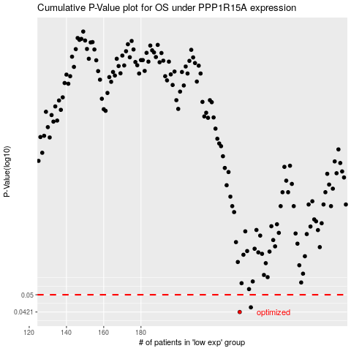

 |  |  |  |  |  | cases_OS | p_OS | rank | exp
 |  |  |  |  |  | 233 | 0.0421 | 66 | -0.21740588928
 |  |  |  |  |  | 239 | 0.0441 | 385 | -0.19935025699
 |  |  |  |  |  |  | cases_RFS | p_RFS | rank | exp
 |  |  |  |  |  |  | 232 | 0.0421 | 175 | -0.22299068687
 |  |  |  |  |  |  | 238 | 0.0441 | 234 | -0.20035262301

