PPP1R15B _multivariate
Reported by Tex Li-Hsing Chi. tex@gate.sinica.edu.tw 2019-08-16

Table 2. The clinicopathological features of HNSCC cohort and PPP1R15B expression. (Chi square test)
Cutoff at -0.151 (50.0%)
 |  | PPP1R15B expression |  | PPP1R15B expression |  | (Optimised)
 | Features | Low | (%) | High | (%) | Case no | P-value | Remark | Matthews
Gender | Female | 155 | 37.3 | 151 | 36.4 | 415 | 0.6768 | 0 | 0
2 | Male | 52 | 12.5 | 57 | 13.7
Age at diagnosis | <=65y | 141 | 34 | 133 | 32 | 415 | 0.4272 | 0 | 0
4 | >65y | 66 | 15.9 | 75 | 18.1
Clinical T Status | T1+T2 | 80 | 19.3 | 69 | 16.6 | 415 | 0.2891 | 0 | 0
6 | T3+T4 | 127 | 30.6 | 139 | 33.5
Clinical N Status | N0 | 109 | 26.3 | 107 | 25.8 | 415 | 0.8812 | 0 | 0
8 | N1-3 | 98 | 23.6 | 101 | 24.3
Clinical M Status | M0 | 204 | 49.2 | 208 | 50.1 | 415 | 0.1232 | 0 | 0
10 | M1 | 3 | 0.7 | 0 | 0
Clinical Stage | Stage I+II | 55 | 13.3 | 47 | 11.3 | 415 | 0.4087 | 0 | 0
12 | Stage III+IV | 152 | 36.6 | 161 | 38.8
Surgical Margin status | Negative | 162 | 39 | 156 | 37.6 | 415 | 0.4867 | 0 | 0
14 | Positive | 45 | 10.8 | 52 | 12.5
Tobacco Exposure | Low | 91 | 21.9 | 70 | 16.9 | 415 | 0.0346 | 1 | 0
16 | High | 116 | 28 | 138 | 33.3

Table 3. Univariate/Multivariate Cox's proportional hazards regression analyses on OS time of PPP1R15B gene expression in HNSCC

 |  | Univariate |  |  |  | Multivariate
 | Features | HR | CI95%(L) | CI95%(H) | P-value | HR | CI95%(L) | CI95%(H) | P-value
1 | Female | 1 |  |  |  | 1
Gender | Male | 1.157 | 0.843 | 1.587 | 0.367 | 1.202 | 0.86 | 1.679 | 0.281
11 | <=65y | 1 |  |  |  | 1
Age at diagnosis | >65y | 1.329 | 0.99 | 1.784 | 0.058 | 1.392 | 1.023 | 1.895 | 0.036
12 | T1+T2 | 1 |  |  |  | 1
Clinical T Status | T3+T4 | 1.409 | 1.028 | 1.931 | 0.033 | 2.202 | 1.165 | 4.164 | 0.015
13 | N0 | 1 |  |  |  | 1
Clinical N Status | N1-3 | 1.185 | 0.89 | 1.577 | 0.246 | 1.241 | 0.87 | 1.771 | 0.234
14 | M0 | 1 |  |  |  | 1
Clinical M Status | M1 | 4.097 | 1.009 | 16.644 | 0.049 | 9.389 | 2.033 | 43.365 | 0.004
15 | Stage I+II | 1 |  |  |  | 1
Clinical Stage | Stage III+IV | 1.245 | 0.882 | 1.759 | 0.213 | 0.505 | 0.235 | 1.084 | 0.08
16 | Negative | 1 |  |  |  | 1
Surgical Margin status | Positive | 1.591 | 1.155 | 2.191 | 0.004 | 1.672 | 1.209 | 2.312 | 0.002
17 | Low | 1 |  |  |  | 1
Tobacco Exposure | High | 1.364 | 1.008 | 1.844 | 0.044 | 1.454 | 1.054 | 2.005 | 0.023
18 | Low | 1 |  |  |  | 1
RNAseq(z-score) | High | 1.078 | 0.807 | 1.439 | 0.612 | 0.996 | 0.741 | 1.339 | 0.98

Table 4. Univariate/Multivariate Cox's proportional hazards regression analyses on RFS time of PPP1R15B gene expression in HNSCC

 |  | Univariate |  |  |  | Multivariate
 | Features | HR | CI95%(L) | CI95%(H) | P-value | HR | CI95%(L) | CI95%(H) | P-value
1 | Female | 1 |  |  |  | 1
Gender | Male | 1.157 | 0.843 | 1.587 | 0.367 | 1.202 | 0.86 | 1.679 | 0.281
11 | <=65y | 1 |  |  |  | 1
Age at diagnosis | >65y | 1.329 | 0.99 | 1.784 | 0.058 | 1.392 | 1.023 | 1.895 | 0.036
12 | T1+T2 | 1 |  |  |  | 1
Clinical T Status | T3+T4 | 1.409 | 1.028 | 1.931 | 0.033 | 2.202 | 1.165 | 4.164 | 0.015
13 | N0 | 1 |  |  |  | 1
Clinical N Status | N1-3 | 1.185 | 0.89 | 1.577 | 0.246 | 1.241 | 0.87 | 1.771 | 0.234
14 | M0 | 1 |  |  |  | 1
Clinical M Status | M1 | 4.097 | 1.009 | 16.644 | 0.049 | 9.389 | 2.033 | 43.365 | 0.004
15 | Stage I+II | 1 |  |  |  | 1
Clinical Stage | Stage III+IV | 1.245 | 0.882 | 1.759 | 0.213 | 0.505 | 0.235 | 1.084 | 0.08
16 | Negative | 1 |  |  |  | 1
Surgical Margin status | Positive | 1.591 | 1.155 | 2.191 | 0.004 | 1.672 | 1.209 | 2.312 | 0.002
17 | Low | 1 |  |  |  | 1
Tobacco Exposure | High | 1.364 | 1.008 | 1.844 | 0.044 | 1.454 | 1.054 | 2.005 | 0.023
18 | Low | 1 |  |  |  | 1
RNAseq(z-score) | High | 1.078 | 0.807 | 1.439 | 0.612 | 0.996 | 0.741 | 1.339 | 0.98

Kaplan-Meier survival estimate: Cutoff at -0.151 (50.0%)



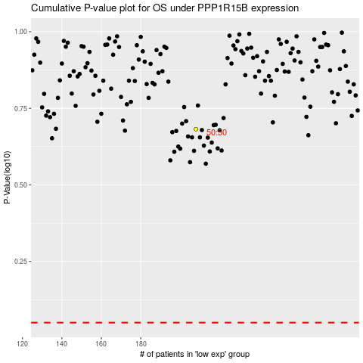

 |  |  |  |  |  | cases_OS | p_OS | rank | exp
 |  |  |  |  |  |  | cases_RFS | p_RFS | rank | exp

